CHFR _multivariate
Reported by Tex Li-Hsing Chi. tex@gate.sinica.edu.tw 2019-08-21

Table 2. The clinicopathological features of HNSCC cohort and CHFR expression. (Chi square test)
Cutoff at 0.031 (50.0%)
 |  | CHFR expression |  | CHFR expression |  | (Optimised)
 | Features | Low | (%) | High | (%) | Case no | P-value | Remark | Matthews
Gender | Female | 148 | 35.7 | 158 | 38.1 | 415 | 0.3567 | 0 | 0
2 | Male | 59 | 14.2 | 50 | 12
Age at diagnosis | <=65y | 128 | 30.8 | 146 | 35.2 | 415 | 0.0904 | 0 | 0
4 | >65y | 79 | 19 | 62 | 14.9
Clinical T Status | T1+T2 | 64 | 15.4 | 85 | 20.5 | 415 | 0.0445 | 1 | 0
6 | T3+T4 | 143 | 34.5 | 123 | 29.6
Clinical N Status | N0 | 108 | 26 | 108 | 26 | 415 | 1 | 0 | 0
8 | N1-3 | 99 | 23.9 | 100 | 24.1
Clinical M Status | M0 | 206 | 49.6 | 206 | 49.6 | 415 | 1 | 0 | 0
10 | M1 | 1 | 0.2 | 2 | 0.5
Clinical Stage | Stage I+II | 50 | 12 | 52 | 12.5 | 415 | 0.9315 | 0 | 0
12 | Stage III+IV | 157 | 37.8 | 156 | 37.6
Surgical Margin status | Negative | 160 | 38.6 | 158 | 38.1 | 415 | 0.8167 | 0 | 0
14 | Positive | 47 | 11.3 | 50 | 12
Tobacco Exposure | Low | 79 | 19 | 82 | 19.8 | 415 | 0.8405 | 0 | 0
16 | High | 128 | 30.8 | 126 | 30.4

Table 3. Univariate/Multivariate Cox's proportional hazards regression analyses on OS time of CHFR gene expression in HNSCC

 |  | Univariate |  |  |  | Multivariate
 | Features | HR | CI95%(L) | CI95%(H) | P-value | HR | CI95%(L) | CI95%(H) | P-value
1 | Female | 1 |  |  |  | 1
Gender | Male | 1.157 | 0.843 | 1.587 | 0.367 | 1.199 | 0.857 | 1.676 | 0.289
11 | <=65y | 1 |  |  |  | 1
Age at diagnosis | >65y | 1.329 | 0.99 | 1.784 | 0.058 | 1.386 | 1.019 | 1.887 | 0.038
12 | T1+T2 | 1 |  |  |  | 1
Clinical T Status | T3+T4 | 1.409 | 1.028 | 1.931 | 0.033 | 2.181 | 1.149 | 4.138 | 0.017
13 | N0 | 1 |  |  |  | 1
Clinical N Status | N1-3 | 1.185 | 0.89 | 1.577 | 0.246 | 1.236 | 0.866 | 1.766 | 0.243
14 | M0 | 1 |  |  |  | 1
Clinical M Status | M1 | 4.097 | 1.009 | 16.644 | 0.049 | 9.362 | 2.041 | 42.931 | 0.004
15 | Stage I+II | 1 |  |  |  | 1
Clinical Stage | Stage III+IV | 1.245 | 0.882 | 1.759 | 0.213 | 0.51 | 0.237 | 1.097 | 0.085
16 | Negative | 1 |  |  |  | 1
Surgical Margin status | Positive | 1.591 | 1.155 | 2.191 | 0.004 | 1.673 | 1.211 | 2.312 | 0.002
17 | Low | 1 |  |  |  | 1
Tobacco Exposure | High | 1.364 | 1.008 | 1.844 | 0.044 | 1.453 | 1.055 | 2.003 | 0.022
18 | Low | 1 |  |  |  | 1
RNAseq(z-score) | High | 0.889 | 0.667 | 1.184 | 0.42 | 0.959 | 0.717 | 1.283 | 0.778

Table 4. Univariate/Multivariate Cox's proportional hazards regression analyses on RFS time of CHFR gene expression in HNSCC

 |  | Univariate |  |  |  | Multivariate
 | Features | HR | CI95%(L) | CI95%(H) | P-value | HR | CI95%(L) | CI95%(H) | P-value
1 | Female | 1 |  |  |  | 1
Gender | Male | 1.157 | 0.843 | 1.587 | 0.367 | 1.199 | 0.857 | 1.676 | 0.289
11 | <=65y | 1 |  |  |  | 1
Age at diagnosis | >65y | 1.329 | 0.99 | 1.784 | 0.058 | 1.386 | 1.019 | 1.887 | 0.038
12 | T1+T2 | 1 |  |  |  | 1
Clinical T Status | T3+T4 | 1.409 | 1.028 | 1.931 | 0.033 | 2.181 | 1.149 | 4.138 | 0.017
13 | N0 | 1 |  |  |  | 1
Clinical N Status | N1-3 | 1.185 | 0.89 | 1.577 | 0.246 | 1.236 | 0.866 | 1.766 | 0.243
14 | M0 | 1 |  |  |  | 1
Clinical M Status | M1 | 4.097 | 1.009 | 16.644 | 0.049 | 9.362 | 2.041 | 42.931 | 0.004
15 | Stage I+II | 1 |  |  |  | 1
Clinical Stage | Stage III+IV | 1.245 | 0.882 | 1.759 | 0.213 | 0.51 | 0.237 | 1.097 | 0.085
16 | Negative | 1 |  |  |  | 1
Surgical Margin status | Positive | 1.591 | 1.155 | 2.191 | 0.004 | 1.673 | 1.211 | 2.312 | 0.002
17 | Low | 1 |  |  |  | 1
Tobacco Exposure | High | 1.364 | 1.008 | 1.844 | 0.044 | 1.453 | 1.055 | 2.003 | 0.022
18 | Low | 1 |  |  |  | 1
RNAseq(z-score) | High | 0.889 | 0.667 | 1.184 | 0.42 | 0.959 | 0.717 | 1.283 | 0.778

Kaplan-Meier survival estimate: Cutoff at 0.031 (50.0%)



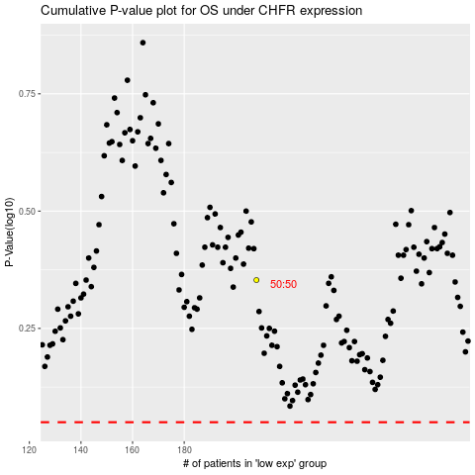

 |  |  |  |  |  | cases_OS | p_OS | rank | exp
 |  |  |  |  |  |  | cases_RFS | p_RFS | rank | exp

