CHI3L1 _multivariate
Reported by Tex Li-Hsing Chi. tex@gate.sinica.edu.tw 2019-08-21

Table 2. The clinicopathological features of HNSCC cohort and CHI3L1 expression. (Chi square test)
Cutoff at -0.311 (50.0%)
 |  | CHI3L1 expression |  | CHI3L1 expression |  | (Optimised)
 | Features | Low | (%) | High | (%) | Case no | P-value | Remark | Matthews
Gender | Female | 163 | 39.3 | 143 | 34.5 | 415 | 0.0277 | 1 | 0
2 | Male | 44 | 10.6 | 65 | 15.7
Age at diagnosis | <=65y | 139 | 33.5 | 135 | 32.5 | 415 | 0.7044 | 0 | 0
4 | >65y | 68 | 16.4 | 73 | 17.6
Clinical T Status | T1+T2 | 71 | 17.1 | 78 | 18.8 | 415 | 0.5638 | 0 | 0
6 | T3+T4 | 136 | 32.8 | 130 | 31.3
Clinical N Status | N0 | 117 | 28.2 | 99 | 23.9 | 415 | 0.0852 | 1 | 0
8 | N1-3 | 90 | 21.7 | 109 | 26.3
Clinical M Status | M0 | 204 | 49.2 | 208 | 50.1 | 415 | 0.1232 | 0 | 0
10 | M1 | 3 | 0.7 | 0 | 0
Clinical Stage | Stage I+II | 49 | 11.8 | 53 | 12.8 | 415 | 0.7535 | 0 | 0
12 | Stage III+IV | 158 | 38.1 | 155 | 37.3
Surgical Margin status | Negative | 154 | 37.1 | 164 | 39.5 | 415 | 0.2984 | 0 | 0
14 | Positive | 53 | 12.8 | 44 | 10.6
Tobacco Exposure | Low | 79 | 19 | 82 | 19.8 | 415 | 0.8405 | 0 | 0
16 | High | 128 | 30.8 | 126 | 30.4

Table 3. Univariate/Multivariate Cox's proportional hazards regression analyses on OS time of CHI3L1 gene expression in HNSCC

 |  | Univariate |  |  |  | Multivariate
 | Features | HR | CI95%(L) | CI95%(H) | P-value | HR | CI95%(L) | CI95%(H) | P-value
1 | Female | 1 |  |  |  | 1
Gender | Male | 1.157 | 0.843 | 1.587 | 0.367 | 1.194 | 0.853 | 1.67 | 0.301
11 | <=65y | 1 |  |  |  | 1
Age at diagnosis | >65y | 1.329 | 0.99 | 1.784 | 0.058 | 1.39 | 1.023 | 1.89 | 0.035
12 | T1+T2 | 1 |  |  |  | 1
Clinical T Status | T3+T4 | 1.409 | 1.028 | 1.931 | 0.033 | 2.193 | 1.159 | 4.148 | 0.016
13 | N0 | 1 |  |  |  | 1
Clinical N Status | N1-3 | 1.185 | 0.89 | 1.577 | 0.246 | 1.23 | 0.859 | 1.76 | 0.258
14 | M0 | 1 |  |  |  | 1
Clinical M Status | M1 | 4.097 | 1.009 | 16.644 | 0.049 | 9.657 | 2.094 | 44.542 | 0.004
15 | Stage I+II | 1 |  |  |  | 1
Clinical Stage | Stage III+IV | 1.245 | 0.882 | 1.759 | 0.213 | 0.507 | 0.236 | 1.089 | 0.081
16 | Negative | 1 |  |  |  | 1
Surgical Margin status | Positive | 1.591 | 1.155 | 2.191 | 0.004 | 1.67 | 1.209 | 2.307 | 0.002
17 | Low | 1 |  |  |  | 1
Tobacco Exposure | High | 1.364 | 1.008 | 1.844 | 0.044 | 1.448 | 1.051 | 1.995 | 0.024
18 | Low | 1 |  |  |  | 1
RNAseq(z-score) | High | 1.111 | 0.834 | 1.479 | 0.473 | 1.058 | 0.79 | 1.419 | 0.704

Table 4. Univariate/Multivariate Cox's proportional hazards regression analyses on RFS time of CHI3L1 gene expression in HNSCC

 |  | Univariate |  |  |  | Multivariate
 | Features | HR | CI95%(L) | CI95%(H) | P-value | HR | CI95%(L) | CI95%(H) | P-value
1 | Female | 1 |  |  |  | 1
Gender | Male | 1.157 | 0.843 | 1.587 | 0.367 | 1.194 | 0.853 | 1.67 | 0.301
11 | <=65y | 1 |  |  |  | 1
Age at diagnosis | >65y | 1.329 | 0.99 | 1.784 | 0.058 | 1.39 | 1.023 | 1.89 | 0.035
12 | T1+T2 | 1 |  |  |  | 1
Clinical T Status | T3+T4 | 1.409 | 1.028 | 1.931 | 0.033 | 2.193 | 1.159 | 4.148 | 0.016
13 | N0 | 1 |  |  |  | 1
Clinical N Status | N1-3 | 1.185 | 0.89 | 1.577 | 0.246 | 1.23 | 0.859 | 1.76 | 0.258
14 | M0 | 1 |  |  |  | 1
Clinical M Status | M1 | 4.097 | 1.009 | 16.644 | 0.049 | 9.657 | 2.094 | 44.542 | 0.004
15 | Stage I+II | 1 |  |  |  | 1
Clinical Stage | Stage III+IV | 1.245 | 0.882 | 1.759 | 0.213 | 0.507 | 0.236 | 1.089 | 0.081
16 | Negative | 1 |  |  |  | 1
Surgical Margin status | Positive | 1.591 | 1.155 | 2.191 | 0.004 | 1.67 | 1.209 | 2.307 | 0.002
17 | Low | 1 |  |  |  | 1
Tobacco Exposure | High | 1.364 | 1.008 | 1.844 | 0.044 | 1.448 | 1.051 | 1.995 | 0.024
18 | Low | 1 |  |  |  | 1
RNAseq(z-score) | High | 1.111 | 0.834 | 1.479 | 0.473 | 1.058 | 0.79 | 1.419 | 0.704

Kaplan-Meier survival estimate: Cutoff at -0.311 (50.0%)



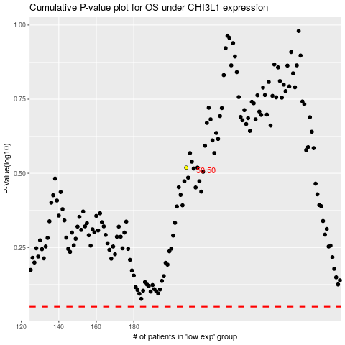

 |  |  |  |  |  | cases_OS | p_OS | rank | exp
 |  |  |  |  |  |  | cases_RFS | p_RFS | rank | exp

