CHIC1 _multivariate
Reported by Tex Li-Hsing Chi. tex@gate.sinica.edu.tw 2019-08-21

Table 2. The clinicopathological features of HNSCC cohort and CHIC1 expression. (Chi square test)
Cutoff at -0.472 (34.3%)
 |  | CHIC1 expression |  | CHIC1 expression |  | (Optimised)
 | Features | Low | (%) | High | (%) | Case no | P-value | Remark | Matthews
Gender | Female | 103 | 24.8 | 203 | 48.9 | 415 | 0.6487 | 0 | 0
2 | Male | 40 | 9.6 | 69 | 16.6
Age at diagnosis | <=65y | 91 | 21.9 | 183 | 44.1 | 415 | 0.525 | 0 | 0
4 | >65y | 52 | 12.5 | 89 | 21.4
Clinical T Status | T1+T2 | 46 | 11.1 | 103 | 24.8 | 415 | 0.2971 | 0 | 0
6 | T3+T4 | 97 | 23.4 | 169 | 40.7
Clinical N Status | N0 | 72 | 17.3 | 144 | 34.7 | 415 | 0.69 | 0 | 0
8 | N1-3 | 71 | 17.1 | 128 | 30.8
Clinical M Status | M0 | 140 | 33.7 | 272 | 65.5 | 415 | 0.0404 | 1 | 0
10 | M1 | 3 | 0.7 | 0 | 0
Clinical Stage | Stage I+II | 32 | 7.7 | 70 | 16.9 | 415 | 0.5254 | 0 | 0
12 | Stage III+IV | 111 | 26.7 | 202 | 48.7
Surgical Margin status | Negative | 108 | 26 | 210 | 50.6 | 415 | 0.7154 | 0 | 0
14 | Positive | 35 | 8.4 | 62 | 14.9
Tobacco Exposure | Low | 59 | 14.2 | 102 | 24.6 | 415 | 0.4602 | 0 | 0
16 | High | 84 | 20.2 | 170 | 41

Table 3. Univariate/Multivariate Cox's proportional hazards regression analyses on OS time of CHIC1 gene expression in HNSCC

 |  | Univariate |  |  |  | Multivariate
 | Features | HR | CI95%(L) | CI95%(H) | P-value | HR | CI95%(L) | CI95%(H) | P-value
1 | Female | 1 |  |  |  | 1
Gender | Male | 1.157 | 0.843 | 1.587 | 0.367 | 1.199 | 0.857 | 1.678 | 0.289
11 | <=65y | 1 |  |  |  | 1
Age at diagnosis | >65y | 1.329 | 0.99 | 1.784 | 0.058 | 1.387 | 1.02 | 1.886 | 0.037
12 | T1+T2 | 1 |  |  |  | 1
Clinical T Status | T3+T4 | 1.409 | 1.028 | 1.931 | 0.033 | 2.143 | 1.133 | 4.054 | 0.019
13 | N0 | 1 |  |  |  | 1
Clinical N Status | N1-3 | 1.185 | 0.89 | 1.577 | 0.246 | 1.229 | 0.862 | 1.753 | 0.255
14 | M0 | 1 |  |  |  | 1
Clinical M Status | M1 | 4.097 | 1.009 | 16.644 | 0.049 | 7.874 | 1.694 | 36.595 | 0.008
15 | Stage I+II | 1 |  |  |  | 1
Clinical Stage | Stage III+IV | 1.245 | 0.882 | 1.759 | 0.213 | 0.516 | 0.241 | 1.108 | 0.09
16 | Negative | 1 |  |  |  | 1
Surgical Margin status | Positive | 1.591 | 1.155 | 2.191 | 0.004 | 1.664 | 1.204 | 2.3 | 0.002
17 | Low | 1 |  |  |  | 1
Tobacco Exposure | High | 1.364 | 1.008 | 1.844 | 0.044 | 1.467 | 1.063 | 2.026 | 0.02
18 | Low | 1 |  |  |  | 1
RNAseq(z-score) | High | 0.743 | 0.554 | 0.998 | 0.049 | 0.779 | 0.578 | 1.049 | 0.1

Table 4. Univariate/Multivariate Cox's proportional hazards regression analyses on RFS time of CHIC1 gene expression in HNSCC

 |  | Univariate |  |  |  | Multivariate
 | Features | HR | CI95%(L) | CI95%(H) | P-value | HR | CI95%(L) | CI95%(H) | P-value
1 | Female | 1 |  |  |  | 1
Gender | Male | 1.157 | 0.843 | 1.587 | 0.367 | 1.199 | 0.857 | 1.678 | 0.289
11 | <=65y | 1 |  |  |  | 1
Age at diagnosis | >65y | 1.329 | 0.99 | 1.784 | 0.058 | 1.387 | 1.02 | 1.886 | 0.037
12 | T1+T2 | 1 |  |  |  | 1
Clinical T Status | T3+T4 | 1.409 | 1.028 | 1.931 | 0.033 | 2.143 | 1.133 | 4.054 | 0.019
13 | N0 | 1 |  |  |  | 1
Clinical N Status | N1-3 | 1.185 | 0.89 | 1.577 | 0.246 | 1.229 | 0.862 | 1.753 | 0.255
14 | M0 | 1 |  |  |  | 1
Clinical M Status | M1 | 4.097 | 1.009 | 16.644 | 0.049 | 7.874 | 1.694 | 36.595 | 0.008
15 | Stage I+II | 1 |  |  |  | 1
Clinical Stage | Stage III+IV | 1.245 | 0.882 | 1.759 | 0.213 | 0.516 | 0.241 | 1.108 | 0.09
16 | Negative | 1 |  |  |  | 1
Surgical Margin status | Positive | 1.591 | 1.155 | 2.191 | 0.004 | 1.664 | 1.204 | 2.3 | 0.002
17 | Low | 1 |  |  |  | 1
Tobacco Exposure | High | 1.364 | 1.008 | 1.844 | 0.044 | 1.467 | 1.063 | 2.026 | 0.02
18 | Low | 1 |  |  |  | 1
RNAseq(z-score) | High | 0.743 | 0.554 | 0.998 | 0.049 | 0.779 | 0.578 | 1.049 | 0.1

Kaplan-Meier survival estimate: Cutoff at -0.472 (34.3%)



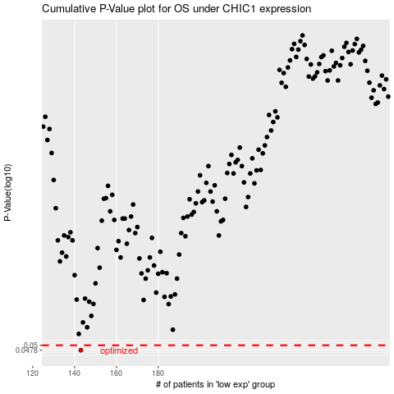

 |  |  |  |  |  | cases_OS | p_OS | rank | exp
 |  |  |  |  |  | 143 | 0.0478 | 399 | -0.47183733989
 |  |  |  |  |  |  | cases_RFS | p_RFS | rank | exp
 |  |  |  |  |  |  | 142 | 0.0478 | 244 | -0.47417323495

