CHKA _multivariate
Reported by Tex Li-Hsing Chi. tex@gate.sinica.edu.tw 2019-08-21

Table 2. The clinicopathological features of HNSCC cohort and CHKA expression. (Chi square test)
Cutoff at -0.292 (49.8%)
 |  | CHKA expression |  | CHKA expression |  | (Optimised)
 | Features | Low | (%) | High | (%) | Case no | P-value | Remark | Matthews
Gender | Female | 144 | 34.7 | 162 | 39 | 415 | 0.0697 | 0 | 0
2 | Male | 63 | 15.2 | 46 | 11.1
Age at diagnosis | <=65y | 126 | 30.4 | 148 | 35.7 | 415 | 0.035 | 1 | 0
4 | >65y | 81 | 19.5 | 60 | 14.5
Clinical T Status | T1+T2 | 83 | 20 | 66 | 15.9 | 415 | 0.0941 | 0 | 0
6 | T3+T4 | 124 | 29.9 | 142 | 34.2
Clinical N Status | N0 | 117 | 28.2 | 99 | 23.9 | 415 | 0.0852 | 1 | 0
8 | N1-3 | 90 | 21.7 | 109 | 26.3
Clinical M Status | M0 | 204 | 49.2 | 208 | 50.1 | 415 | 0.1232 | 0 | 0
10 | M1 | 3 | 0.7 | 0 | 0
Clinical Stage | Stage I+II | 61 | 14.7 | 41 | 9.9 | 415 | 0.0282 | 1 | 0
12 | Stage III+IV | 146 | 35.2 | 167 | 40.2
Surgical Margin status | Negative | 160 | 38.6 | 158 | 38.1 | 415 | 0.8167 | 0 | 0
14 | Positive | 47 | 11.3 | 50 | 12
Tobacco Exposure | Low | 94 | 22.7 | 67 | 16.1 | 415 | 0.0065 | 1 | 0
16 | High | 113 | 27.2 | 141 | 34

Table 3. Univariate/Multivariate Cox's proportional hazards regression analyses on OS time of CHKA gene expression in HNSCC

 |  | Univariate |  |  |  | Multivariate
 | Features | HR | CI95%(L) | CI95%(H) | P-value | HR | CI95%(L) | CI95%(H) | P-value
1 | Female | 1 |  |  |  | 1
Gender | Male | 1.157 | 0.843 | 1.587 | 0.367 | 1.208 | 0.865 | 1.687 | 0.268
11 | <=65y | 1 |  |  |  | 1
Age at diagnosis | >65y | 1.329 | 0.99 | 1.784 | 0.058 | 1.41 | 1.036 | 1.918 | 0.029
12 | T1+T2 | 1 |  |  |  | 1
Clinical T Status | T3+T4 | 1.409 | 1.028 | 1.931 | 0.033 | 2.2 | 1.164 | 4.159 | 0.015
13 | N0 | 1 |  |  |  | 1
Clinical N Status | N1-3 | 1.185 | 0.89 | 1.577 | 0.246 | 1.224 | 0.857 | 1.748 | 0.267
14 | M0 | 1 |  |  |  | 1
Clinical M Status | M1 | 4.097 | 1.009 | 16.644 | 0.049 | 10.201 | 2.203 | 47.234 | 0.003
15 | Stage I+II | 1 |  |  |  | 1
Clinical Stage | Stage III+IV | 1.245 | 0.882 | 1.759 | 0.213 | 0.503 | 0.234 | 1.079 | 0.078
16 | Negative | 1 |  |  |  | 1
Surgical Margin status | Positive | 1.591 | 1.155 | 2.191 | 0.004 | 1.657 | 1.198 | 2.29 | 0.002
17 | Low | 1 |  |  |  | 1
Tobacco Exposure | High | 1.364 | 1.008 | 1.844 | 0.044 | 1.429 | 1.036 | 1.971 | 0.03
18 | Low | 1 |  |  |  | 1
RNAseq(z-score) | High | 1.164 | 0.873 | 1.552 | 0.302 | 1.152 | 0.856 | 1.55 | 0.351

Table 4. Univariate/Multivariate Cox's proportional hazards regression analyses on RFS time of CHKA gene expression in HNSCC

 |  | Univariate |  |  |  | Multivariate
 | Features | HR | CI95%(L) | CI95%(H) | P-value | HR | CI95%(L) | CI95%(H) | P-value
1 | Female | 1 |  |  |  | 1
Gender | Male | 1.157 | 0.843 | 1.587 | 0.367 | 1.208 | 0.865 | 1.687 | 0.268
11 | <=65y | 1 |  |  |  | 1
Age at diagnosis | >65y | 1.329 | 0.99 | 1.784 | 0.058 | 1.41 | 1.036 | 1.918 | 0.029
12 | T1+T2 | 1 |  |  |  | 1
Clinical T Status | T3+T4 | 1.409 | 1.028 | 1.931 | 0.033 | 2.2 | 1.164 | 4.159 | 0.015
13 | N0 | 1 |  |  |  | 1
Clinical N Status | N1-3 | 1.185 | 0.89 | 1.577 | 0.246 | 1.224 | 0.857 | 1.748 | 0.267
14 | M0 | 1 |  |  |  | 1
Clinical M Status | M1 | 4.097 | 1.009 | 16.644 | 0.049 | 10.201 | 2.203 | 47.234 | 0.003
15 | Stage I+II | 1 |  |  |  | 1
Clinical Stage | Stage III+IV | 1.245 | 0.882 | 1.759 | 0.213 | 0.503 | 0.234 | 1.079 | 0.078
16 | Negative | 1 |  |  |  | 1
Surgical Margin status | Positive | 1.591 | 1.155 | 2.191 | 0.004 | 1.657 | 1.198 | 2.29 | 0.002
17 | Low | 1 |  |  |  | 1
Tobacco Exposure | High | 1.364 | 1.008 | 1.844 | 0.044 | 1.429 | 1.036 | 1.971 | 0.03
18 | Low | 1 |  |  |  | 1
RNAseq(z-score) | High | 1.164 | 0.873 | 1.552 | 0.302 | 1.152 | 0.856 | 1.55 | 0.351

Kaplan-Meier survival estimate: Cutoff at -0.292 (49.8%)



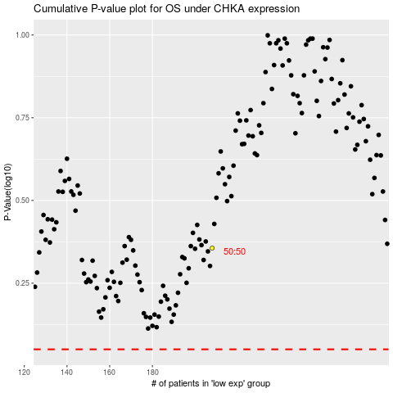

 |  |  |  |  |  | cases_OS | p_OS | rank | exp
 |  |  |  |  |  |  | cases_RFS | p_RFS | rank | exp

