CHMP1B _multivariate
Reported by Tex Li-Hsing Chi. tex@gate.sinica.edu.tw 2019-08-21

Table 2. The clinicopathological features of HNSCC cohort and CHMP1B expression. (Chi square test)
Cutoff at -0.196 (50.0%)
 |  | CHMP1B expression |  | CHMP1B expression |  | (Optimised)
 | Features | Low | (%) | High | (%) | Case no | P-value | Remark | Matthews
Gender | Female | 148 | 35.7 | 158 | 38.1 | 415 | 0.3567 | 0 | 0
2 | Male | 59 | 14.2 | 50 | 12
Age at diagnosis | <=65y | 136 | 32.8 | 138 | 33.3 | 415 | 0.9719 | 0 | 0
4 | >65y | 71 | 17.1 | 70 | 16.9
Clinical T Status | T1+T2 | 86 | 20.7 | 63 | 15.2 | 415 | 0.0221 | 1 | 0
6 | T3+T4 | 121 | 29.2 | 145 | 34.9
Clinical N Status | N0 | 111 | 26.7 | 105 | 25.3 | 415 | 0.5875 | 0 | 0
8 | N1-3 | 96 | 23.1 | 103 | 24.8
Clinical M Status | M0 | 204 | 49.2 | 208 | 50.1 | 415 | 0.1232 | 0 | 0
10 | M1 | 3 | 0.7 | 0 | 0
Clinical Stage | Stage I+II | 58 | 14 | 44 | 10.6 | 415 | 0.131 | 0 | 0
12 | Stage III+IV | 149 | 35.9 | 164 | 39.5
Surgical Margin status | Negative | 165 | 39.8 | 153 | 36.9 | 415 | 0.1639 | 0 | 0
14 | Positive | 42 | 10.1 | 55 | 13.3
Tobacco Exposure | Low | 80 | 19.3 | 81 | 19.5 | 415 | 1 | 0 | 0
16 | High | 127 | 30.6 | 127 | 30.6

Table 3. Univariate/Multivariate Cox's proportional hazards regression analyses on OS time of CHMP1B gene expression in HNSCC

 |  | Univariate |  |  |  | Multivariate
 | Features | HR | CI95%(L) | CI95%(H) | P-value | HR | CI95%(L) | CI95%(H) | P-value
1 | Female | 1 |  |  |  | 1
Gender | Male | 1.157 | 0.843 | 1.587 | 0.367 | 1.212 | 0.868 | 1.694 | 0.259
11 | <=65y | 1 |  |  |  | 1
Age at diagnosis | >65y | 1.329 | 0.99 | 1.784 | 0.058 | 1.402 | 1.031 | 1.907 | 0.031
12 | T1+T2 | 1 |  |  |  | 1
Clinical T Status | T3+T4 | 1.409 | 1.028 | 1.931 | 0.033 | 2.155 | 1.137 | 4.084 | 0.019
13 | N0 | 1 |  |  |  | 1
Clinical N Status | N1-3 | 1.185 | 0.89 | 1.577 | 0.246 | 1.251 | 0.876 | 1.786 | 0.218
14 | M0 | 1 |  |  |  | 1
Clinical M Status | M1 | 4.097 | 1.009 | 16.644 | 0.049 | 9.887 | 2.147 | 45.531 | 0.003
15 | Stage I+II | 1 |  |  |  | 1
Clinical Stage | Stage III+IV | 1.245 | 0.882 | 1.759 | 0.213 | 0.503 | 0.234 | 1.08 | 0.078
16 | Negative | 1 |  |  |  | 1
Surgical Margin status | Positive | 1.591 | 1.155 | 2.191 | 0.004 | 1.659 | 1.2 | 2.293 | 0.002
17 | Low | 1 |  |  |  | 1
Tobacco Exposure | High | 1.364 | 1.008 | 1.844 | 0.044 | 1.462 | 1.061 | 2.015 | 0.02
18 | Low | 1 |  |  |  | 1
RNAseq(z-score) | High | 1.153 | 0.866 | 1.536 | 0.329 | 1.133 | 0.845 | 1.52 | 0.404

Table 4. Univariate/Multivariate Cox's proportional hazards regression analyses on RFS time of CHMP1B gene expression in HNSCC

 |  | Univariate |  |  |  | Multivariate
 | Features | HR | CI95%(L) | CI95%(H) | P-value | HR | CI95%(L) | CI95%(H) | P-value
1 | Female | 1 |  |  |  | 1
Gender | Male | 1.157 | 0.843 | 1.587 | 0.367 | 1.212 | 0.868 | 1.694 | 0.259
11 | <=65y | 1 |  |  |  | 1
Age at diagnosis | >65y | 1.329 | 0.99 | 1.784 | 0.058 | 1.402 | 1.031 | 1.907 | 0.031
12 | T1+T2 | 1 |  |  |  | 1
Clinical T Status | T3+T4 | 1.409 | 1.028 | 1.931 | 0.033 | 2.155 | 1.137 | 4.084 | 0.019
13 | N0 | 1 |  |  |  | 1
Clinical N Status | N1-3 | 1.185 | 0.89 | 1.577 | 0.246 | 1.251 | 0.876 | 1.786 | 0.218
14 | M0 | 1 |  |  |  | 1
Clinical M Status | M1 | 4.097 | 1.009 | 16.644 | 0.049 | 9.887 | 2.147 | 45.531 | 0.003
15 | Stage I+II | 1 |  |  |  | 1
Clinical Stage | Stage III+IV | 1.245 | 0.882 | 1.759 | 0.213 | 0.503 | 0.234 | 1.08 | 0.078
16 | Negative | 1 |  |  |  | 1
Surgical Margin status | Positive | 1.591 | 1.155 | 2.191 | 0.004 | 1.659 | 1.2 | 2.293 | 0.002
17 | Low | 1 |  |  |  | 1
Tobacco Exposure | High | 1.364 | 1.008 | 1.844 | 0.044 | 1.462 | 1.061 | 2.015 | 0.02
18 | Low | 1 |  |  |  | 1
RNAseq(z-score) | High | 1.153 | 0.866 | 1.536 | 0.329 | 1.133 | 0.845 | 1.52 | 0.404

Kaplan-Meier survival estimate: Cutoff at -0.196 (50.0%)



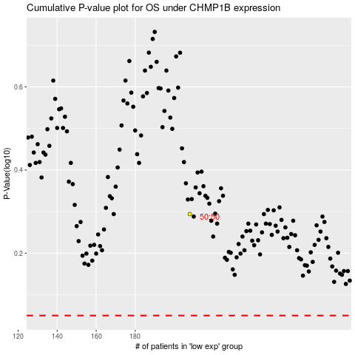

 |  |  |  |  |  | cases_OS | p_OS | rank | exp
 |  |  |  |  |  |  | cases_RFS | p_RFS | rank | exp

