CHMP2A _multivariate
Reported by Tex Li-Hsing Chi. tex@gate.sinica.edu.tw 2019-08-21

Table 2. The clinicopathological features of HNSCC cohort and CHMP2A expression. (Chi square test)
Cutoff at -0.333 (50.0%)
 |  | CHMP2A expression |  | CHMP2A expression |  | (Optimised)
 | Features | Low | (%) | High | (%) | Case no | P-value | Remark | Matthews
Gender | Female | 152 | 36.6 | 154 | 37.1 | 415 | 0.9766 | 0 | 0
2 | Male | 55 | 13.3 | 54 | 13
Age at diagnosis | <=65y | 144 | 34.7 | 130 | 31.3 | 415 | 0.1568 | 0 | 0
4 | >65y | 63 | 15.2 | 78 | 18.8
Clinical T Status | T1+T2 | 76 | 18.3 | 73 | 17.6 | 415 | 0.8092 | 0 | 0
6 | T3+T4 | 131 | 31.6 | 135 | 32.5
Clinical N Status | N0 | 104 | 25.1 | 112 | 27 | 415 | 0.5243 | 0 | 0
8 | N1-3 | 103 | 24.8 | 96 | 23.1
Clinical M Status | M0 | 207 | 49.9 | 205 | 49.4 | 415 | 0.2482 | 0 | 0
10 | M1 | 0 | 0 | 3 | 0.7
Clinical Stage | Stage I+II | 53 | 12.8 | 49 | 11.8 | 415 | 0.7113 | 0 | 0
12 | Stage III+IV | 154 | 37.1 | 159 | 38.3
Surgical Margin status | Negative | 157 | 37.8 | 161 | 38.8 | 415 | 0.729 | 0 | 0
14 | Positive | 50 | 12 | 47 | 11.3
Tobacco Exposure | Low | 79 | 19 | 82 | 19.8 | 415 | 0.8405 | 0 | 0
16 | High | 128 | 30.8 | 126 | 30.4

Table 3. Univariate/Multivariate Cox's proportional hazards regression analyses on OS time of CHMP2A gene expression in HNSCC

 |  | Univariate |  |  |  | Multivariate
 | Features | HR | CI95%(L) | CI95%(H) | P-value | HR | CI95%(L) | CI95%(H) | P-value
1 | Female | 1 |  |  |  | 1
Gender | Male | 1.157 | 0.843 | 1.587 | 0.367 | 1.204 | 0.862 | 1.683 | 0.277
11 | <=65y | 1 |  |  |  | 1
Age at diagnosis | >65y | 1.329 | 0.99 | 1.784 | 0.058 | 1.393 | 1.025 | 1.894 | 0.034
12 | T1+T2 | 1 |  |  |  | 1
Clinical T Status | T3+T4 | 1.409 | 1.028 | 1.931 | 0.033 | 2.207 | 1.167 | 4.175 | 0.015
13 | N0 | 1 |  |  |  | 1
Clinical N Status | N1-3 | 1.185 | 0.89 | 1.577 | 0.246 | 1.241 | 0.87 | 1.772 | 0.233
14 | M0 | 1 |  |  |  | 1
Clinical M Status | M1 | 4.097 | 1.009 | 16.644 | 0.049 | 9.617 | 2.078 | 44.511 | 0.004
15 | Stage I+II | 1 |  |  |  | 1
Clinical Stage | Stage III+IV | 1.245 | 0.882 | 1.759 | 0.213 | 0.503 | 0.234 | 1.08 | 0.078
16 | Negative | 1 |  |  |  | 1
Surgical Margin status | Positive | 1.591 | 1.155 | 2.191 | 0.004 | 1.674 | 1.211 | 2.313 | 0.002
17 | Low | 1 |  |  |  | 1
Tobacco Exposure | High | 1.364 | 1.008 | 1.844 | 0.044 | 1.456 | 1.057 | 2.007 | 0.022
18 | Low | 1 |  |  |  | 1
RNAseq(z-score) | High | 1.015 | 0.762 | 1.352 | 0.917 | 0.963 | 0.721 | 1.286 | 0.798

Table 4. Univariate/Multivariate Cox's proportional hazards regression analyses on RFS time of CHMP2A gene expression in HNSCC

 |  | Univariate |  |  |  | Multivariate
 | Features | HR | CI95%(L) | CI95%(H) | P-value | HR | CI95%(L) | CI95%(H) | P-value
1 | Female | 1 |  |  |  | 1
Gender | Male | 1.157 | 0.843 | 1.587 | 0.367 | 1.204 | 0.862 | 1.683 | 0.277
11 | <=65y | 1 |  |  |  | 1
Age at diagnosis | >65y | 1.329 | 0.99 | 1.784 | 0.058 | 1.393 | 1.025 | 1.894 | 0.034
12 | T1+T2 | 1 |  |  |  | 1
Clinical T Status | T3+T4 | 1.409 | 1.028 | 1.931 | 0.033 | 2.207 | 1.167 | 4.175 | 0.015
13 | N0 | 1 |  |  |  | 1
Clinical N Status | N1-3 | 1.185 | 0.89 | 1.577 | 0.246 | 1.241 | 0.87 | 1.772 | 0.233
14 | M0 | 1 |  |  |  | 1
Clinical M Status | M1 | 4.097 | 1.009 | 16.644 | 0.049 | 9.617 | 2.078 | 44.511 | 0.004
15 | Stage I+II | 1 |  |  |  | 1
Clinical Stage | Stage III+IV | 1.245 | 0.882 | 1.759 | 0.213 | 0.503 | 0.234 | 1.08 | 0.078
16 | Negative | 1 |  |  |  | 1
Surgical Margin status | Positive | 1.591 | 1.155 | 2.191 | 0.004 | 1.674 | 1.211 | 2.313 | 0.002
17 | Low | 1 |  |  |  | 1
Tobacco Exposure | High | 1.364 | 1.008 | 1.844 | 0.044 | 1.456 | 1.057 | 2.007 | 0.022
18 | Low | 1 |  |  |  | 1
RNAseq(z-score) | High | 1.015 | 0.762 | 1.352 | 0.917 | 0.963 | 0.721 | 1.286 | 0.798

Kaplan-Meier survival estimate: Cutoff at -0.333 (50.0%)



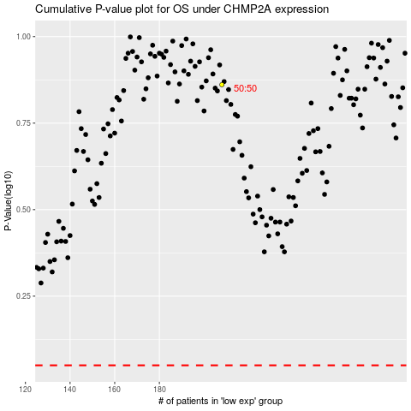

 |  |  |  |  |  | cases_OS | p_OS | rank | exp
 |  |  |  |  |  |  | cases_RFS | p_RFS | rank | exp

