CHMP4B _multivariate
Reported by Tex Li-Hsing Chi. tex@gate.sinica.edu.tw 2019-08-21

Table 2. The clinicopathological features of HNSCC cohort and CHMP4B expression. (Chi square test)
Cutoff at -0.234 (50.0%)
 |  | CHMP4B expression |  | CHMP4B expression |  | (Optimised)
 | Features | Low | (%) | High | (%) | Case no | P-value | Remark | Matthews
Gender | Female | 145 | 34.9 | 161 | 38.8 | 415 | 0.1116 | 0 | 0
2 | Male | 62 | 14.9 | 47 | 11.3
Age at diagnosis | <=65y | 129 | 31.1 | 145 | 34.9 | 415 | 0.1372 | 0 | 0
4 | >65y | 78 | 18.8 | 63 | 15.2
Clinical T Status | T1+T2 | 82 | 19.8 | 67 | 16.1 | 415 | 0.1417 | 0 | 0
6 | T3+T4 | 125 | 30.1 | 141 | 34
Clinical N Status | N0 | 118 | 28.4 | 98 | 23.6 | 415 | 0.0551 | 1 | 0
8 | N1-3 | 89 | 21.4 | 110 | 26.5
Clinical M Status | M0 | 206 | 49.6 | 206 | 49.6 | 415 | 1 | 0 | 0
10 | M1 | 1 | 0.2 | 2 | 0.5
Clinical Stage | Stage I+II | 57 | 13.7 | 45 | 10.8 | 415 | 0.1998 | 0 | 0
12 | Stage III+IV | 150 | 36.1 | 163 | 39.3
Surgical Margin status | Negative | 152 | 36.6 | 166 | 40 | 415 | 0.1329 | 0 | 0
14 | Positive | 55 | 13.3 | 42 | 10.1
Tobacco Exposure | Low | 76 | 18.3 | 85 | 20.5 | 415 | 0.4207 | 0 | 0
16 | High | 131 | 31.6 | 123 | 29.6

Table 3. Univariate/Multivariate Cox's proportional hazards regression analyses on OS time of CHMP4B gene expression in HNSCC

 |  | Univariate |  |  |  | Multivariate
 | Features | HR | CI95%(L) | CI95%(H) | P-value | HR | CI95%(L) | CI95%(H) | P-value
1 | Female | 1 |  |  |  | 1
Gender | Male | 1.157 | 0.843 | 1.587 | 0.367 | 1.202 | 0.861 | 1.677 | 0.28
11 | <=65y | 1 |  |  |  | 1
Age at diagnosis | >65y | 1.329 | 0.99 | 1.784 | 0.058 | 1.405 | 1.032 | 1.912 | 0.031
12 | T1+T2 | 1 |  |  |  | 1
Clinical T Status | T3+T4 | 1.409 | 1.028 | 1.931 | 0.033 | 2.177 | 1.15 | 4.12 | 0.017
13 | N0 | 1 |  |  |  | 1
Clinical N Status | N1-3 | 1.185 | 0.89 | 1.577 | 0.246 | 1.23 | 0.862 | 1.756 | 0.254
14 | M0 | 1 |  |  |  | 1
Clinical M Status | M1 | 4.097 | 1.009 | 16.644 | 0.049 | 9.089 | 1.977 | 41.782 | 0.005
15 | Stage I+II | 1 |  |  |  | 1
Clinical Stage | Stage III+IV | 1.245 | 0.882 | 1.759 | 0.213 | 0.505 | 0.235 | 1.083 | 0.079
16 | Negative | 1 |  |  |  | 1
Surgical Margin status | Positive | 1.591 | 1.155 | 2.191 | 0.004 | 1.685 | 1.219 | 2.33 | 0.002
17 | Low | 1 |  |  |  | 1
Tobacco Exposure | High | 1.364 | 1.008 | 1.844 | 0.044 | 1.456 | 1.057 | 2.005 | 0.021
18 | Low | 1 |  |  |  | 1
RNAseq(z-score) | High | 1.126 | 0.845 | 1.501 | 0.418 | 1.117 | 0.833 | 1.497 | 0.461

Table 4. Univariate/Multivariate Cox's proportional hazards regression analyses on RFS time of CHMP4B gene expression in HNSCC

 |  | Univariate |  |  |  | Multivariate
 | Features | HR | CI95%(L) | CI95%(H) | P-value | HR | CI95%(L) | CI95%(H) | P-value
1 | Female | 1 |  |  |  | 1
Gender | Male | 1.157 | 0.843 | 1.587 | 0.367 | 1.202 | 0.861 | 1.677 | 0.28
11 | <=65y | 1 |  |  |  | 1
Age at diagnosis | >65y | 1.329 | 0.99 | 1.784 | 0.058 | 1.405 | 1.032 | 1.912 | 0.031
12 | T1+T2 | 1 |  |  |  | 1
Clinical T Status | T3+T4 | 1.409 | 1.028 | 1.931 | 0.033 | 2.177 | 1.15 | 4.12 | 0.017
13 | N0 | 1 |  |  |  | 1
Clinical N Status | N1-3 | 1.185 | 0.89 | 1.577 | 0.246 | 1.23 | 0.862 | 1.756 | 0.254
14 | M0 | 1 |  |  |  | 1
Clinical M Status | M1 | 4.097 | 1.009 | 16.644 | 0.049 | 9.089 | 1.977 | 41.782 | 0.005
15 | Stage I+II | 1 |  |  |  | 1
Clinical Stage | Stage III+IV | 1.245 | 0.882 | 1.759 | 0.213 | 0.505 | 0.235 | 1.083 | 0.079
16 | Negative | 1 |  |  |  | 1
Surgical Margin status | Positive | 1.591 | 1.155 | 2.191 | 0.004 | 1.685 | 1.219 | 2.33 | 0.002
17 | Low | 1 |  |  |  | 1
Tobacco Exposure | High | 1.364 | 1.008 | 1.844 | 0.044 | 1.456 | 1.057 | 2.005 | 0.021
18 | Low | 1 |  |  |  | 1
RNAseq(z-score) | High | 1.126 | 0.845 | 1.501 | 0.418 | 1.117 | 0.833 | 1.497 | 0.461

Kaplan-Meier survival estimate: Cutoff at -0.234 (50.0%)



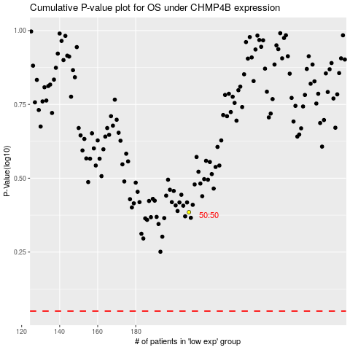

 |  |  |  |  |  | cases_OS | p_OS | rank | exp
 |  |  |  |  |  |  | cases_RFS | p_RFS | rank | exp

