CHMP4C _multivariate
Reported by Tex Li-Hsing Chi. tex@gate.sinica.edu.tw 2019-08-21

Table 2. The clinicopathological features of HNSCC cohort and CHMP4C expression. (Chi square test)
Cutoff at -0.18 (50.0%)
 |  | CHMP4C expression |  | CHMP4C expression |  | (Optimised)
 | Features | Low | (%) | High | (%) | Case no | P-value | Remark | Matthews
Gender | Female | 155 | 37.3 | 151 | 36.4 | 415 | 0.6768 | 0 | 0
2 | Male | 52 | 12.5 | 57 | 13.7
Age at diagnosis | <=65y | 142 | 34.2 | 132 | 31.8 | 415 | 0.3167 | 0 | 0
4 | >65y | 65 | 15.7 | 76 | 18.3
Clinical T Status | T1+T2 | 81 | 19.5 | 68 | 16.4 | 415 | 0.206 | 0 | 0
6 | T3+T4 | 126 | 30.4 | 140 | 33.7
Clinical N Status | N0 | 105 | 25.3 | 111 | 26.7 | 415 | 0.6598 | 0 | 0
8 | N1-3 | 102 | 24.6 | 97 | 23.4
Clinical M Status | M0 | 207 | 49.9 | 205 | 49.4 | 415 | 0.2482 | 0 | 0
10 | M1 | 0 | 0 | 3 | 0.7
Clinical Stage | Stage I+II | 55 | 13.3 | 47 | 11.3 | 415 | 0.4087 | 0 | 0
12 | Stage III+IV | 152 | 36.6 | 161 | 38.8
Surgical Margin status | Negative | 159 | 38.3 | 159 | 38.3 | 415 | 1 | 0 | 0
14 | Positive | 48 | 11.6 | 49 | 11.8
Tobacco Exposure | Low | 73 | 17.6 | 88 | 21.2 | 415 | 0.1587 | 0 | 0
16 | High | 134 | 32.3 | 120 | 28.9

Table 3. Univariate/Multivariate Cox's proportional hazards regression analyses on OS time of CHMP4C gene expression in HNSCC

 |  | Univariate |  |  |  | Multivariate
 | Features | HR | CI95%(L) | CI95%(H) | P-value | HR | CI95%(L) | CI95%(H) | P-value
1 | Female | 1 |  |  |  | 1
Gender | Male | 1.157 | 0.843 | 1.587 | 0.367 | 1.193 | 0.854 | 1.666 | 0.301
11 | <=65y | 1 |  |  |  | 1
Age at diagnosis | >65y | 1.329 | 0.99 | 1.784 | 0.058 | 1.402 | 1.031 | 1.906 | 0.031
12 | T1+T2 | 1 |  |  |  | 1
Clinical T Status | T3+T4 | 1.409 | 1.028 | 1.931 | 0.033 | 2.212 | 1.17 | 4.183 | 0.015
13 | N0 | 1 |  |  |  | 1
Clinical N Status | N1-3 | 1.185 | 0.89 | 1.577 | 0.246 | 1.249 | 0.876 | 1.783 | 0.22
14 | M0 | 1 |  |  |  | 1
Clinical M Status | M1 | 4.097 | 1.009 | 16.644 | 0.049 | 8.824 | 1.913 | 40.704 | 0.005
15 | Stage I+II | 1 |  |  |  | 1
Clinical Stage | Stage III+IV | 1.245 | 0.882 | 1.759 | 0.213 | 0.504 | 0.235 | 1.082 | 0.079
16 | Negative | 1 |  |  |  | 1
Surgical Margin status | Positive | 1.591 | 1.155 | 2.191 | 0.004 | 1.669 | 1.208 | 2.306 | 0.002
17 | Low | 1 |  |  |  | 1
Tobacco Exposure | High | 1.364 | 1.008 | 1.844 | 0.044 | 1.46 | 1.06 | 2.01 | 0.021
18 | Low | 1 |  |  |  | 1
RNAseq(z-score) | High | 1.114 | 0.836 | 1.485 | 0.46 | 1.14 | 0.853 | 1.523 | 0.377

Table 4. Univariate/Multivariate Cox's proportional hazards regression analyses on RFS time of CHMP4C gene expression in HNSCC

 |  | Univariate |  |  |  | Multivariate
 | Features | HR | CI95%(L) | CI95%(H) | P-value | HR | CI95%(L) | CI95%(H) | P-value
1 | Female | 1 |  |  |  | 1
Gender | Male | 1.157 | 0.843 | 1.587 | 0.367 | 1.193 | 0.854 | 1.666 | 0.301
11 | <=65y | 1 |  |  |  | 1
Age at diagnosis | >65y | 1.329 | 0.99 | 1.784 | 0.058 | 1.402 | 1.031 | 1.906 | 0.031
12 | T1+T2 | 1 |  |  |  | 1
Clinical T Status | T3+T4 | 1.409 | 1.028 | 1.931 | 0.033 | 2.212 | 1.17 | 4.183 | 0.015
13 | N0 | 1 |  |  |  | 1
Clinical N Status | N1-3 | 1.185 | 0.89 | 1.577 | 0.246 | 1.249 | 0.876 | 1.783 | 0.22
14 | M0 | 1 |  |  |  | 1
Clinical M Status | M1 | 4.097 | 1.009 | 16.644 | 0.049 | 8.824 | 1.913 | 40.704 | 0.005
15 | Stage I+II | 1 |  |  |  | 1
Clinical Stage | Stage III+IV | 1.245 | 0.882 | 1.759 | 0.213 | 0.504 | 0.235 | 1.082 | 0.079
16 | Negative | 1 |  |  |  | 1
Surgical Margin status | Positive | 1.591 | 1.155 | 2.191 | 0.004 | 1.669 | 1.208 | 2.306 | 0.002
17 | Low | 1 |  |  |  | 1
Tobacco Exposure | High | 1.364 | 1.008 | 1.844 | 0.044 | 1.46 | 1.06 | 2.01 | 0.021
18 | Low | 1 |  |  |  | 1
RNAseq(z-score) | High | 1.114 | 0.836 | 1.485 | 0.46 | 1.14 | 0.853 | 1.523 | 0.377

Kaplan-Meier survival estimate: Cutoff at -0.18 (50.0%)



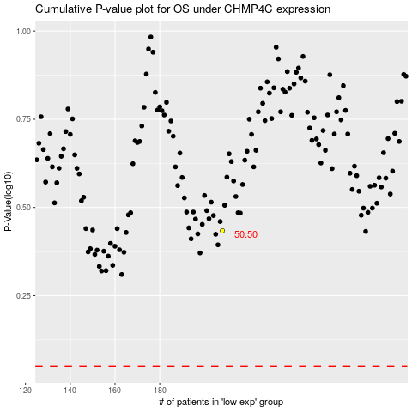

 |  |  |  |  |  | cases_OS | p_OS | rank | exp
 |  |  |  |  |  |  | cases_RFS | p_RFS | rank | exp

