CHMP5 _multivariate
Reported by Tex Li-Hsing Chi. tex@gate.sinica.edu.tw 2019-08-21

Table 2. The clinicopathological features of HNSCC cohort and CHMP5 expression. (Chi square test)
Cutoff at -0.268 (50.0%)
 |  | CHMP5 expression |  | CHMP5 expression |  | (Optimised)
 | Features | Low | (%) | High | (%) | Case no | P-value | Remark | Matthews
Gender | Female | 163 | 39.3 | 143 | 34.5 | 415 | 0.0277 | 1 | 0
2 | Male | 44 | 10.6 | 65 | 15.7
Age at diagnosis | <=65y | 147 | 35.4 | 127 | 30.6 | 415 | 0.0416 | 1 | 0
4 | >65y | 60 | 14.5 | 81 | 19.5
Clinical T Status | T1+T2 | 65 | 15.7 | 84 | 20.2 | 415 | 0.0711 | 0 | 0
6 | T3+T4 | 142 | 34.2 | 124 | 29.9
Clinical N Status | N0 | 103 | 24.8 | 113 | 27.2 | 415 | 0.4047 | 0 | 0
8 | N1-3 | 104 | 25.1 | 95 | 22.9
Clinical M Status | M0 | 206 | 49.6 | 206 | 49.6 | 415 | 1 | 0 | 0
10 | M1 | 1 | 0.2 | 2 | 0.5
Clinical Stage | Stage I+II | 39 | 9.4 | 63 | 15.2 | 415 | 0.0095 | 1 | 0
12 | Stage III+IV | 168 | 40.5 | 145 | 34.9
Surgical Margin status | Negative | 156 | 37.6 | 162 | 39 | 415 | 0.5636 | 0 | 0
14 | Positive | 51 | 12.3 | 46 | 11.1
Tobacco Exposure | Low | 66 | 15.9 | 95 | 22.9 | 415 | 0.0048 | 1 | 0
16 | High | 141 | 34 | 113 | 27.2

Table 3. Univariate/Multivariate Cox's proportional hazards regression analyses on OS time of CHMP5 gene expression in HNSCC

 |  | Univariate |  |  |  | Multivariate
 | Features | HR | CI95%(L) | CI95%(H) | P-value | HR | CI95%(L) | CI95%(H) | P-value
1 | Female | 1 |  |  |  | 1
Gender | Male | 1.157 | 0.843 | 1.587 | 0.367 | 1.192 | 0.853 | 1.665 | 0.305
11 | <=65y | 1 |  |  |  | 1
Age at diagnosis | >65y | 1.329 | 0.99 | 1.784 | 0.058 | 1.375 | 1.011 | 1.871 | 0.043
12 | T1+T2 | 1 |  |  |  | 1
Clinical T Status | T3+T4 | 1.409 | 1.028 | 1.931 | 0.033 | 2.185 | 1.155 | 4.134 | 0.016
13 | N0 | 1 |  |  |  | 1
Clinical N Status | N1-3 | 1.185 | 0.89 | 1.577 | 0.246 | 1.228 | 0.86 | 1.752 | 0.259
14 | M0 | 1 |  |  |  | 1
Clinical M Status | M1 | 4.097 | 1.009 | 16.644 | 0.049 | 8.905 | 1.934 | 41.008 | 0.005
15 | Stage I+II | 1 |  |  |  | 1
Clinical Stage | Stage III+IV | 1.245 | 0.882 | 1.759 | 0.213 | 0.527 | 0.244 | 1.137 | 0.103
16 | Negative | 1 |  |  |  | 1
Surgical Margin status | Positive | 1.591 | 1.155 | 2.191 | 0.004 | 1.683 | 1.217 | 2.327 | 0.002
17 | Low | 1 |  |  |  | 1
Tobacco Exposure | High | 1.364 | 1.008 | 1.844 | 0.044 | 1.477 | 1.07 | 2.04 | 0.018
18 | Low | 1 |  |  |  | 1
RNAseq(z-score) | High | 1.126 | 0.843 | 1.504 | 0.42 | 1.152 | 0.852 | 1.557 | 0.357

Table 4. Univariate/Multivariate Cox's proportional hazards regression analyses on RFS time of CHMP5 gene expression in HNSCC

 |  | Univariate |  |  |  | Multivariate
 | Features | HR | CI95%(L) | CI95%(H) | P-value | HR | CI95%(L) | CI95%(H) | P-value
1 | Female | 1 |  |  |  | 1
Gender | Male | 1.157 | 0.843 | 1.587 | 0.367 | 1.192 | 0.853 | 1.665 | 0.305
11 | <=65y | 1 |  |  |  | 1
Age at diagnosis | >65y | 1.329 | 0.99 | 1.784 | 0.058 | 1.375 | 1.011 | 1.871 | 0.043
12 | T1+T2 | 1 |  |  |  | 1
Clinical T Status | T3+T4 | 1.409 | 1.028 | 1.931 | 0.033 | 2.185 | 1.155 | 4.134 | 0.016
13 | N0 | 1 |  |  |  | 1
Clinical N Status | N1-3 | 1.185 | 0.89 | 1.577 | 0.246 | 1.228 | 0.86 | 1.752 | 0.259
14 | M0 | 1 |  |  |  | 1
Clinical M Status | M1 | 4.097 | 1.009 | 16.644 | 0.049 | 8.905 | 1.934 | 41.008 | 0.005
15 | Stage I+II | 1 |  |  |  | 1
Clinical Stage | Stage III+IV | 1.245 | 0.882 | 1.759 | 0.213 | 0.527 | 0.244 | 1.137 | 0.103
16 | Negative | 1 |  |  |  | 1
Surgical Margin status | Positive | 1.591 | 1.155 | 2.191 | 0.004 | 1.683 | 1.217 | 2.327 | 0.002
17 | Low | 1 |  |  |  | 1
Tobacco Exposure | High | 1.364 | 1.008 | 1.844 | 0.044 | 1.477 | 1.07 | 2.04 | 0.018
18 | Low | 1 |  |  |  | 1
RNAseq(z-score) | High | 1.126 | 0.843 | 1.504 | 0.42 | 1.152 | 0.852 | 1.557 | 0.357

Kaplan-Meier survival estimate: Cutoff at -0.268 (50.0%)



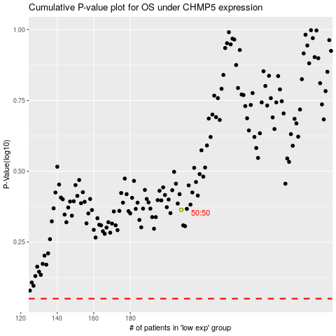

 |  |  |  |  |  | cases_OS | p_OS | rank | exp
 |  |  |  |  |  |  | cases_RFS | p_RFS | rank | exp

