CHN2 _multivariate
Reported by Tex Li-Hsing Chi. tex@gate.sinica.edu.tw 2019-08-21

Table 2. The clinicopathological features of HNSCC cohort and CHN2 expression. (Chi square test)
Cutoff at -0.309 (49.8%)
 |  | CHN2 expression |  | CHN2 expression |  | (Optimised)
 | Features | Low | (%) | High | (%) | Case no | P-value | Remark | Matthews
Gender | Female | 166 | 40 | 140 | 33.7 | 415 | 0.0041 | 1 | 0
2 | Male | 41 | 9.9 | 68 | 16.4
Age at diagnosis | <=65y | 140 | 33.7 | 134 | 32.3 | 415 | 0.5574 | 0 | 0
4 | >65y | 67 | 16.1 | 74 | 17.8
Clinical T Status | T1+T2 | 62 | 14.9 | 87 | 21 | 415 | 0.0156 | 1 | 0
6 | T3+T4 | 145 | 34.9 | 121 | 29.2
Clinical N Status | N0 | 99 | 23.9 | 117 | 28.2 | 415 | 0.1054 | 0 | 0
8 | N1-3 | 108 | 26 | 91 | 21.9
Clinical M Status | M0 | 205 | 49.4 | 207 | 49.9 | 415 | 0.6232 | 0 | 0
10 | M1 | 2 | 0.5 | 1 | 0.2
Clinical Stage | Stage I+II | 41 | 9.9 | 61 | 14.7 | 415 | 0.0325 | 1 | 0
12 | Stage III+IV | 166 | 40 | 147 | 35.4
Surgical Margin status | Negative | 158 | 38.1 | 160 | 38.6 | 415 | 0.9081 | 0 | 0
14 | Positive | 49 | 11.8 | 48 | 11.6
Tobacco Exposure | Low | 72 | 17.3 | 89 | 21.4 | 415 | 0.1071 | 0 | 0
16 | High | 135 | 32.5 | 119 | 28.7

Table 3. Univariate/Multivariate Cox's proportional hazards regression analyses on OS time of CHN2 gene expression in HNSCC

 |  | Univariate |  |  |  | Multivariate
 | Features | HR | CI95%(L) | CI95%(H) | P-value | HR | CI95%(L) | CI95%(H) | P-value
1 | Female | 1 |  |  |  | 1
Gender | Male | 1.157 | 0.843 | 1.587 | 0.367 | 1.187 | 0.848 | 1.662 | 0.317
11 | <=65y | 1 |  |  |  | 1
Age at diagnosis | >65y | 1.329 | 0.99 | 1.784 | 0.058 | 1.39 | 1.023 | 1.89 | 0.036
12 | T1+T2 | 1 |  |  |  | 1
Clinical T Status | T3+T4 | 1.409 | 1.028 | 1.931 | 0.033 | 2.216 | 1.171 | 4.193 | 0.014
13 | N0 | 1 |  |  |  | 1
Clinical N Status | N1-3 | 1.185 | 0.89 | 1.577 | 0.246 | 1.25 | 0.875 | 1.784 | 0.22
14 | M0 | 1 |  |  |  | 1
Clinical M Status | M1 | 4.097 | 1.009 | 16.644 | 0.049 | 9.619 | 2.095 | 44.17 | 0.004
15 | Stage I+II | 1 |  |  |  | 1
Clinical Stage | Stage III+IV | 1.245 | 0.882 | 1.759 | 0.213 | 0.505 | 0.235 | 1.083 | 0.079
16 | Negative | 1 |  |  |  | 1
Surgical Margin status | Positive | 1.591 | 1.155 | 2.191 | 0.004 | 1.662 | 1.203 | 2.298 | 0.002
17 | Low | 1 |  |  |  | 1
Tobacco Exposure | High | 1.364 | 1.008 | 1.844 | 0.044 | 1.454 | 1.056 | 2.003 | 0.022
18 | Low | 1 |  |  |  | 1
RNAseq(z-score) | High | 1.07 | 0.803 | 1.426 | 0.643 | 1.09 | 0.813 | 1.461 | 0.563

Table 4. Univariate/Multivariate Cox's proportional hazards regression analyses on RFS time of CHN2 gene expression in HNSCC

 |  | Univariate |  |  |  | Multivariate
 | Features | HR | CI95%(L) | CI95%(H) | P-value | HR | CI95%(L) | CI95%(H) | P-value
1 | Female | 1 |  |  |  | 1
Gender | Male | 1.157 | 0.843 | 1.587 | 0.367 | 1.187 | 0.848 | 1.662 | 0.317
11 | <=65y | 1 |  |  |  | 1
Age at diagnosis | >65y | 1.329 | 0.99 | 1.784 | 0.058 | 1.39 | 1.023 | 1.89 | 0.036
12 | T1+T2 | 1 |  |  |  | 1
Clinical T Status | T3+T4 | 1.409 | 1.028 | 1.931 | 0.033 | 2.216 | 1.171 | 4.193 | 0.014
13 | N0 | 1 |  |  |  | 1
Clinical N Status | N1-3 | 1.185 | 0.89 | 1.577 | 0.246 | 1.25 | 0.875 | 1.784 | 0.22
14 | M0 | 1 |  |  |  | 1
Clinical M Status | M1 | 4.097 | 1.009 | 16.644 | 0.049 | 9.619 | 2.095 | 44.17 | 0.004
15 | Stage I+II | 1 |  |  |  | 1
Clinical Stage | Stage III+IV | 1.245 | 0.882 | 1.759 | 0.213 | 0.505 | 0.235 | 1.083 | 0.079
16 | Negative | 1 |  |  |  | 1
Surgical Margin status | Positive | 1.591 | 1.155 | 2.191 | 0.004 | 1.662 | 1.203 | 2.298 | 0.002
17 | Low | 1 |  |  |  | 1
Tobacco Exposure | High | 1.364 | 1.008 | 1.844 | 0.044 | 1.454 | 1.056 | 2.003 | 0.022
18 | Low | 1 |  |  |  | 1
RNAseq(z-score) | High | 1.07 | 0.803 | 1.426 | 0.643 | 1.09 | 0.813 | 1.461 | 0.563

Kaplan-Meier survival estimate: Cutoff at -0.309 (49.8%)

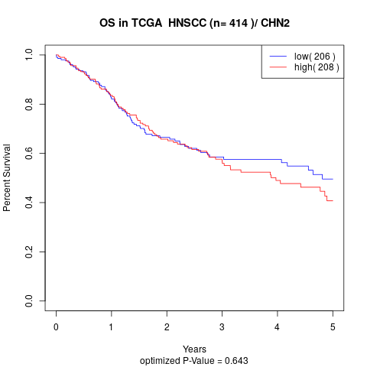

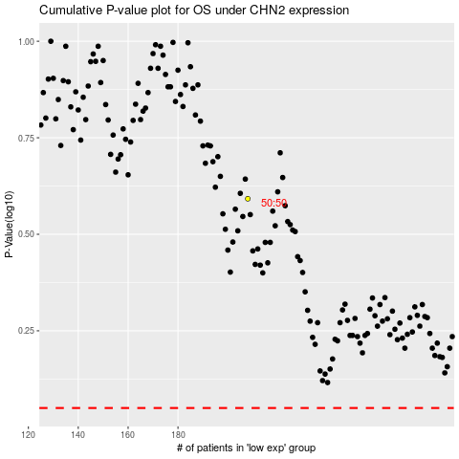

 |  |  |  |  |  | cases_OS | p_OS | rank | exp
 |  |  |  |  |  |  | cases_RFS | p_RFS | rank | exp

