CHORDC1 _multivariate
Reported by Tex Li-Hsing Chi. tex@gate.sinica.edu.tw 2019-08-21

Table 2. The clinicopathological features of HNSCC cohort and CHORDC1 expression. (Chi square test)
Cutoff at -0.048 (51.9%)
 |  | CHORDC1 expression |  | CHORDC1 expression |  | (Optimised)
 | Features | Low | (%) | High | (%) | Case no | P-value | Remark | Matthews
Gender | Female | 157 | 37.8 | 149 | 35.9 | 415 | 0.6931 | 0 | 0
2 | Male | 59 | 14.2 | 50 | 12
Age at diagnosis | <=65y | 138 | 33.3 | 136 | 32.8 | 415 | 0.3936 | 0 | 0
4 | >65y | 78 | 18.8 | 63 | 15.2
Clinical T Status | T1+T2 | 79 | 19 | 70 | 16.9 | 415 | 0.846 | 0 | 0
6 | T3+T4 | 137 | 33 | 129 | 31.1
Clinical N Status | N0 | 103 | 24.8 | 113 | 27.2 | 415 | 0.0792 | 0 | 0
8 | N1-3 | 113 | 27.2 | 86 | 20.7
Clinical M Status | M0 | 214 | 51.6 | 198 | 47.7 | 415 | 1 | 0 | 0
10 | M1 | 2 | 0.5 | 1 | 0.2
Clinical Stage | Stage I+II | 48 | 11.6 | 54 | 13 | 415 | 0.295 | 0 | 0
12 | Stage III+IV | 168 | 40.5 | 145 | 34.9
Surgical Margin status | Negative | 164 | 39.5 | 154 | 37.1 | 415 | 0.7295 | 0 | 0
14 | Positive | 52 | 12.5 | 45 | 10.8
Tobacco Exposure | Low | 90 | 21.7 | 71 | 17.1 | 415 | 0.2271 | 0 | 0
16 | High | 126 | 30.4 | 128 | 30.8

Table 3. Univariate/Multivariate Cox's proportional hazards regression analyses on OS time of CHORDC1 gene expression in HNSCC

 |  | Univariate |  |  |  | Multivariate
 | Features | HR | CI95%(L) | CI95%(H) | P-value | HR | CI95%(L) | CI95%(H) | P-value
1 | Female | 1 |  |  |  | 1
Gender | Male | 1.157 | 0.843 | 1.587 | 0.367 | 1.212 | 0.866 | 1.696 | 0.261
11 | <=65y | 1 |  |  |  | 1
Age at diagnosis | >65y | 1.329 | 0.99 | 1.784 | 0.058 | 1.444 | 1.062 | 1.963 | 0.019
12 | T1+T2 | 1 |  |  |  | 1
Clinical T Status | T3+T4 | 1.409 | 1.028 | 1.931 | 0.033 | 2.205 | 1.168 | 4.165 | 0.015
13 | N0 | 1 |  |  |  | 1
Clinical N Status | N1-3 | 1.185 | 0.89 | 1.577 | 0.246 | 1.317 | 0.922 | 1.883 | 0.13
14 | M0 | 1 |  |  |  | 1
Clinical M Status | M1 | 4.097 | 1.009 | 16.644 | 0.049 | 9.404 | 2.05 | 43.149 | 0.004
15 | Stage I+II | 1 |  |  |  | 1
Clinical Stage | Stage III+IV | 1.245 | 0.882 | 1.759 | 0.213 | 0.521 | 0.242 | 1.121 | 0.095
16 | Negative | 1 |  |  |  | 1
Surgical Margin status | Positive | 1.591 | 1.155 | 2.191 | 0.004 | 1.678 | 1.214 | 2.318 | 0.002
17 | Low | 1 |  |  |  | 1
Tobacco Exposure | High | 1.364 | 1.008 | 1.844 | 0.044 | 1.44 | 1.045 | 1.986 | 0.026
18 | Low | 1 |  |  |  | 1
RNAseq(z-score) | High | 1.391 | 1.044 | 1.853 | 0.024 | 1.51 | 1.124 | 2.028 | 0.006

Table 4. Univariate/Multivariate Cox's proportional hazards regression analyses on RFS time of CHORDC1 gene expression in HNSCC

 |  | Univariate |  |  |  | Multivariate
 | Features | HR | CI95%(L) | CI95%(H) | P-value | HR | CI95%(L) | CI95%(H) | P-value
1 | Female | 1 |  |  |  | 1
Gender | Male | 1.157 | 0.843 | 1.587 | 0.367 | 1.212 | 0.866 | 1.696 | 0.261
11 | <=65y | 1 |  |  |  | 1
Age at diagnosis | >65y | 1.329 | 0.99 | 1.784 | 0.058 | 1.444 | 1.062 | 1.963 | 0.019
12 | T1+T2 | 1 |  |  |  | 1
Clinical T Status | T3+T4 | 1.409 | 1.028 | 1.931 | 0.033 | 2.205 | 1.168 | 4.165 | 0.015
13 | N0 | 1 |  |  |  | 1
Clinical N Status | N1-3 | 1.185 | 0.89 | 1.577 | 0.246 | 1.317 | 0.922 | 1.883 | 0.13
14 | M0 | 1 |  |  |  | 1
Clinical M Status | M1 | 4.097 | 1.009 | 16.644 | 0.049 | 9.404 | 2.05 | 43.149 | 0.004
15 | Stage I+II | 1 |  |  |  | 1
Clinical Stage | Stage III+IV | 1.245 | 0.882 | 1.759 | 0.213 | 0.521 | 0.242 | 1.121 | 0.095
16 | Negative | 1 |  |  |  | 1
Surgical Margin status | Positive | 1.591 | 1.155 | 2.191 | 0.004 | 1.678 | 1.214 | 2.318 | 0.002
17 | Low | 1 |  |  |  | 1
Tobacco Exposure | High | 1.364 | 1.008 | 1.844 | 0.044 | 1.44 | 1.045 | 1.986 | 0.026
18 | Low | 1 |  |  |  | 1
RNAseq(z-score) | High | 1.391 | 1.044 | 1.853 | 0.024 | 1.51 | 1.124 | 2.028 | 0.006

Kaplan-Meier survival estimate: Cutoff at -0.048 (51.9%)

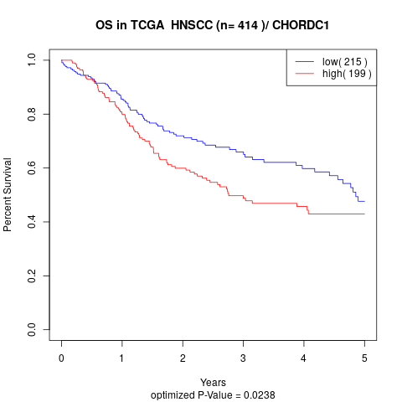

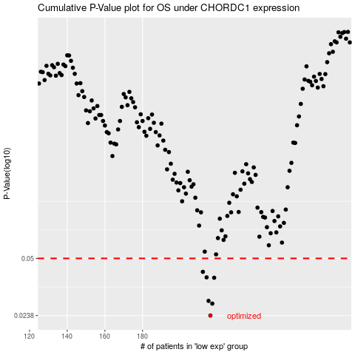

 |  |  |  |  |  | cases_OS | p_OS | rank | exp
 |  |  |  |  |  | 216 | 0.0238 | 322 | -0.047558607115
 |  |  |  |  |  | 217 | 0.0278 | 264 | -0.0374798906
 |  |  |  |  |  | 215 | 0.0288 | 234 | -0.048606963906
 |  |  |  |  |  | 218 | 0.0389 | 79 | -0.034177227069
 |  |  |  |  |  | 214 | 0.0391 | 111 | -0.054544331458
 |  |  |  |  |  | 212 | 0.042 | 23 | -0.059964766276
 |  |  |  |  |  |  | cases_RFS | p_RFS | rank | exp
 |  |  |  |  |  |  | 215 | 0.0238 | 234 | -0.048606963906
 |  |  |  |  |  |  | 216 | 0.0278 | 322 | -0.047558607115
 |  |  |  |  |  |  | 214 | 0.0288 | 111 | -0.054544331458
 |  |  |  |  |  |  | 217 | 0.0389 | 264 | -0.0374798906
 |  |  |  |  |  |  | 213 | 0.0391 | 403 | -0.057993946081
 |  |  |  |  |  |  | 211 | 0.042 | 271 | -0.065495018167

