CHP2 _multivariate
Reported by Tex Li-Hsing Chi. tex@gate.sinica.edu.tw 2019-08-21

Table 2. The clinicopathological features of HNSCC cohort and CHP2 expression. (Chi square test)
Cutoff at -0.381 (49.8%)
 |  | CHP2 expression |  | CHP2 expression |  | (Optimised)
 | Features | Low | (%) | High | (%) | Case no | P-value | Remark | Matthews
Gender | Female | 149 | 35.9 | 157 | 37.8 | 415 | 0.4848 | 0 | 0
2 | Male | 58 | 14 | 51 | 12.3
Age at diagnosis | <=65y | 137 | 33 | 137 | 33 | 415 | 1 | 0 | 0
4 | >65y | 70 | 16.9 | 71 | 17.1
Clinical T Status | T1+T2 | 75 | 18.1 | 74 | 17.8 | 415 | 0.9707 | 0 | 0
6 | T3+T4 | 132 | 31.8 | 134 | 32.3
Clinical N Status | N0 | 90 | 21.7 | 126 | 30.4 | 415 | 7e-04 | 1 | 0
8 | N1-3 | 117 | 28.2 | 82 | 19.8
Clinical M Status | M0 | 206 | 49.6 | 206 | 49.6 | 415 | 1 | 0 | 0
10 | M1 | 1 | 0.2 | 2 | 0.5
Clinical Stage | Stage I+II | 49 | 11.8 | 53 | 12.8 | 415 | 0.7535 | 0 | 0
12 | Stage III+IV | 158 | 38.1 | 155 | 37.3
Surgical Margin status | Negative | 159 | 38.3 | 159 | 38.3 | 415 | 1 | 0 | 0
14 | Positive | 48 | 11.6 | 49 | 11.8
Tobacco Exposure | Low | 86 | 20.7 | 75 | 18.1 | 415 | 0.2687 | 0 | 0
16 | High | 121 | 29.2 | 133 | 32

Table 3. Univariate/Multivariate Cox's proportional hazards regression analyses on OS time of CHP2 gene expression in HNSCC

 |  | Univariate |  |  |  | Multivariate
 | Features | HR | CI95%(L) | CI95%(H) | P-value | HR | CI95%(L) | CI95%(H) | P-value
1 | Female | 1 |  |  |  | 1
Gender | Male | 1.157 | 0.843 | 1.587 | 0.367 | 1.2 | 0.857 | 1.68 | 0.288
11 | <=65y | 1 |  |  |  | 1
Age at diagnosis | >65y | 1.329 | 0.99 | 1.784 | 0.058 | 1.392 | 1.024 | 1.892 | 0.035
12 | T1+T2 | 1 |  |  |  | 1
Clinical T Status | T3+T4 | 1.409 | 1.028 | 1.931 | 0.033 | 2.203 | 1.165 | 4.167 | 0.015
13 | N0 | 1 |  |  |  | 1
Clinical N Status | N1-3 | 1.185 | 0.89 | 1.577 | 0.246 | 1.238 | 0.861 | 1.779 | 0.25
14 | M0 | 1 |  |  |  | 1
Clinical M Status | M1 | 4.097 | 1.009 | 16.644 | 0.049 | 9.428 | 2.054 | 43.279 | 0.004
15 | Stage I+II | 1 |  |  |  | 1
Clinical Stage | Stage III+IV | 1.245 | 0.882 | 1.759 | 0.213 | 0.505 | 0.235 | 1.085 | 0.08
16 | Negative | 1 |  |  |  | 1
Surgical Margin status | Positive | 1.591 | 1.155 | 2.191 | 0.004 | 1.672 | 1.21 | 2.31 | 0.002
17 | Low | 1 |  |  |  | 1
Tobacco Exposure | High | 1.364 | 1.008 | 1.844 | 0.044 | 1.454 | 1.055 | 2.004 | 0.022
18 | Low | 1 |  |  |  | 1
RNAseq(z-score) | High | 0.978 | 0.734 | 1.304 | 0.88 | 0.99 | 0.735 | 1.334 | 0.946

Table 4. Univariate/Multivariate Cox's proportional hazards regression analyses on RFS time of CHP2 gene expression in HNSCC

 |  | Univariate |  |  |  | Multivariate
 | Features | HR | CI95%(L) | CI95%(H) | P-value | HR | CI95%(L) | CI95%(H) | P-value
1 | Female | 1 |  |  |  | 1
Gender | Male | 1.157 | 0.843 | 1.587 | 0.367 | 1.2 | 0.857 | 1.68 | 0.288
11 | <=65y | 1 |  |  |  | 1
Age at diagnosis | >65y | 1.329 | 0.99 | 1.784 | 0.058 | 1.392 | 1.024 | 1.892 | 0.035
12 | T1+T2 | 1 |  |  |  | 1
Clinical T Status | T3+T4 | 1.409 | 1.028 | 1.931 | 0.033 | 2.203 | 1.165 | 4.167 | 0.015
13 | N0 | 1 |  |  |  | 1
Clinical N Status | N1-3 | 1.185 | 0.89 | 1.577 | 0.246 | 1.238 | 0.861 | 1.779 | 0.25
14 | M0 | 1 |  |  |  | 1
Clinical M Status | M1 | 4.097 | 1.009 | 16.644 | 0.049 | 9.428 | 2.054 | 43.279 | 0.004
15 | Stage I+II | 1 |  |  |  | 1
Clinical Stage | Stage III+IV | 1.245 | 0.882 | 1.759 | 0.213 | 0.505 | 0.235 | 1.085 | 0.08
16 | Negative | 1 |  |  |  | 1
Surgical Margin status | Positive | 1.591 | 1.155 | 2.191 | 0.004 | 1.672 | 1.21 | 2.31 | 0.002
17 | Low | 1 |  |  |  | 1
Tobacco Exposure | High | 1.364 | 1.008 | 1.844 | 0.044 | 1.454 | 1.055 | 2.004 | 0.022
18 | Low | 1 |  |  |  | 1
RNAseq(z-score) | High | 0.978 | 0.734 | 1.304 | 0.88 | 0.99 | 0.735 | 1.334 | 0.946

Kaplan-Meier survival estimate: Cutoff at -0.381 (49.8%)



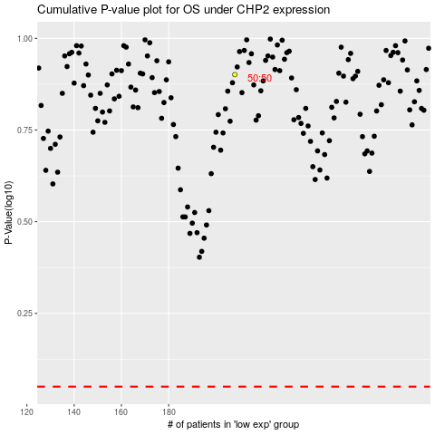

 |  |  |  |  |  | cases_OS | p_OS | rank | exp
 |  |  |  |  |  |  | cases_RFS | p_RFS | rank | exp

