CHPF _multivariate
Reported by Tex Li-Hsing Chi. tex@gate.sinica.edu.tw 2019-08-21

Table 2. The clinicopathological features of HNSCC cohort and CHPF expression. (Chi square test)
Cutoff at -0.373 (31.2%)
 |  | CHPF expression |  | CHPF expression |  | (Optimised)
 | Features | Low | (%) | High | (%) | Case no | P-value | Remark | Matthews
Gender | Female | 100 | 24.1 | 206 | 49.6 | 415 | 0.2909 | 0 | 0
2 | Male | 29 | 7 | 80 | 19.3
Age at diagnosis | <=65y | 88 | 21.2 | 186 | 44.8 | 415 | 0.602 | 0 | 0
4 | >65y | 41 | 9.9 | 100 | 24.1
Clinical T Status | T1+T2 | 46 | 11.1 | 103 | 24.8 | 415 | 1 | 0 | 0
6 | T3+T4 | 83 | 20 | 183 | 44.1
Clinical N Status | N0 | 60 | 14.5 | 156 | 37.6 | 415 | 0.1585 | 0 | 0
8 | N1-3 | 69 | 16.6 | 130 | 31.3
Clinical M Status | M0 | 129 | 31.1 | 283 | 68.2 | 415 | 0.5554 | 0 | 0
10 | M1 | 0 | 0 | 3 | 0.7
Clinical Stage | Stage I+II | 26 | 6.3 | 76 | 18.3 | 415 | 0.1997 | 0 | 0
12 | Stage III+IV | 103 | 24.8 | 210 | 50.6
Surgical Margin status | Negative | 98 | 23.6 | 220 | 53 | 415 | 0.9003 | 0 | 0
14 | Positive | 31 | 7.5 | 66 | 15.9
Tobacco Exposure | Low | 46 | 11.1 | 115 | 27.7 | 415 | 0.3866 | 0 | 0
16 | High | 83 | 20 | 171 | 41.2

Table 3. Univariate/Multivariate Cox's proportional hazards regression analyses on OS time of CHPF gene expression in HNSCC

 |  | Univariate |  |  |  | Multivariate
 | Features | HR | CI95%(L) | CI95%(H) | P-value | HR | CI95%(L) | CI95%(H) | P-value
1 | Female | 1 |  |  |  | 1
Gender | Male | 1.157 | 0.843 | 1.587 | 0.367 | 1.167 | 0.835 | 1.632 | 0.367
11 | <=65y | 1 |  |  |  | 1
Age at diagnosis | >65y | 1.329 | 0.99 | 1.784 | 0.058 | 1.409 | 1.037 | 1.915 | 0.029
12 | T1+T2 | 1 |  |  |  | 1
Clinical T Status | T3+T4 | 1.409 | 1.028 | 1.931 | 0.033 | 2.053 | 1.083 | 3.892 | 0.028
13 | N0 | 1 |  |  |  | 1
Clinical N Status | N1-3 | 1.185 | 0.89 | 1.577 | 0.246 | 1.247 | 0.874 | 1.778 | 0.223
14 | M0 | 1 |  |  |  | 1
Clinical M Status | M1 | 4.097 | 1.009 | 16.644 | 0.049 | 7.815 | 1.693 | 36.077 | 0.008
15 | Stage I+II | 1 |  |  |  | 1
Clinical Stage | Stage III+IV | 1.245 | 0.882 | 1.759 | 0.213 | 0.558 | 0.259 | 1.204 | 0.137
16 | Negative | 1 |  |  |  | 1
Surgical Margin status | Positive | 1.591 | 1.155 | 2.191 | 0.004 | 1.645 | 1.191 | 2.271 | 0.003
17 | Low | 1 |  |  |  | 1
Tobacco Exposure | High | 1.364 | 1.008 | 1.844 | 0.044 | 1.447 | 1.05 | 1.993 | 0.024
18 | Low | 1 |  |  |  | 1
RNAseq(z-score) | High | 1.468 | 1.057 | 2.04 | 0.022 | 1.432 | 1.025 | 2.001 | 0.035

Table 4. Univariate/Multivariate Cox's proportional hazards regression analyses on RFS time of CHPF gene expression in HNSCC

 |  | Univariate |  |  |  | Multivariate
 | Features | HR | CI95%(L) | CI95%(H) | P-value | HR | CI95%(L) | CI95%(H) | P-value
1 | Female | 1 |  |  |  | 1
Gender | Male | 1.157 | 0.843 | 1.587 | 0.367 | 1.167 | 0.835 | 1.632 | 0.367
11 | <=65y | 1 |  |  |  | 1
Age at diagnosis | >65y | 1.329 | 0.99 | 1.784 | 0.058 | 1.409 | 1.037 | 1.915 | 0.029
12 | T1+T2 | 1 |  |  |  | 1
Clinical T Status | T3+T4 | 1.409 | 1.028 | 1.931 | 0.033 | 2.053 | 1.083 | 3.892 | 0.028
13 | N0 | 1 |  |  |  | 1
Clinical N Status | N1-3 | 1.185 | 0.89 | 1.577 | 0.246 | 1.247 | 0.874 | 1.778 | 0.223
14 | M0 | 1 |  |  |  | 1
Clinical M Status | M1 | 4.097 | 1.009 | 16.644 | 0.049 | 7.815 | 1.693 | 36.077 | 0.008
15 | Stage I+II | 1 |  |  |  | 1
Clinical Stage | Stage III+IV | 1.245 | 0.882 | 1.759 | 0.213 | 0.558 | 0.259 | 1.204 | 0.137
16 | Negative | 1 |  |  |  | 1
Surgical Margin status | Positive | 1.591 | 1.155 | 2.191 | 0.004 | 1.645 | 1.191 | 2.271 | 0.003
17 | Low | 1 |  |  |  | 1
Tobacco Exposure | High | 1.364 | 1.008 | 1.844 | 0.044 | 1.447 | 1.05 | 1.993 | 0.024
18 | Low | 1 |  |  |  | 1
RNAseq(z-score) | High | 1.468 | 1.057 | 2.04 | 0.022 | 1.432 | 1.025 | 2.001 | 0.035

Kaplan-Meier survival estimate: Cutoff at -0.373 (31.2%)

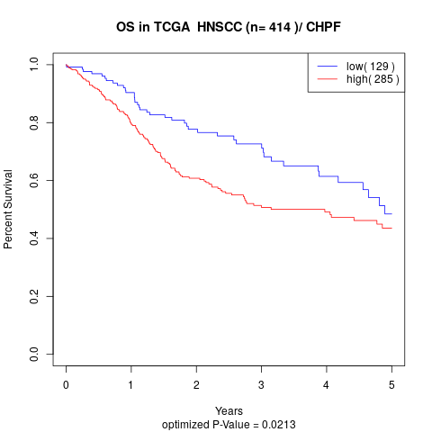

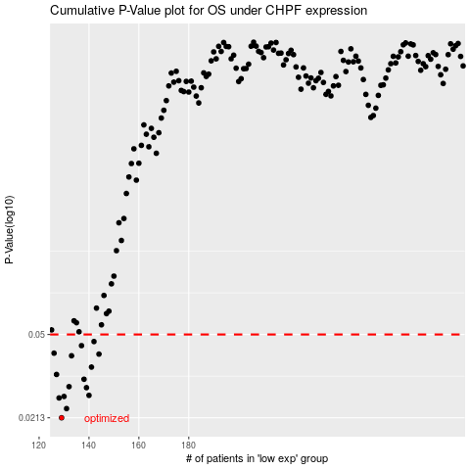

 |  |  |  |  |  | cases_OS | p_OS | rank | exp
 |  |  |  |  |  | 129 | 0.0213 | 209 | -0.37283773344
 |  |  |  |  |  | 131 | 0.0234 | 56 | -0.36453261358
 |  |  |  |  |  | 128 | 0.0261 | 168 | -0.37435497846
 |  |  |  |  |  | 130 | 0.0265 | 386 | -0.36721093501
 |  |  |  |  |  | 140 | 0.0268 | 54 | -0.33868598957
 |  |  |  |  |  | 139 | 0.029 | 46 | -0.34103710189
 |  |  |  |  |  | 132 | 0.0293 | 133 | -0.3588651387
 |  |  |  |  |  | 138 | 0.0316 | 395 | -0.34149449563
 |  |  |  |  |  | 127 | 0.0332 | 255 | -0.37568009215
 |  |  |  |  |  | 141 | 0.0358 | 237 | -0.33517876058
 |  |  |  |  |  | 133 | 0.0402 | 370 | -0.35885395434
 |  |  |  |  |  | 144 | 0.0409 | 308 | -0.33080527625
 |  |  |  |  |  | 126 | 0.0413 | 84 | -0.38075376404
 |  |  |  |  |  | 137 | 0.0446 | 368 | -0.3469561583
 |  |  |  |  |  | 142 | 0.0465 | 216 | -0.33326660112
 |  |  |  |  |  |  | cases_RFS | p_RFS | rank | exp
 |  |  |  |  |  |  | 128 | 0.0213 | 168 | -0.37435497846
 |  |  |  |  |  |  | 130 | 0.0234 | 386 | -0.36721093501
 |  |  |  |  |  |  | 127 | 0.0261 | 255 | -0.37568009215
 |  |  |  |  |  |  | 129 | 0.0265 | 209 | -0.37283773344
 |  |  |  |  |  |  | 139 | 0.0268 | 46 | -0.34103710189
 |  |  |  |  |  |  | 138 | 0.029 | 395 | -0.34149449563
 |  |  |  |  |  |  | 131 | 0.0293 | 56 | -0.36453261358
 |  |  |  |  |  |  | 137 | 0.0316 | 368 | -0.3469561583
 |  |  |  |  |  |  | 126 | 0.0332 | 84 | -0.38075376404
 |  |  |  |  |  |  | 140 | 0.0358 | 54 | -0.33868598957
 |  |  |  |  |  |  | 132 | 0.0402 | 133 | -0.3588651387
 |  |  |  |  |  |  | 143 | 0.0409 | 205 | -0.3314016756
 |  |  |  |  |  |  | 125 | 0.0413 | 44 | -0.38325539921
 |  |  |  |  |  |  | 136 | 0.0446 | 187 | -0.34723603361
 |  |  |  |  |  |  | 141 | 0.0465 | 237 | -0.33517876058

