CHPF2 _multivariate
Reported by Tex Li-Hsing Chi. tex@gate.sinica.edu.tw 2019-08-21

Table 2. The clinicopathological features of HNSCC cohort and CHPF2 expression. (Chi square test)
Cutoff at -0.014 (50.0%)
 |  | CHPF2 expression |  | CHPF2 expression |  | (Optimised)
 | Features | Low | (%) | High | (%) | Case no | P-value | Remark | Matthews
Gender | Female | 153 | 36.9 | 153 | 36.9 | 415 | 1 | 0 | 0
2 | Male | 54 | 13 | 55 | 13.3
Age at diagnosis | <=65y | 138 | 33.3 | 136 | 32.8 | 415 | 0.8634 | 0 | 0
4 | >65y | 69 | 16.6 | 72 | 17.3
Clinical T Status | T1+T2 | 76 | 18.3 | 73 | 17.6 | 415 | 0.8092 | 0 | 0
6 | T3+T4 | 131 | 31.6 | 135 | 32.5
Clinical N Status | N0 | 109 | 26.3 | 107 | 25.8 | 415 | 0.8812 | 0 | 0
8 | N1-3 | 98 | 23.6 | 101 | 24.3
Clinical M Status | M0 | 206 | 49.6 | 206 | 49.6 | 415 | 1 | 0 | 0
10 | M1 | 1 | 0.2 | 2 | 0.5
Clinical Stage | Stage I+II | 48 | 11.6 | 54 | 13 | 415 | 0.5878 | 0 | 0
12 | Stage III+IV | 159 | 38.3 | 154 | 37.1
Surgical Margin status | Negative | 154 | 37.1 | 164 | 39.5 | 415 | 0.2984 | 0 | 0
14 | Positive | 53 | 12.8 | 44 | 10.6
Tobacco Exposure | Low | 81 | 19.5 | 80 | 19.3 | 415 | 0.9199 | 0 | 0
16 | High | 126 | 30.4 | 128 | 30.8

Table 3. Univariate/Multivariate Cox's proportional hazards regression analyses on OS time of CHPF2 gene expression in HNSCC

 |  | Univariate |  |  |  | Multivariate
 | Features | HR | CI95%(L) | CI95%(H) | P-value | HR | CI95%(L) | CI95%(H) | P-value
1 | Female | 1 |  |  |  | 1
Gender | Male | 1.157 | 0.843 | 1.587 | 0.367 | 1.208 | 0.864 | 1.687 | 0.269
11 | <=65y | 1 |  |  |  | 1
Age at diagnosis | >65y | 1.329 | 0.99 | 1.784 | 0.058 | 1.389 | 1.022 | 1.888 | 0.036
12 | T1+T2 | 1 |  |  |  | 1
Clinical T Status | T3+T4 | 1.409 | 1.028 | 1.931 | 0.033 | 2.171 | 1.148 | 4.106 | 0.017
13 | N0 | 1 |  |  |  | 1
Clinical N Status | N1-3 | 1.185 | 0.89 | 1.577 | 0.246 | 1.238 | 0.868 | 1.767 | 0.238
14 | M0 | 1 |  |  |  | 1
Clinical M Status | M1 | 4.097 | 1.009 | 16.644 | 0.049 | 9.127 | 1.989 | 41.896 | 0.004
15 | Stage I+II | 1 |  |  |  | 1
Clinical Stage | Stage III+IV | 1.245 | 0.882 | 1.759 | 0.213 | 0.518 | 0.241 | 1.115 | 0.093
16 | Negative | 1 |  |  |  | 1
Surgical Margin status | Positive | 1.591 | 1.155 | 2.191 | 0.004 | 1.686 | 1.22 | 2.329 | 0.002
17 | Low | 1 |  |  |  | 1
Tobacco Exposure | High | 1.364 | 1.008 | 1.844 | 0.044 | 1.444 | 1.048 | 1.989 | 0.025
18 | Low | 1 |  |  |  | 1
RNAseq(z-score) | High | 1.147 | 0.86 | 1.528 | 0.35 | 1.138 | 0.852 | 1.52 | 0.383

Table 4. Univariate/Multivariate Cox's proportional hazards regression analyses on RFS time of CHPF2 gene expression in HNSCC

 |  | Univariate |  |  |  | Multivariate
 | Features | HR | CI95%(L) | CI95%(H) | P-value | HR | CI95%(L) | CI95%(H) | P-value
1 | Female | 1 |  |  |  | 1
Gender | Male | 1.157 | 0.843 | 1.587 | 0.367 | 1.208 | 0.864 | 1.687 | 0.269
11 | <=65y | 1 |  |  |  | 1
Age at diagnosis | >65y | 1.329 | 0.99 | 1.784 | 0.058 | 1.389 | 1.022 | 1.888 | 0.036
12 | T1+T2 | 1 |  |  |  | 1
Clinical T Status | T3+T4 | 1.409 | 1.028 | 1.931 | 0.033 | 2.171 | 1.148 | 4.106 | 0.017
13 | N0 | 1 |  |  |  | 1
Clinical N Status | N1-3 | 1.185 | 0.89 | 1.577 | 0.246 | 1.238 | 0.868 | 1.767 | 0.238
14 | M0 | 1 |  |  |  | 1
Clinical M Status | M1 | 4.097 | 1.009 | 16.644 | 0.049 | 9.127 | 1.989 | 41.896 | 0.004
15 | Stage I+II | 1 |  |  |  | 1
Clinical Stage | Stage III+IV | 1.245 | 0.882 | 1.759 | 0.213 | 0.518 | 0.241 | 1.115 | 0.093
16 | Negative | 1 |  |  |  | 1
Surgical Margin status | Positive | 1.591 | 1.155 | 2.191 | 0.004 | 1.686 | 1.22 | 2.329 | 0.002
17 | Low | 1 |  |  |  | 1
Tobacco Exposure | High | 1.364 | 1.008 | 1.844 | 0.044 | 1.444 | 1.048 | 1.989 | 0.025
18 | Low | 1 |  |  |  | 1
RNAseq(z-score) | High | 1.147 | 0.86 | 1.528 | 0.35 | 1.138 | 0.852 | 1.52 | 0.383

Kaplan-Meier survival estimate: Cutoff at -0.014 (50.0%)

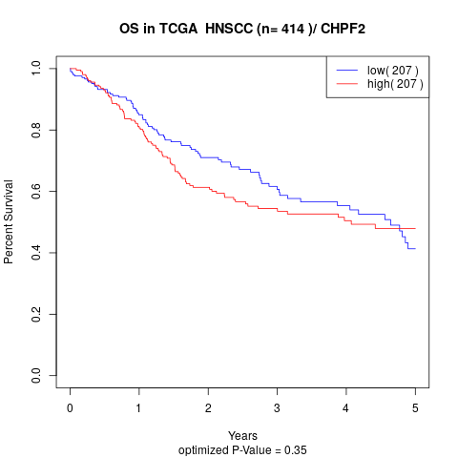

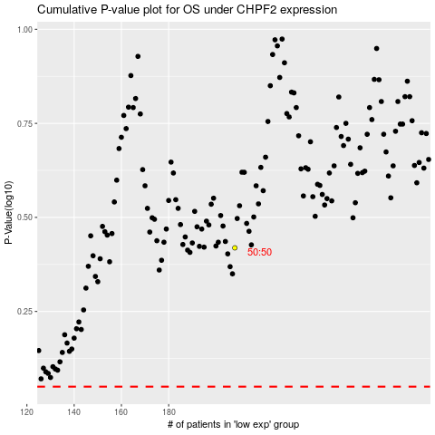

 |  |  |  |  |  | cases_OS | p_OS | rank | exp
 |  |  |  |  |  |  | cases_RFS | p_RFS | rank | exp

