CHRDL1 _multivariate
Reported by Tex Li-Hsing Chi. tex@gate.sinica.edu.tw 2019-08-21

Table 2. The clinicopathological features of HNSCC cohort and CHRDL1 expression. (Chi square test)
Cutoff at -0.329 (50.0%)
 |  | CHRDL1 expression |  | CHRDL1 expression |  | (Optimised)
 | Features | Low | (%) | High | (%) | Case no | P-value | Remark | Matthews
Gender | Female | 158 | 38.1 | 148 | 35.7 | 415 | 0.2774 | 0 | 0
2 | Male | 49 | 11.8 | 60 | 14.5
Age at diagnosis | <=65y | 132 | 31.8 | 142 | 34.2 | 415 | 0.3874 | 0 | 0
4 | >65y | 75 | 18.1 | 66 | 15.9
Clinical T Status | T1+T2 | 65 | 15.7 | 84 | 20.2 | 415 | 0.0711 | 0 | 0
6 | T3+T4 | 142 | 34.2 | 124 | 29.9
Clinical N Status | N0 | 115 | 27.7 | 101 | 24.3 | 415 | 0.184 | 1 | 0
8 | N1-3 | 92 | 22.2 | 107 | 25.8
Clinical M Status | M0 | 205 | 49.4 | 207 | 49.9 | 415 | 0.6232 | 0 | 0
10 | M1 | 2 | 0.5 | 1 | 0.2
Clinical Stage | Stage I+II | 46 | 11.1 | 56 | 13.5 | 415 | 0.3182 | 0 | 0
12 | Stage III+IV | 161 | 38.8 | 152 | 36.6
Surgical Margin status | Negative | 161 | 38.8 | 157 | 37.8 | 415 | 0.6429 | 0 | 0
14 | Positive | 46 | 11.1 | 51 | 12.3
Tobacco Exposure | Low | 86 | 20.7 | 75 | 18.1 | 415 | 0.2687 | 0 | 0
16 | High | 121 | 29.2 | 133 | 32

Table 3. Univariate/Multivariate Cox's proportional hazards regression analyses on OS time of CHRDL1 gene expression in HNSCC

 |  | Univariate |  |  |  | Multivariate
 | Features | HR | CI95%(L) | CI95%(H) | P-value | HR | CI95%(L) | CI95%(H) | P-value
1 | Female | 1 |  |  |  | 1
Gender | Male | 1.157 | 0.843 | 1.587 | 0.367 | 1.185 | 0.848 | 1.658 | 0.321
11 | <=65y | 1 |  |  |  | 1
Age at diagnosis | >65y | 1.329 | 0.99 | 1.784 | 0.058 | 1.402 | 1.031 | 1.907 | 0.031
12 | T1+T2 | 1 |  |  |  | 1
Clinical T Status | T3+T4 | 1.409 | 1.028 | 1.931 | 0.033 | 2.218 | 1.173 | 4.195 | 0.014
13 | N0 | 1 |  |  |  | 1
Clinical N Status | N1-3 | 1.185 | 0.89 | 1.577 | 0.246 | 1.223 | 0.856 | 1.748 | 0.268
14 | M0 | 1 |  |  |  | 1
Clinical M Status | M1 | 4.097 | 1.009 | 16.644 | 0.049 | 9.829 | 2.137 | 45.2 | 0.003
15 | Stage I+II | 1 |  |  |  | 1
Clinical Stage | Stage III+IV | 1.245 | 0.882 | 1.759 | 0.213 | 0.511 | 0.238 | 1.097 | 0.085
16 | Negative | 1 |  |  |  | 1
Surgical Margin status | Positive | 1.591 | 1.155 | 2.191 | 0.004 | 1.662 | 1.203 | 2.297 | 0.002
17 | Low | 1 |  |  |  | 1
Tobacco Exposure | High | 1.364 | 1.008 | 1.844 | 0.044 | 1.438 | 1.044 | 1.982 | 0.026
18 | Low | 1 |  |  |  | 1
RNAseq(z-score) | High | 1.134 | 0.851 | 1.513 | 0.391 | 1.139 | 0.849 | 1.528 | 0.384

Table 4. Univariate/Multivariate Cox's proportional hazards regression analyses on RFS time of CHRDL1 gene expression in HNSCC

 |  | Univariate |  |  |  | Multivariate
 | Features | HR | CI95%(L) | CI95%(H) | P-value | HR | CI95%(L) | CI95%(H) | P-value
1 | Female | 1 |  |  |  | 1
Gender | Male | 1.157 | 0.843 | 1.587 | 0.367 | 1.185 | 0.848 | 1.658 | 0.321
11 | <=65y | 1 |  |  |  | 1
Age at diagnosis | >65y | 1.329 | 0.99 | 1.784 | 0.058 | 1.402 | 1.031 | 1.907 | 0.031
12 | T1+T2 | 1 |  |  |  | 1
Clinical T Status | T3+T4 | 1.409 | 1.028 | 1.931 | 0.033 | 2.218 | 1.173 | 4.195 | 0.014
13 | N0 | 1 |  |  |  | 1
Clinical N Status | N1-3 | 1.185 | 0.89 | 1.577 | 0.246 | 1.223 | 0.856 | 1.748 | 0.268
14 | M0 | 1 |  |  |  | 1
Clinical M Status | M1 | 4.097 | 1.009 | 16.644 | 0.049 | 9.829 | 2.137 | 45.2 | 0.003
15 | Stage I+II | 1 |  |  |  | 1
Clinical Stage | Stage III+IV | 1.245 | 0.882 | 1.759 | 0.213 | 0.511 | 0.238 | 1.097 | 0.085
16 | Negative | 1 |  |  |  | 1
Surgical Margin status | Positive | 1.591 | 1.155 | 2.191 | 0.004 | 1.662 | 1.203 | 2.297 | 0.002
17 | Low | 1 |  |  |  | 1
Tobacco Exposure | High | 1.364 | 1.008 | 1.844 | 0.044 | 1.438 | 1.044 | 1.982 | 0.026
18 | Low | 1 |  |  |  | 1
RNAseq(z-score) | High | 1.134 | 0.851 | 1.513 | 0.391 | 1.139 | 0.849 | 1.528 | 0.384

Kaplan-Meier survival estimate: Cutoff at -0.329 (50.0%)



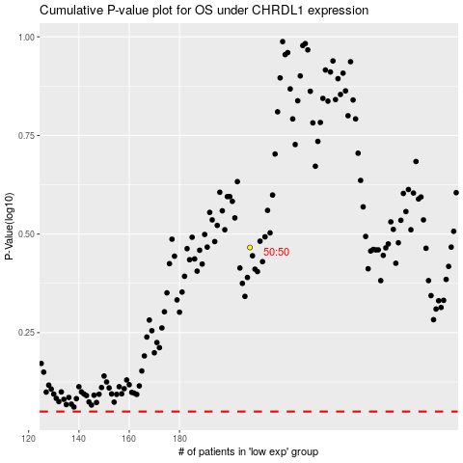

 |  |  |  |  |  | cases_OS | p_OS | rank | exp
 |  |  |  |  |  |  | cases_RFS | p_RFS | rank | exp

