CHRDL2 _multivariate
Reported by Tex Li-Hsing Chi. tex@gate.sinica.edu.tw 2019-08-21

Table 2. The clinicopathological features of HNSCC cohort and CHRDL2 expression. (Chi square test)
Cutoff at -0.268 (50.0%)
 |  | CHRDL2 expression |  | CHRDL2 expression |  | (Optimised)
 | Features | Low | (%) | High | (%) | Case no | P-value | Remark | Matthews
Gender | Female | 158 | 38.1 | 148 | 35.7 | 415 | 0.2774 | 0 | 0
2 | Male | 49 | 11.8 | 60 | 14.5
Age at diagnosis | <=65y | 131 | 31.6 | 143 | 34.5 | 415 | 0.2839 | 0 | 0
4 | >65y | 76 | 18.3 | 65 | 15.7
Clinical T Status | T1+T2 | 63 | 15.2 | 86 | 20.7 | 415 | 0.0268 | 1 | 0
6 | T3+T4 | 144 | 34.7 | 122 | 29.4
Clinical N Status | N0 | 97 | 23.4 | 119 | 28.7 | 415 | 0.0442 | 1 | 0
8 | N1-3 | 110 | 26.5 | 89 | 21.4
Clinical M Status | M0 | 204 | 49.2 | 208 | 50.1 | 415 | 0.1232 | 0 | 0
10 | M1 | 3 | 0.7 | 0 | 0
Clinical Stage | Stage I+II | 41 | 9.9 | 61 | 14.7 | 415 | 0.0325 | 1 | 0
12 | Stage III+IV | 166 | 40 | 147 | 35.4
Surgical Margin status | Negative | 154 | 37.1 | 164 | 39.5 | 415 | 0.2984 | 0 | 0
14 | Positive | 53 | 12.8 | 44 | 10.6
Tobacco Exposure | Low | 85 | 20.5 | 76 | 18.3 | 415 | 0.3655 | 0 | 0
16 | High | 122 | 29.4 | 132 | 31.8

Table 3. Univariate/Multivariate Cox's proportional hazards regression analyses on OS time of CHRDL2 gene expression in HNSCC

 |  | Univariate |  |  |  | Multivariate
 | Features | HR | CI95%(L) | CI95%(H) | P-value | HR | CI95%(L) | CI95%(H) | P-value
1 | Female | 1 |  |  |  | 1
Gender | Male | 1.157 | 0.843 | 1.587 | 0.367 | 1.214 | 0.867 | 1.701 | 0.259
11 | <=65y | 1 |  |  |  | 1
Age at diagnosis | >65y | 1.329 | 0.99 | 1.784 | 0.058 | 1.379 | 1.013 | 1.878 | 0.041
12 | T1+T2 | 1 |  |  |  | 1
Clinical T Status | T3+T4 | 1.409 | 1.028 | 1.931 | 0.033 | 2.193 | 1.159 | 4.147 | 0.016
13 | N0 | 1 |  |  |  | 1
Clinical N Status | N1-3 | 1.185 | 0.89 | 1.577 | 0.246 | 1.227 | 0.858 | 1.755 | 0.262
14 | M0 | 1 |  |  |  | 1
Clinical M Status | M1 | 4.097 | 1.009 | 16.644 | 0.049 | 9.101 | 1.975 | 41.931 | 0.005
15 | Stage I+II | 1 |  |  |  | 1
Clinical Stage | Stage III+IV | 1.245 | 0.882 | 1.759 | 0.213 | 0.506 | 0.236 | 1.086 | 0.08
16 | Negative | 1 |  |  |  | 1
Surgical Margin status | Positive | 1.591 | 1.155 | 2.191 | 0.004 | 1.677 | 1.213 | 2.318 | 0.002
17 | Low | 1 |  |  |  | 1
Tobacco Exposure | High | 1.364 | 1.008 | 1.844 | 0.044 | 1.465 | 1.061 | 2.022 | 0.02
18 | Low | 1 |  |  |  | 1
RNAseq(z-score) | High | 0.899 | 0.675 | 1.197 | 0.466 | 0.925 | 0.688 | 1.244 | 0.607

Table 4. Univariate/Multivariate Cox's proportional hazards regression analyses on RFS time of CHRDL2 gene expression in HNSCC

 |  | Univariate |  |  |  | Multivariate
 | Features | HR | CI95%(L) | CI95%(H) | P-value | HR | CI95%(L) | CI95%(H) | P-value
1 | Female | 1 |  |  |  | 1
Gender | Male | 1.157 | 0.843 | 1.587 | 0.367 | 1.214 | 0.867 | 1.701 | 0.259
11 | <=65y | 1 |  |  |  | 1
Age at diagnosis | >65y | 1.329 | 0.99 | 1.784 | 0.058 | 1.379 | 1.013 | 1.878 | 0.041
12 | T1+T2 | 1 |  |  |  | 1
Clinical T Status | T3+T4 | 1.409 | 1.028 | 1.931 | 0.033 | 2.193 | 1.159 | 4.147 | 0.016
13 | N0 | 1 |  |  |  | 1
Clinical N Status | N1-3 | 1.185 | 0.89 | 1.577 | 0.246 | 1.227 | 0.858 | 1.755 | 0.262
14 | M0 | 1 |  |  |  | 1
Clinical M Status | M1 | 4.097 | 1.009 | 16.644 | 0.049 | 9.101 | 1.975 | 41.931 | 0.005
15 | Stage I+II | 1 |  |  |  | 1
Clinical Stage | Stage III+IV | 1.245 | 0.882 | 1.759 | 0.213 | 0.506 | 0.236 | 1.086 | 0.08
16 | Negative | 1 |  |  |  | 1
Surgical Margin status | Positive | 1.591 | 1.155 | 2.191 | 0.004 | 1.677 | 1.213 | 2.318 | 0.002
17 | Low | 1 |  |  |  | 1
Tobacco Exposure | High | 1.364 | 1.008 | 1.844 | 0.044 | 1.465 | 1.061 | 2.022 | 0.02
18 | Low | 1 |  |  |  | 1
RNAseq(z-score) | High | 0.899 | 0.675 | 1.197 | 0.466 | 0.925 | 0.688 | 1.244 | 0.607

Kaplan-Meier survival estimate: Cutoff at -0.268 (50.0%)



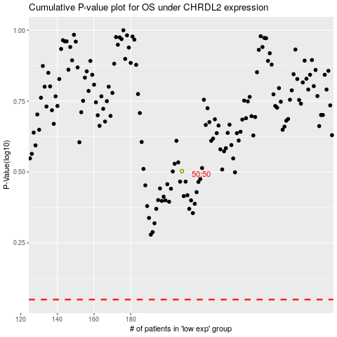

 |  |  |  |  |  | cases_OS | p_OS | rank | exp
 |  |  |  |  |  |  | cases_RFS | p_RFS | rank | exp

