CHRM3 _multivariate
Reported by Tex Li-Hsing Chi. tex@gate.sinica.edu.tw 2019-08-21

Table 2. The clinicopathological features of HNSCC cohort and CHRM3 expression. (Chi square test)
Cutoff at -0.238 (49.8%)
 |  | CHRM3 expression |  | CHRM3 expression |  | (Optimised)
 | Features | Low | (%) | High | (%) | Case no | P-value | Remark | Matthews
Gender | Female | 154 | 37.1 | 152 | 36.6 | 415 | 0.8463 | 0 | 0
2 | Male | 53 | 12.8 | 56 | 13.5
Age at diagnosis | <=65y | 140 | 33.7 | 134 | 32.3 | 415 | 0.5574 | 0 | 0
4 | >65y | 67 | 16.1 | 74 | 17.8
Clinical T Status | T1+T2 | 84 | 20.2 | 65 | 15.7 | 415 | 0.0603 | 0 | 0
6 | T3+T4 | 123 | 29.6 | 143 | 34.5
Clinical N Status | N0 | 100 | 24.1 | 116 | 28 | 415 | 0.1548 | 0 | 0
8 | N1-3 | 107 | 25.8 | 92 | 22.2
Clinical M Status | M0 | 206 | 49.6 | 206 | 49.6 | 415 | 1 | 0 | 0
10 | M1 | 1 | 0.2 | 2 | 0.5
Clinical Stage | Stage I+II | 58 | 14 | 44 | 10.6 | 415 | 0.131 | 0 | 0
12 | Stage III+IV | 149 | 35.9 | 164 | 39.5
Surgical Margin status | Negative | 159 | 38.3 | 159 | 38.3 | 415 | 1 | 0 | 0
14 | Positive | 48 | 11.6 | 49 | 11.8
Tobacco Exposure | Low | 97 | 23.4 | 64 | 15.4 | 415 | 9e-04 | 1 | 0
16 | High | 110 | 26.5 | 144 | 34.7

Table 3. Univariate/Multivariate Cox's proportional hazards regression analyses on OS time of CHRM3 gene expression in HNSCC

 |  | Univariate |  |  |  | Multivariate
 | Features | HR | CI95%(L) | CI95%(H) | P-value | HR | CI95%(L) | CI95%(H) | P-value
1 | Female | 1 |  |  |  | 1
Gender | Male | 1.157 | 0.843 | 1.587 | 0.367 | 1.199 | 0.858 | 1.675 | 0.288
11 | <=65y | 1 |  |  |  | 1
Age at diagnosis | >65y | 1.329 | 0.99 | 1.784 | 0.058 | 1.392 | 1.024 | 1.892 | 0.035
12 | T1+T2 | 1 |  |  |  | 1
Clinical T Status | T3+T4 | 1.409 | 1.028 | 1.931 | 0.033 | 2.205 | 1.166 | 4.17 | 0.015
13 | N0 | 1 |  |  |  | 1
Clinical N Status | N1-3 | 1.185 | 0.89 | 1.577 | 0.246 | 1.259 | 0.876 | 1.808 | 0.213
14 | M0 | 1 |  |  |  | 1
Clinical M Status | M1 | 4.097 | 1.009 | 16.644 | 0.049 | 9.213 | 2.003 | 42.375 | 0.004
15 | Stage I+II | 1 |  |  |  | 1
Clinical Stage | Stage III+IV | 1.245 | 0.882 | 1.759 | 0.213 | 0.496 | 0.23 | 1.069 | 0.073
16 | Negative | 1 |  |  |  | 1
Surgical Margin status | Positive | 1.591 | 1.155 | 2.191 | 0.004 | 1.671 | 1.209 | 2.309 | 0.002
17 | Low | 1 |  |  |  | 1
Tobacco Exposure | High | 1.364 | 1.008 | 1.844 | 0.044 | 1.44 | 1.043 | 1.99 | 0.027
18 | Low | 1 |  |  |  | 1
RNAseq(z-score) | High | 1.13 | 0.848 | 1.507 | 0.403 | 1.064 | 0.79 | 1.433 | 0.685

Table 4. Univariate/Multivariate Cox's proportional hazards regression analyses on RFS time of CHRM3 gene expression in HNSCC

 |  | Univariate |  |  |  | Multivariate
 | Features | HR | CI95%(L) | CI95%(H) | P-value | HR | CI95%(L) | CI95%(H) | P-value
1 | Female | 1 |  |  |  | 1
Gender | Male | 1.157 | 0.843 | 1.587 | 0.367 | 1.199 | 0.858 | 1.675 | 0.288
11 | <=65y | 1 |  |  |  | 1
Age at diagnosis | >65y | 1.329 | 0.99 | 1.784 | 0.058 | 1.392 | 1.024 | 1.892 | 0.035
12 | T1+T2 | 1 |  |  |  | 1
Clinical T Status | T3+T4 | 1.409 | 1.028 | 1.931 | 0.033 | 2.205 | 1.166 | 4.17 | 0.015
13 | N0 | 1 |  |  |  | 1
Clinical N Status | N1-3 | 1.185 | 0.89 | 1.577 | 0.246 | 1.259 | 0.876 | 1.808 | 0.213
14 | M0 | 1 |  |  |  | 1
Clinical M Status | M1 | 4.097 | 1.009 | 16.644 | 0.049 | 9.213 | 2.003 | 42.375 | 0.004
15 | Stage I+II | 1 |  |  |  | 1
Clinical Stage | Stage III+IV | 1.245 | 0.882 | 1.759 | 0.213 | 0.496 | 0.23 | 1.069 | 0.073
16 | Negative | 1 |  |  |  | 1
Surgical Margin status | Positive | 1.591 | 1.155 | 2.191 | 0.004 | 1.671 | 1.209 | 2.309 | 0.002
17 | Low | 1 |  |  |  | 1
Tobacco Exposure | High | 1.364 | 1.008 | 1.844 | 0.044 | 1.44 | 1.043 | 1.99 | 0.027
18 | Low | 1 |  |  |  | 1
RNAseq(z-score) | High | 1.13 | 0.848 | 1.507 | 0.403 | 1.064 | 0.79 | 1.433 | 0.685

Kaplan-Meier survival estimate: Cutoff at -0.238 (49.8%)



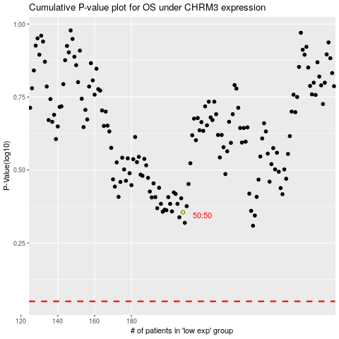

 |  |  |  |  |  | cases_OS | p_OS | rank | exp
 |  |  |  |  |  |  | cases_RFS | p_RFS | rank | exp

