CHRM4 _multivariate
Reported by Tex Li-Hsing Chi. tex@gate.sinica.edu.tw 2019-08-21

Table 2. The clinicopathological features of HNSCC cohort and CHRM4 expression. (Chi square test)
Cutoff at -0.21 (49.8%)
 |  | CHRM4 expression |  | CHRM4 expression |  | (Optimised)
 | Features | Low | (%) | High | (%) | Case no | P-value | Remark | Matthews
Gender | Female | 148 | 35.7 | 158 | 38.1 | 415 | 0.3567 | 0 | 0
2 | Male | 59 | 14.2 | 50 | 12
Age at diagnosis | <=65y | 130 | 31.3 | 144 | 34.7 | 415 | 0.2009 | 0 | 0
4 | >65y | 77 | 18.6 | 64 | 15.4
Clinical T Status | T1+T2 | 82 | 19.8 | 67 | 16.1 | 415 | 0.1417 | 0 | 0
6 | T3+T4 | 125 | 30.1 | 141 | 34
Clinical N Status | N0 | 113 | 27.2 | 103 | 24.8 | 415 | 0.3495 | 1 | 0
8 | N1-3 | 94 | 22.7 | 105 | 25.3
Clinical M Status | M0 | 204 | 49.2 | 208 | 50.1 | 415 | 0.1232 | 0 | 0
10 | M1 | 3 | 0.7 | 0 | 0
Clinical Stage | Stage I+II | 56 | 13.5 | 46 | 11.1 | 415 | 0.2918 | 0 | 0
12 | Stage III+IV | 151 | 36.4 | 162 | 39
Surgical Margin status | Negative | 164 | 39.5 | 154 | 37.1 | 415 | 0.2462 | 0 | 0
14 | Positive | 43 | 10.4 | 54 | 13
Tobacco Exposure | Low | 86 | 20.7 | 75 | 18.1 | 415 | 0.2687 | 0 | 0
16 | High | 121 | 29.2 | 133 | 32

Table 3. Univariate/Multivariate Cox's proportional hazards regression analyses on OS time of CHRM4 gene expression in HNSCC

 |  | Univariate |  |  |  | Multivariate
 | Features | HR | CI95%(L) | CI95%(H) | P-value | HR | CI95%(L) | CI95%(H) | P-value
1 | Female | 1 |  |  |  | 1
Gender | Male | 1.157 | 0.843 | 1.587 | 0.367 | 1.204 | 0.862 | 1.683 | 0.277
11 | <=65y | 1 |  |  |  | 1
Age at diagnosis | >65y | 1.329 | 0.99 | 1.784 | 0.058 | 1.394 | 1.025 | 1.895 | 0.034
12 | T1+T2 | 1 |  |  |  | 1
Clinical T Status | T3+T4 | 1.409 | 1.028 | 1.931 | 0.033 | 2.197 | 1.161 | 4.156 | 0.016
13 | N0 | 1 |  |  |  | 1
Clinical N Status | N1-3 | 1.185 | 0.89 | 1.577 | 0.246 | 1.237 | 0.866 | 1.767 | 0.242
14 | M0 | 1 |  |  |  | 1
Clinical M Status | M1 | 4.097 | 1.009 | 16.644 | 0.049 | 9.567 | 2.069 | 44.236 | 0.004
15 | Stage I+II | 1 |  |  |  | 1
Clinical Stage | Stage III+IV | 1.245 | 0.882 | 1.759 | 0.213 | 0.505 | 0.235 | 1.083 | 0.079
16 | Negative | 1 |  |  |  | 1
Surgical Margin status | Positive | 1.591 | 1.155 | 2.191 | 0.004 | 1.672 | 1.21 | 2.31 | 0.002
17 | Low | 1 |  |  |  | 1
Tobacco Exposure | High | 1.364 | 1.008 | 1.844 | 0.044 | 1.454 | 1.055 | 2.003 | 0.022
18 | Low | 1 |  |  |  | 1
RNAseq(z-score) | High | 1.033 | 0.775 | 1.378 | 0.822 | 1.031 | 0.769 | 1.383 | 0.838

Table 4. Univariate/Multivariate Cox's proportional hazards regression analyses on RFS time of CHRM4 gene expression in HNSCC

 |  | Univariate |  |  |  | Multivariate
 | Features | HR | CI95%(L) | CI95%(H) | P-value | HR | CI95%(L) | CI95%(H) | P-value
1 | Female | 1 |  |  |  | 1
Gender | Male | 1.157 | 0.843 | 1.587 | 0.367 | 1.204 | 0.862 | 1.683 | 0.277
11 | <=65y | 1 |  |  |  | 1
Age at diagnosis | >65y | 1.329 | 0.99 | 1.784 | 0.058 | 1.394 | 1.025 | 1.895 | 0.034
12 | T1+T2 | 1 |  |  |  | 1
Clinical T Status | T3+T4 | 1.409 | 1.028 | 1.931 | 0.033 | 2.197 | 1.161 | 4.156 | 0.016
13 | N0 | 1 |  |  |  | 1
Clinical N Status | N1-3 | 1.185 | 0.89 | 1.577 | 0.246 | 1.237 | 0.866 | 1.767 | 0.242
14 | M0 | 1 |  |  |  | 1
Clinical M Status | M1 | 4.097 | 1.009 | 16.644 | 0.049 | 9.567 | 2.069 | 44.236 | 0.004
15 | Stage I+II | 1 |  |  |  | 1
Clinical Stage | Stage III+IV | 1.245 | 0.882 | 1.759 | 0.213 | 0.505 | 0.235 | 1.083 | 0.079
16 | Negative | 1 |  |  |  | 1
Surgical Margin status | Positive | 1.591 | 1.155 | 2.191 | 0.004 | 1.672 | 1.21 | 2.31 | 0.002
17 | Low | 1 |  |  |  | 1
Tobacco Exposure | High | 1.364 | 1.008 | 1.844 | 0.044 | 1.454 | 1.055 | 2.003 | 0.022
18 | Low | 1 |  |  |  | 1
RNAseq(z-score) | High | 1.033 | 0.775 | 1.378 | 0.822 | 1.031 | 0.769 | 1.383 | 0.838

Kaplan-Meier survival estimate: Cutoff at -0.21 (49.8%)

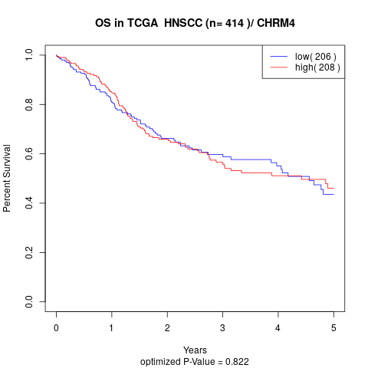

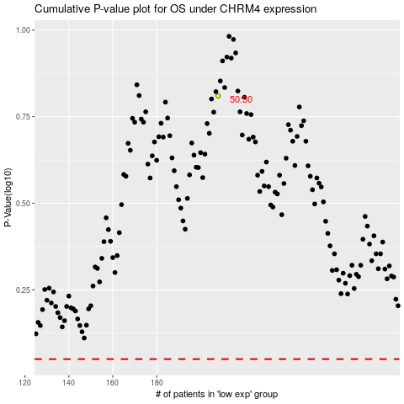

 |  |  |  |  |  | cases_OS | p_OS | rank | exp
 |  |  |  |  |  |  | cases_RFS | p_RFS | rank | exp

