CHRNA9 _multivariate
Reported by Tex Li-Hsing Chi. tex@gate.sinica.edu.tw 2019-08-21

Table 2. The clinicopathological features of HNSCC cohort and CHRNA9 expression. (Chi square test)
Cutoff at -0.179 (50.0%)
 |  | CHRNA9 expression |  | CHRNA9 expression |  | (Optimised)
 | Features | Low | (%) | High | (%) | Case no | P-value | Remark | Matthews
Gender | Female | 161 | 38.8 | 145 | 34.9 | 415 | 0.0792 | 0 | 0
2 | Male | 46 | 11.1 | 63 | 15.2
Age at diagnosis | <=65y | 146 | 35.2 | 128 | 30.8 | 415 | 0.0672 | 0 | 0
4 | >65y | 61 | 14.7 | 80 | 19.3
Clinical T Status | T1+T2 | 86 | 20.7 | 63 | 15.2 | 415 | 0.0221 | 1 | 0
6 | T3+T4 | 121 | 29.2 | 145 | 34.9
Clinical N Status | N0 | 96 | 23.1 | 120 | 28.9 | 415 | 0.0272 | 1 | 0
8 | N1-3 | 111 | 26.7 | 88 | 21.2
Clinical M Status | M0 | 204 | 49.2 | 208 | 50.1 | 415 | 0.1232 | 0 | 0
10 | M1 | 3 | 0.7 | 0 | 0
Clinical Stage | Stage I+II | 54 | 13 | 48 | 11.6 | 415 | 0.5498 | 0 | 0
12 | Stage III+IV | 153 | 36.9 | 160 | 38.6
Surgical Margin status | Negative | 157 | 37.8 | 161 | 38.8 | 415 | 0.729 | 0 | 0
14 | Positive | 50 | 12 | 47 | 11.3
Tobacco Exposure | Low | 68 | 16.4 | 93 | 22.4 | 415 | 0.0156 | 1 | 0
16 | High | 139 | 33.5 | 115 | 27.7

Table 3. Univariate/Multivariate Cox's proportional hazards regression analyses on OS time of CHRNA9 gene expression in HNSCC

 |  | Univariate |  |  |  | Multivariate
 | Features | HR | CI95%(L) | CI95%(H) | P-value | HR | CI95%(L) | CI95%(H) | P-value
1 | Female | 1 |  |  |  | 1
Gender | Male | 1.157 | 0.843 | 1.587 | 0.367 | 1.212 | 0.867 | 1.695 | 0.26
11 | <=65y | 1 |  |  |  | 1
Age at diagnosis | >65y | 1.329 | 0.99 | 1.784 | 0.058 | 1.4 | 1.03 | 1.904 | 0.032
12 | T1+T2 | 1 |  |  |  | 1
Clinical T Status | T3+T4 | 1.409 | 1.028 | 1.931 | 0.033 | 2.253 | 1.189 | 4.267 | 0.013
13 | N0 | 1 |  |  |  | 1
Clinical N Status | N1-3 | 1.185 | 0.89 | 1.577 | 0.246 | 1.21 | 0.845 | 1.732 | 0.299
14 | M0 | 1 |  |  |  | 1
Clinical M Status | M1 | 4.097 | 1.009 | 16.644 | 0.049 | 9.064 | 1.973 | 41.628 | 0.005
15 | Stage I+II | 1 |  |  |  | 1
Clinical Stage | Stage III+IV | 1.245 | 0.882 | 1.759 | 0.213 | 0.503 | 0.234 | 1.08 | 0.078
16 | Negative | 1 |  |  |  | 1
Surgical Margin status | Positive | 1.591 | 1.155 | 2.191 | 0.004 | 1.673 | 1.211 | 2.312 | 0.002
17 | Low | 1 |  |  |  | 1
Tobacco Exposure | High | 1.364 | 1.008 | 1.844 | 0.044 | 1.442 | 1.046 | 1.988 | 0.025
18 | Low | 1 |  |  |  | 1
RNAseq(z-score) | High | 0.876 | 0.657 | 1.168 | 0.368 | 0.868 | 0.645 | 1.166 | 0.347

Table 4. Univariate/Multivariate Cox's proportional hazards regression analyses on RFS time of CHRNA9 gene expression in HNSCC

 |  | Univariate |  |  |  | Multivariate
 | Features | HR | CI95%(L) | CI95%(H) | P-value | HR | CI95%(L) | CI95%(H) | P-value
1 | Female | 1 |  |  |  | 1
Gender | Male | 1.157 | 0.843 | 1.587 | 0.367 | 1.212 | 0.867 | 1.695 | 0.26
11 | <=65y | 1 |  |  |  | 1
Age at diagnosis | >65y | 1.329 | 0.99 | 1.784 | 0.058 | 1.4 | 1.03 | 1.904 | 0.032
12 | T1+T2 | 1 |  |  |  | 1
Clinical T Status | T3+T4 | 1.409 | 1.028 | 1.931 | 0.033 | 2.253 | 1.189 | 4.267 | 0.013
13 | N0 | 1 |  |  |  | 1
Clinical N Status | N1-3 | 1.185 | 0.89 | 1.577 | 0.246 | 1.21 | 0.845 | 1.732 | 0.299
14 | M0 | 1 |  |  |  | 1
Clinical M Status | M1 | 4.097 | 1.009 | 16.644 | 0.049 | 9.064 | 1.973 | 41.628 | 0.005
15 | Stage I+II | 1 |  |  |  | 1
Clinical Stage | Stage III+IV | 1.245 | 0.882 | 1.759 | 0.213 | 0.503 | 0.234 | 1.08 | 0.078
16 | Negative | 1 |  |  |  | 1
Surgical Margin status | Positive | 1.591 | 1.155 | 2.191 | 0.004 | 1.673 | 1.211 | 2.312 | 0.002
17 | Low | 1 |  |  |  | 1
Tobacco Exposure | High | 1.364 | 1.008 | 1.844 | 0.044 | 1.442 | 1.046 | 1.988 | 0.025
18 | Low | 1 |  |  |  | 1
RNAseq(z-score) | High | 0.876 | 0.657 | 1.168 | 0.368 | 0.868 | 0.645 | 1.166 | 0.347

Kaplan-Meier survival estimate: Cutoff at -0.179 (50.0%)



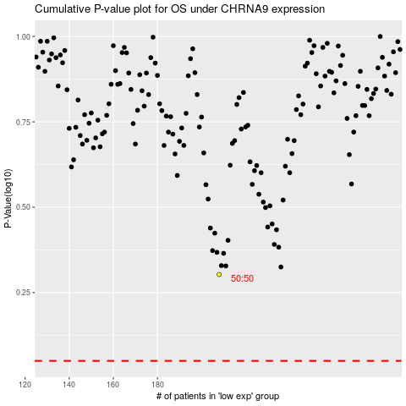

 |  |  |  |  |  | cases_OS | p_OS | rank | exp
 |  |  |  |  |  |  | cases_RFS | p_RFS | rank | exp

