CHRNB1 _multivariate
Reported by Tex Li-Hsing Chi. tex@gate.sinica.edu.tw 2019-08-21

Table 2. The clinicopathological features of HNSCC cohort and CHRNB1 expression. (Chi square test)
Cutoff at -0.283 (50.0%)
 |  | CHRNB1 expression |  | CHRNB1 expression |  | (Optimised)
 | Features | Low | (%) | High | (%) | Case no | P-value | Remark | Matthews
Gender | Female | 153 | 36.9 | 153 | 36.9 | 415 | 1 | 0 | 0
2 | Male | 54 | 13 | 55 | 13.3
Age at diagnosis | <=65y | 128 | 30.8 | 146 | 35.2 | 415 | 0.0904 | 0 | 0
4 | >65y | 79 | 19 | 62 | 14.9
Clinical T Status | T1+T2 | 74 | 17.8 | 75 | 18.1 | 415 | 1 | 0 | 0
6 | T3+T4 | 133 | 32 | 133 | 32
Clinical N Status | N0 | 115 | 27.7 | 101 | 24.3 | 415 | 0.184 | 1 | 0
8 | N1-3 | 92 | 22.2 | 107 | 25.8
Clinical M Status | M0 | 205 | 49.4 | 207 | 49.9 | 415 | 0.6232 | 0 | 0
10 | M1 | 2 | 0.5 | 1 | 0.2
Clinical Stage | Stage I+II | 51 | 12.3 | 51 | 12.3 | 415 | 1 | 0 | 0
12 | Stage III+IV | 156 | 37.6 | 157 | 37.8
Surgical Margin status | Negative | 155 | 37.3 | 163 | 39.3 | 415 | 0.4187 | 0 | 0
14 | Positive | 52 | 12.5 | 45 | 10.8
Tobacco Exposure | Low | 79 | 19 | 82 | 19.8 | 415 | 0.8405 | 0 | 0
16 | High | 128 | 30.8 | 126 | 30.4

Table 3. Univariate/Multivariate Cox's proportional hazards regression analyses on OS time of CHRNB1 gene expression in HNSCC

 |  | Univariate |  |  |  | Multivariate
 | Features | HR | CI95%(L) | CI95%(H) | P-value | HR | CI95%(L) | CI95%(H) | P-value
1 | Female | 1 |  |  |  | 1
Gender | Male | 1.157 | 0.843 | 1.587 | 0.367 | 1.195 | 0.855 | 1.67 | 0.297
11 | <=65y | 1 |  |  |  | 1
Age at diagnosis | >65y | 1.329 | 0.99 | 1.784 | 0.058 | 1.418 | 1.04 | 1.934 | 0.027
12 | T1+T2 | 1 |  |  |  | 1
Clinical T Status | T3+T4 | 1.409 | 1.028 | 1.931 | 0.033 | 2.206 | 1.166 | 4.172 | 0.015
13 | N0 | 1 |  |  |  | 1
Clinical N Status | N1-3 | 1.185 | 0.89 | 1.577 | 0.246 | 1.242 | 0.87 | 1.772 | 0.232
14 | M0 | 1 |  |  |  | 1
Clinical M Status | M1 | 4.097 | 1.009 | 16.644 | 0.049 | 9.566 | 2.086 | 43.866 | 0.004
15 | Stage I+II | 1 |  |  |  | 1
Clinical Stage | Stage III+IV | 1.245 | 0.882 | 1.759 | 0.213 | 0.503 | 0.234 | 1.081 | 0.078
16 | Negative | 1 |  |  |  | 1
Surgical Margin status | Positive | 1.591 | 1.155 | 2.191 | 0.004 | 1.678 | 1.215 | 2.319 | 0.002
17 | Low | 1 |  |  |  | 1
Tobacco Exposure | High | 1.364 | 1.008 | 1.844 | 0.044 | 1.441 | 1.046 | 1.986 | 0.025
18 | Low | 1 |  |  |  | 1
RNAseq(z-score) | High | 1.088 | 0.817 | 1.449 | 0.563 | 1.135 | 0.848 | 1.517 | 0.394

Table 4. Univariate/Multivariate Cox's proportional hazards regression analyses on RFS time of CHRNB1 gene expression in HNSCC

 |  | Univariate |  |  |  | Multivariate
 | Features | HR | CI95%(L) | CI95%(H) | P-value | HR | CI95%(L) | CI95%(H) | P-value
1 | Female | 1 |  |  |  | 1
Gender | Male | 1.157 | 0.843 | 1.587 | 0.367 | 1.195 | 0.855 | 1.67 | 0.297
11 | <=65y | 1 |  |  |  | 1
Age at diagnosis | >65y | 1.329 | 0.99 | 1.784 | 0.058 | 1.418 | 1.04 | 1.934 | 0.027
12 | T1+T2 | 1 |  |  |  | 1
Clinical T Status | T3+T4 | 1.409 | 1.028 | 1.931 | 0.033 | 2.206 | 1.166 | 4.172 | 0.015
13 | N0 | 1 |  |  |  | 1
Clinical N Status | N1-3 | 1.185 | 0.89 | 1.577 | 0.246 | 1.242 | 0.87 | 1.772 | 0.232
14 | M0 | 1 |  |  |  | 1
Clinical M Status | M1 | 4.097 | 1.009 | 16.644 | 0.049 | 9.566 | 2.086 | 43.866 | 0.004
15 | Stage I+II | 1 |  |  |  | 1
Clinical Stage | Stage III+IV | 1.245 | 0.882 | 1.759 | 0.213 | 0.503 | 0.234 | 1.081 | 0.078
16 | Negative | 1 |  |  |  | 1
Surgical Margin status | Positive | 1.591 | 1.155 | 2.191 | 0.004 | 1.678 | 1.215 | 2.319 | 0.002
17 | Low | 1 |  |  |  | 1
Tobacco Exposure | High | 1.364 | 1.008 | 1.844 | 0.044 | 1.441 | 1.046 | 1.986 | 0.025
18 | Low | 1 |  |  |  | 1
RNAseq(z-score) | High | 1.088 | 0.817 | 1.449 | 0.563 | 1.135 | 0.848 | 1.517 | 0.394

Kaplan-Meier survival estimate: Cutoff at -0.283 (50.0%)



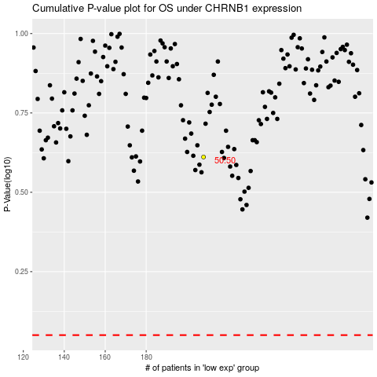

 |  |  |  |  |  | cases_OS | p_OS | rank | exp
 |  |  |  |  |  |  | cases_RFS | p_RFS | rank | exp

