CHST10 _multivariate
Reported by Tex Li-Hsing Chi. tex@gate.sinica.edu.tw 2019-08-21

Table 2. The clinicopathological features of HNSCC cohort and CHST10 expression. (Chi square test)
Cutoff at -0.277 (49.8%)
 |  | CHST10 expression |  | CHST10 expression |  | (Optimised)
 | Features | Low | (%) | High | (%) | Case no | P-value | Remark | Matthews
Gender | Female | 137 | 33 | 169 | 40.7 | 415 | 7e-04 | 1 | 0
2 | Male | 70 | 16.9 | 39 | 9.4
Age at diagnosis | <=65y | 133 | 32 | 141 | 34 | 415 | 0.5111 | 0 | 0
4 | >65y | 74 | 17.8 | 67 | 16.1
Clinical T Status | T1+T2 | 71 | 17.1 | 78 | 18.8 | 415 | 0.5638 | 0 | 0
6 | T3+T4 | 136 | 32.8 | 130 | 31.3
Clinical N Status | N0 | 104 | 25.1 | 112 | 27 | 415 | 0.5243 | 0 | 0
8 | N1-3 | 103 | 24.8 | 96 | 23.1
Clinical M Status | M0 | 204 | 49.2 | 208 | 50.1 | 415 | 0.1232 | 0 | 0
10 | M1 | 3 | 0.7 | 0 | 0
Clinical Stage | Stage I+II | 50 | 12 | 52 | 12.5 | 415 | 0.9315 | 0 | 0
12 | Stage III+IV | 157 | 37.8 | 156 | 37.6
Surgical Margin status | Negative | 158 | 38.1 | 160 | 38.6 | 415 | 0.9081 | 0 | 0
14 | Positive | 49 | 11.8 | 48 | 11.6
Tobacco Exposure | Low | 100 | 24.1 | 61 | 14.7 | 415 | 1e-04 | 1 | 0
16 | High | 107 | 25.8 | 147 | 35.4

Table 3. Univariate/Multivariate Cox's proportional hazards regression analyses on OS time of CHST10 gene expression in HNSCC

 |  | Univariate |  |  |  | Multivariate
 | Features | HR | CI95%(L) | CI95%(H) | P-value | HR | CI95%(L) | CI95%(H) | P-value
1 | Female | 1 |  |  |  | 1
Gender | Male | 1.157 | 0.843 | 1.587 | 0.367 | 1.232 | 0.878 | 1.729 | 0.227
11 | <=65y | 1 |  |  |  | 1
Age at diagnosis | >65y | 1.329 | 0.99 | 1.784 | 0.058 | 1.395 | 1.026 | 1.896 | 0.034
12 | T1+T2 | 1 |  |  |  | 1
Clinical T Status | T3+T4 | 1.409 | 1.028 | 1.931 | 0.033 | 2.225 | 1.176 | 4.209 | 0.014
13 | N0 | 1 |  |  |  | 1
Clinical N Status | N1-3 | 1.185 | 0.89 | 1.577 | 0.246 | 1.248 | 0.874 | 1.782 | 0.223
14 | M0 | 1 |  |  |  | 1
Clinical M Status | M1 | 4.097 | 1.009 | 16.644 | 0.049 | 10.229 | 2.206 | 47.429 | 0.003
15 | Stage I+II | 1 |  |  |  | 1
Clinical Stage | Stage III+IV | 1.245 | 0.882 | 1.759 | 0.213 | 0.497 | 0.232 | 1.067 | 0.073
16 | Negative | 1 |  |  |  | 1
Surgical Margin status | Positive | 1.591 | 1.155 | 2.191 | 0.004 | 1.673 | 1.211 | 2.312 | 0.002
17 | Low | 1 |  |  |  | 1
Tobacco Exposure | High | 1.364 | 1.008 | 1.844 | 0.044 | 1.425 | 1.032 | 1.969 | 0.031
18 | Low | 1 |  |  |  | 1
RNAseq(z-score) | High | 1.1 | 0.824 | 1.469 | 0.518 | 1.147 | 0.849 | 1.549 | 0.372

Table 4. Univariate/Multivariate Cox's proportional hazards regression analyses on RFS time of CHST10 gene expression in HNSCC

 |  | Univariate |  |  |  | Multivariate
 | Features | HR | CI95%(L) | CI95%(H) | P-value | HR | CI95%(L) | CI95%(H) | P-value
1 | Female | 1 |  |  |  | 1
Gender | Male | 1.157 | 0.843 | 1.587 | 0.367 | 1.232 | 0.878 | 1.729 | 0.227
11 | <=65y | 1 |  |  |  | 1
Age at diagnosis | >65y | 1.329 | 0.99 | 1.784 | 0.058 | 1.395 | 1.026 | 1.896 | 0.034
12 | T1+T2 | 1 |  |  |  | 1
Clinical T Status | T3+T4 | 1.409 | 1.028 | 1.931 | 0.033 | 2.225 | 1.176 | 4.209 | 0.014
13 | N0 | 1 |  |  |  | 1
Clinical N Status | N1-3 | 1.185 | 0.89 | 1.577 | 0.246 | 1.248 | 0.874 | 1.782 | 0.223
14 | M0 | 1 |  |  |  | 1
Clinical M Status | M1 | 4.097 | 1.009 | 16.644 | 0.049 | 10.229 | 2.206 | 47.429 | 0.003
15 | Stage I+II | 1 |  |  |  | 1
Clinical Stage | Stage III+IV | 1.245 | 0.882 | 1.759 | 0.213 | 0.497 | 0.232 | 1.067 | 0.073
16 | Negative | 1 |  |  |  | 1
Surgical Margin status | Positive | 1.591 | 1.155 | 2.191 | 0.004 | 1.673 | 1.211 | 2.312 | 0.002
17 | Low | 1 |  |  |  | 1
Tobacco Exposure | High | 1.364 | 1.008 | 1.844 | 0.044 | 1.425 | 1.032 | 1.969 | 0.031
18 | Low | 1 |  |  |  | 1
RNAseq(z-score) | High | 1.1 | 0.824 | 1.469 | 0.518 | 1.147 | 0.849 | 1.549 | 0.372

Kaplan-Meier survival estimate: Cutoff at -0.277 (49.8%)



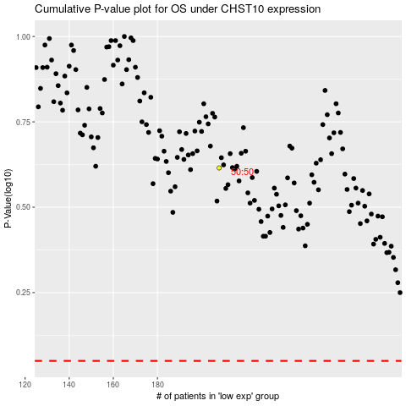

 |  |  |  |  |  | cases_OS | p_OS | rank | exp
 |  |  |  |  |  |  | cases_RFS | p_RFS | rank | exp

