CHST11 _multivariate
Reported by Tex Li-Hsing Chi. tex@gate.sinica.edu.tw 2019-08-21

Table 2. The clinicopathological features of HNSCC cohort and CHST11 expression. (Chi square test)
Cutoff at 0.465 (65.9%)
 |  | CHST11 expression |  | CHST11 expression |  | (Optimised)
 | Features | Low | (%) | High | (%) | Case no | P-value | Remark | Matthews
Gender | Female | 206 | 49.6 | 100 | 24.1 | 415 | 0.323 | 0 | 0
2 | Male | 67 | 16.1 | 42 | 10.1
Age at diagnosis | <=65y | 189 | 45.5 | 85 | 20.5 | 415 | 0.0714 | 0 | 0
4 | >65y | 84 | 20.2 | 57 | 13.7
Clinical T Status | T1+T2 | 95 | 22.9 | 54 | 13 | 415 | 0.5872 | 0 | 0
6 | T3+T4 | 178 | 42.9 | 88 | 21.2
Clinical N Status | N0 | 149 | 35.9 | 67 | 16.1 | 415 | 0.1844 | 0 | 0
8 | N1-3 | 124 | 29.9 | 75 | 18.1
Clinical M Status | M0 | 271 | 65.3 | 141 | 34 | 415 | 1 | 0 | 0
10 | M1 | 2 | 0.5 | 1 | 0.2
Clinical Stage | Stage I+II | 62 | 14.9 | 40 | 9.6 | 415 | 0.2691 | 0 | 0
12 | Stage III+IV | 211 | 50.8 | 102 | 24.6
Surgical Margin status | Negative | 201 | 48.4 | 117 | 28.2 | 415 | 0.0506 | 0 | 0
14 | Positive | 72 | 17.3 | 25 | 6
Tobacco Exposure | Low | 107 | 25.8 | 54 | 13 | 415 | 0.8326 | 0 | 0
16 | High | 166 | 40 | 88 | 21.2

Table 3. Univariate/Multivariate Cox's proportional hazards regression analyses on OS time of CHST11 gene expression in HNSCC

 |  | Univariate |  |  |  | Multivariate
 | Features | HR | CI95%(L) | CI95%(H) | P-value | HR | CI95%(L) | CI95%(H) | P-value
1 | Female | 1 |  |  |  | 1
Gender | Male | 1.157 | 0.843 | 1.587 | 0.367 | 1.205 | 0.861 | 1.686 | 0.277
11 | <=65y | 1 |  |  |  | 1
Age at diagnosis | >65y | 1.329 | 0.99 | 1.784 | 0.058 | 1.356 | 0.995 | 1.848 | 0.054
12 | T1+T2 | 1 |  |  |  | 1
Clinical T Status | T3+T4 | 1.409 | 1.028 | 1.931 | 0.033 | 2.13 | 1.125 | 4.033 | 0.02
13 | N0 | 1 |  |  |  | 1
Clinical N Status | N1-3 | 1.185 | 0.89 | 1.577 | 0.246 | 1.156 | 0.806 | 1.657 | 0.432
14 | M0 | 1 |  |  |  | 1
Clinical M Status | M1 | 4.097 | 1.009 | 16.644 | 0.049 | 9.776 | 2.131 | 44.839 | 0.003
15 | Stage I+II | 1 |  |  |  | 1
Clinical Stage | Stage III+IV | 1.245 | 0.882 | 1.759 | 0.213 | 0.568 | 0.263 | 1.229 | 0.151
16 | Negative | 1 |  |  |  | 1
Surgical Margin status | Positive | 1.591 | 1.155 | 2.191 | 0.004 | 1.758 | 1.268 | 2.436 | 0.001
17 | Low | 1 |  |  |  | 1
Tobacco Exposure | High | 1.364 | 1.008 | 1.844 | 0.044 | 1.455 | 1.053 | 2.01 | 0.023
18 | Low | 1 |  |  |  | 1
RNAseq(z-score) | High | 1.352 | 1.008 | 1.813 | 0.044 | 1.421 | 1.05 | 1.923 | 0.023

Table 4. Univariate/Multivariate Cox's proportional hazards regression analyses on RFS time of CHST11 gene expression in HNSCC

 |  | Univariate |  |  |  | Multivariate
 | Features | HR | CI95%(L) | CI95%(H) | P-value | HR | CI95%(L) | CI95%(H) | P-value
1 | Female | 1 |  |  |  | 1
Gender | Male | 1.157 | 0.843 | 1.587 | 0.367 | 1.205 | 0.861 | 1.686 | 0.277
11 | <=65y | 1 |  |  |  | 1
Age at diagnosis | >65y | 1.329 | 0.99 | 1.784 | 0.058 | 1.356 | 0.995 | 1.848 | 0.054
12 | T1+T2 | 1 |  |  |  | 1
Clinical T Status | T3+T4 | 1.409 | 1.028 | 1.931 | 0.033 | 2.13 | 1.125 | 4.033 | 0.02
13 | N0 | 1 |  |  |  | 1
Clinical N Status | N1-3 | 1.185 | 0.89 | 1.577 | 0.246 | 1.156 | 0.806 | 1.657 | 0.432
14 | M0 | 1 |  |  |  | 1
Clinical M Status | M1 | 4.097 | 1.009 | 16.644 | 0.049 | 9.776 | 2.131 | 44.839 | 0.003
15 | Stage I+II | 1 |  |  |  | 1
Clinical Stage | Stage III+IV | 1.245 | 0.882 | 1.759 | 0.213 | 0.568 | 0.263 | 1.229 | 0.151
16 | Negative | 1 |  |  |  | 1
Surgical Margin status | Positive | 1.591 | 1.155 | 2.191 | 0.004 | 1.758 | 1.268 | 2.436 | 0.001
17 | Low | 1 |  |  |  | 1
Tobacco Exposure | High | 1.364 | 1.008 | 1.844 | 0.044 | 1.455 | 1.053 | 2.01 | 0.023
18 | Low | 1 |  |  |  | 1
RNAseq(z-score) | High | 1.352 | 1.008 | 1.813 | 0.044 | 1.421 | 1.05 | 1.923 | 0.023

Kaplan-Meier survival estimate: Cutoff at 0.465 (65.9%)

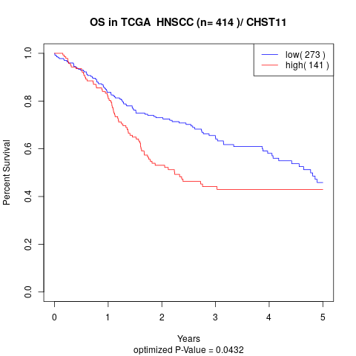

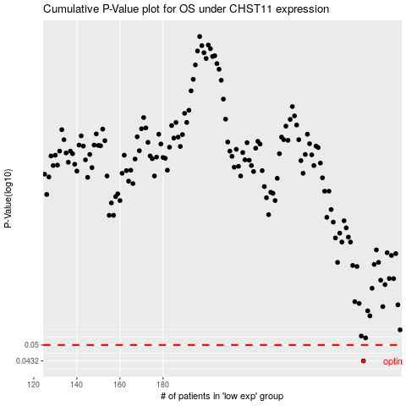

 |  |  |  |  |  | cases_OS | p_OS | rank | exp
 |  |  |  |  |  | 273 | 0.0432 | 107 | 0.46452288041
 |  |  |  |  |  |  | cases_RFS | p_RFS | rank | exp
 |  |  |  |  |  |  | 272 | 0.0432 | 42 | 0.46050319883

