CHST13 _multivariate
Reported by Tex Li-Hsing Chi. tex@gate.sinica.edu.tw 2019-08-21

Table 2. The clinicopathological features of HNSCC cohort and CHST13 expression. (Chi square test)
Cutoff at -0.284 (49.8%)
 |  | CHST13 expression |  | CHST13 expression |  | (Optimised)
 | Features | Low | (%) | High | (%) | Case no | P-value | Remark | Matthews
Gender | Female | 164 | 39.5 | 142 | 34.2 | 415 | 0.0153 | 1 | 0
2 | Male | 43 | 10.4 | 66 | 15.9
Age at diagnosis | <=65y | 149 | 35.9 | 125 | 30.1 | 415 | 0.0142 | 1 | 0
4 | >65y | 58 | 14 | 83 | 20
Clinical T Status | T1+T2 | 77 | 18.6 | 72 | 17.3 | 415 | 0.6556 | 0 | 0
6 | T3+T4 | 130 | 31.3 | 136 | 32.8
Clinical N Status | N0 | 106 | 25.5 | 110 | 26.5 | 415 | 0.8075 | 0 | 0
8 | N1-3 | 101 | 24.3 | 98 | 23.6
Clinical M Status | M0 | 204 | 49.2 | 208 | 50.1 | 415 | 0.1232 | 0 | 0
10 | M1 | 3 | 0.7 | 0 | 0
Clinical Stage | Stage I+II | 51 | 12.3 | 51 | 12.3 | 415 | 1 | 0 | 0
12 | Stage III+IV | 156 | 37.6 | 157 | 37.8
Surgical Margin status | Negative | 156 | 37.6 | 162 | 39 | 415 | 0.5636 | 0 | 0
14 | Positive | 51 | 12.3 | 46 | 11.1
Tobacco Exposure | Low | 71 | 17.1 | 90 | 21.7 | 415 | 0.0698 | 0 | 0
16 | High | 136 | 32.8 | 118 | 28.4

Table 3. Univariate/Multivariate Cox's proportional hazards regression analyses on OS time of CHST13 gene expression in HNSCC

 |  | Univariate |  |  |  | Multivariate
 | Features | HR | CI95%(L) | CI95%(H) | P-value | HR | CI95%(L) | CI95%(H) | P-value
1 | Female | 1 |  |  |  | 1
Gender | Male | 1.157 | 0.843 | 1.587 | 0.367 | 1.224 | 0.873 | 1.715 | 0.241
11 | <=65y | 1 |  |  |  | 1
Age at diagnosis | >65y | 1.329 | 0.99 | 1.784 | 0.058 | 1.41 | 1.036 | 1.919 | 0.029
12 | T1+T2 | 1 |  |  |  | 1
Clinical T Status | T3+T4 | 1.409 | 1.028 | 1.931 | 0.033 | 2.228 | 1.177 | 4.215 | 0.014
13 | N0 | 1 |  |  |  | 1
Clinical N Status | N1-3 | 1.185 | 0.89 | 1.577 | 0.246 | 1.24 | 0.869 | 1.769 | 0.236
14 | M0 | 1 |  |  |  | 1
Clinical M Status | M1 | 4.097 | 1.009 | 16.644 | 0.049 | 8.976 | 1.952 | 41.282 | 0.005
15 | Stage I+II | 1 |  |  |  | 1
Clinical Stage | Stage III+IV | 1.245 | 0.882 | 1.759 | 0.213 | 0.501 | 0.234 | 1.077 | 0.077
16 | Negative | 1 |  |  |  | 1
Surgical Margin status | Positive | 1.591 | 1.155 | 2.191 | 0.004 | 1.68 | 1.215 | 2.322 | 0.002
17 | Low | 1 |  |  |  | 1
Tobacco Exposure | High | 1.364 | 1.008 | 1.844 | 0.044 | 1.451 | 1.053 | 2.001 | 0.023
18 | Low | 1 |  |  |  | 1
RNAseq(z-score) | High | 0.931 | 0.699 | 1.24 | 0.624 | 0.875 | 0.653 | 1.173 | 0.372

Table 4. Univariate/Multivariate Cox's proportional hazards regression analyses on RFS time of CHST13 gene expression in HNSCC

 |  | Univariate |  |  |  | Multivariate
 | Features | HR | CI95%(L) | CI95%(H) | P-value | HR | CI95%(L) | CI95%(H) | P-value
1 | Female | 1 |  |  |  | 1
Gender | Male | 1.157 | 0.843 | 1.587 | 0.367 | 1.224 | 0.873 | 1.715 | 0.241
11 | <=65y | 1 |  |  |  | 1
Age at diagnosis | >65y | 1.329 | 0.99 | 1.784 | 0.058 | 1.41 | 1.036 | 1.919 | 0.029
12 | T1+T2 | 1 |  |  |  | 1
Clinical T Status | T3+T4 | 1.409 | 1.028 | 1.931 | 0.033 | 2.228 | 1.177 | 4.215 | 0.014
13 | N0 | 1 |  |  |  | 1
Clinical N Status | N1-3 | 1.185 | 0.89 | 1.577 | 0.246 | 1.24 | 0.869 | 1.769 | 0.236
14 | M0 | 1 |  |  |  | 1
Clinical M Status | M1 | 4.097 | 1.009 | 16.644 | 0.049 | 8.976 | 1.952 | 41.282 | 0.005
15 | Stage I+II | 1 |  |  |  | 1
Clinical Stage | Stage III+IV | 1.245 | 0.882 | 1.759 | 0.213 | 0.501 | 0.234 | 1.077 | 0.077
16 | Negative | 1 |  |  |  | 1
Surgical Margin status | Positive | 1.591 | 1.155 | 2.191 | 0.004 | 1.68 | 1.215 | 2.322 | 0.002
17 | Low | 1 |  |  |  | 1
Tobacco Exposure | High | 1.364 | 1.008 | 1.844 | 0.044 | 1.451 | 1.053 | 2.001 | 0.023
18 | Low | 1 |  |  |  | 1
RNAseq(z-score) | High | 0.931 | 0.699 | 1.24 | 0.624 | 0.875 | 0.653 | 1.173 | 0.372

Kaplan-Meier survival estimate: Cutoff at -0.284 (49.8%)



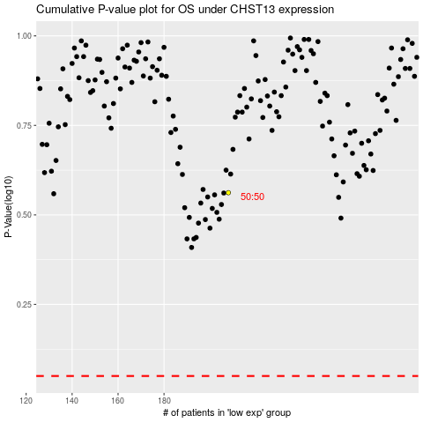

 |  |  |  |  |  | cases_OS | p_OS | rank | exp
 |  |  |  |  |  |  | cases_RFS | p_RFS | rank | exp

