CHST15 _multivariate
Reported by Tex Li-Hsing Chi. tex@gate.sinica.edu.tw 2019-08-21

Table 2. The clinicopathological features of HNSCC cohort and CHST15 expression. (Chi square test)
Cutoff at -0.109 (45.9%)
 |  | CHST15 expression |  | CHST15 expression |  | (Optimised)
 | Features | Low | (%) | High | (%) | Case no | P-value | Remark | Matthews
Gender | Female | 142 | 34.2 | 164 | 39.5 | 415 | 0.7533 | 0 | 0
2 | Male | 48 | 11.6 | 61 | 14.7
Age at diagnosis | <=65y | 133 | 32 | 141 | 34 | 415 | 0.1422 | 0 | 0
4 | >65y | 57 | 13.7 | 84 | 20.2
Clinical T Status | T1+T2 | 65 | 15.7 | 84 | 20.2 | 415 | 0.5768 | 0 | 0
6 | T3+T4 | 125 | 30.1 | 141 | 34
Clinical N Status | N0 | 105 | 25.3 | 111 | 26.7 | 415 | 0.2687 | 0 | 0
8 | N1-3 | 85 | 20.5 | 114 | 27.5
Clinical M Status | M0 | 189 | 45.5 | 223 | 53.7 | 415 | 1 | 0 | 0
10 | M1 | 1 | 0.2 | 2 | 0.5
Clinical Stage | Stage I+II | 41 | 9.9 | 61 | 14.7 | 415 | 0.2342 | 0 | 0
12 | Stage III+IV | 149 | 35.9 | 164 | 39.5
Surgical Margin status | Negative | 141 | 34 | 177 | 42.7 | 415 | 0.2968 | 0 | 0
14 | Positive | 49 | 11.8 | 48 | 11.6
Tobacco Exposure | Low | 71 | 17.1 | 90 | 21.7 | 415 | 0.6139 | 0 | 0
16 | High | 119 | 28.7 | 135 | 32.5

Table 3. Univariate/Multivariate Cox's proportional hazards regression analyses on OS time of CHST15 gene expression in HNSCC

 |  | Univariate |  |  |  | Multivariate
 | Features | HR | CI95%(L) | CI95%(H) | P-value | HR | CI95%(L) | CI95%(H) | P-value
1 | Female | 1 |  |  |  | 1
Gender | Male | 1.157 | 0.843 | 1.587 | 0.367 | 1.211 | 0.868 | 1.691 | 0.26
11 | <=65y | 1 |  |  |  | 1
Age at diagnosis | >65y | 1.329 | 0.99 | 1.784 | 0.058 | 1.378 | 1.014 | 1.874 | 0.041
12 | T1+T2 | 1 |  |  |  | 1
Clinical T Status | T3+T4 | 1.409 | 1.028 | 1.931 | 0.033 | 2.199 | 1.163 | 4.16 | 0.015
13 | N0 | 1 |  |  |  | 1
Clinical N Status | N1-3 | 1.185 | 0.89 | 1.577 | 0.246 | 1.188 | 0.831 | 1.698 | 0.346
14 | M0 | 1 |  |  |  | 1
Clinical M Status | M1 | 4.097 | 1.009 | 16.644 | 0.049 | 9.349 | 2.039 | 42.867 | 0.004
15 | Stage I+II | 1 |  |  |  | 1
Clinical Stage | Stage III+IV | 1.245 | 0.882 | 1.759 | 0.213 | 0.542 | 0.251 | 1.167 | 0.117
16 | Negative | 1 |  |  |  | 1
Surgical Margin status | Positive | 1.591 | 1.155 | 2.191 | 0.004 | 1.706 | 1.235 | 2.358 | 0.001
17 | Low | 1 |  |  |  | 1
Tobacco Exposure | High | 1.364 | 1.008 | 1.844 | 0.044 | 1.435 | 1.043 | 1.974 | 0.027
18 | Low | 1 |  |  |  | 1
RNAseq(z-score) | High | 1.351 | 1.007 | 1.812 | 0.045 | 1.369 | 1.016 | 1.844 | 0.039

Table 4. Univariate/Multivariate Cox's proportional hazards regression analyses on RFS time of CHST15 gene expression in HNSCC

 |  | Univariate |  |  |  | Multivariate
 | Features | HR | CI95%(L) | CI95%(H) | P-value | HR | CI95%(L) | CI95%(H) | P-value
1 | Female | 1 |  |  |  | 1
Gender | Male | 1.157 | 0.843 | 1.587 | 0.367 | 1.211 | 0.868 | 1.691 | 0.26
11 | <=65y | 1 |  |  |  | 1
Age at diagnosis | >65y | 1.329 | 0.99 | 1.784 | 0.058 | 1.378 | 1.014 | 1.874 | 0.041
12 | T1+T2 | 1 |  |  |  | 1
Clinical T Status | T3+T4 | 1.409 | 1.028 | 1.931 | 0.033 | 2.199 | 1.163 | 4.16 | 0.015
13 | N0 | 1 |  |  |  | 1
Clinical N Status | N1-3 | 1.185 | 0.89 | 1.577 | 0.246 | 1.188 | 0.831 | 1.698 | 0.346
14 | M0 | 1 |  |  |  | 1
Clinical M Status | M1 | 4.097 | 1.009 | 16.644 | 0.049 | 9.349 | 2.039 | 42.867 | 0.004
15 | Stage I+II | 1 |  |  |  | 1
Clinical Stage | Stage III+IV | 1.245 | 0.882 | 1.759 | 0.213 | 0.542 | 0.251 | 1.167 | 0.117
16 | Negative | 1 |  |  |  | 1
Surgical Margin status | Positive | 1.591 | 1.155 | 2.191 | 0.004 | 1.706 | 1.235 | 2.358 | 0.001
17 | Low | 1 |  |  |  | 1
Tobacco Exposure | High | 1.364 | 1.008 | 1.844 | 0.044 | 1.435 | 1.043 | 1.974 | 0.027
18 | Low | 1 |  |  |  | 1
RNAseq(z-score) | High | 1.351 | 1.007 | 1.812 | 0.045 | 1.369 | 1.016 | 1.844 | 0.039

Kaplan-Meier survival estimate: Cutoff at -0.109 (45.9%)



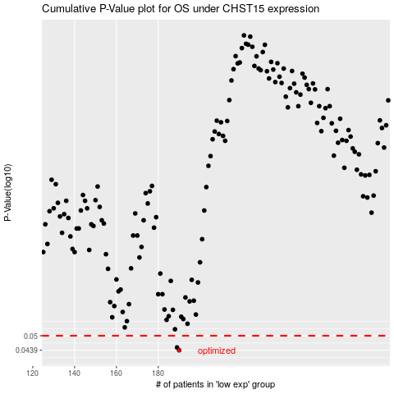

 |  |  |  |  |  | cases_OS | p_OS | rank | exp
 |  |  |  |  |  | 190 | 0.0439 | 223 | -0.10868394407
 |  |  |  |  |  | 189 | 0.045 | 173 | -0.11543631938
 |  |  |  |  |  |  | cases_RFS | p_RFS | rank | exp
 |  |  |  |  |  |  | 189 | 0.0439 | 173 | -0.11543631938
 |  |  |  |  |  |  | 188 | 0.045 | 167 | -0.11871781457

