CHST6 _multivariate
Reported by Tex Li-Hsing Chi. tex@gate.sinica.edu.tw 2019-08-21

Table 2. The clinicopathological features of HNSCC cohort and CHST6 expression. (Chi square test)
Cutoff at -0.275 (49.8%)
 |  | CHST6 expression |  | CHST6 expression |  | (Optimised)
 | Features | Low | (%) | High | (%) | Case no | P-value | Remark | Matthews
Gender | Female | 145 | 34.9 | 161 | 38.8 | 415 | 0.1116 | 0 | 0
2 | Male | 62 | 14.9 | 47 | 11.3
Age at diagnosis | <=65y | 138 | 33.3 | 136 | 32.8 | 415 | 0.8634 | 0 | 0
4 | >65y | 69 | 16.6 | 72 | 17.3
Clinical T Status | T1+T2 | 85 | 20.5 | 64 | 15.4 | 415 | 0.0372 | 1 | 0
6 | T3+T4 | 122 | 29.4 | 144 | 34.7
Clinical N Status | N0 | 109 | 26.3 | 107 | 25.8 | 415 | 0.8812 | 0 | 0
8 | N1-3 | 98 | 23.6 | 101 | 24.3
Clinical M Status | M0 | 205 | 49.4 | 207 | 49.9 | 415 | 0.6232 | 0 | 0
10 | M1 | 2 | 0.5 | 1 | 0.2
Clinical Stage | Stage I+II | 61 | 14.7 | 41 | 9.9 | 415 | 0.0282 | 1 | 0
12 | Stage III+IV | 146 | 35.2 | 167 | 40.2
Surgical Margin status | Negative | 164 | 39.5 | 154 | 37.1 | 415 | 0.2462 | 0 | 0
14 | Positive | 43 | 10.4 | 54 | 13
Tobacco Exposure | Low | 96 | 23.1 | 65 | 15.7 | 415 | 0.0018 | 1 | 0
16 | High | 111 | 26.7 | 143 | 34.5

Table 3. Univariate/Multivariate Cox's proportional hazards regression analyses on OS time of CHST6 gene expression in HNSCC

 |  | Univariate |  |  |  | Multivariate
 | Features | HR | CI95%(L) | CI95%(H) | P-value | HR | CI95%(L) | CI95%(H) | P-value
1 | Female | 1 |  |  |  | 1
Gender | Male | 1.157 | 0.843 | 1.587 | 0.367 | 1.185 | 0.847 | 1.658 | 0.323
11 | <=65y | 1 |  |  |  | 1
Age at diagnosis | >65y | 1.329 | 0.99 | 1.784 | 0.058 | 1.409 | 1.035 | 1.919 | 0.029
12 | T1+T2 | 1 |  |  |  | 1
Clinical T Status | T3+T4 | 1.409 | 1.028 | 1.931 | 0.033 | 2.222 | 1.175 | 4.202 | 0.014
13 | N0 | 1 |  |  |  | 1
Clinical N Status | N1-3 | 1.185 | 0.89 | 1.577 | 0.246 | 1.235 | 0.865 | 1.761 | 0.245
14 | M0 | 1 |  |  |  | 1
Clinical M Status | M1 | 4.097 | 1.009 | 16.644 | 0.049 | 9.285 | 2.025 | 42.57 | 0.004
15 | Stage I+II | 1 |  |  |  | 1
Clinical Stage | Stage III+IV | 1.245 | 0.882 | 1.759 | 0.213 | 0.518 | 0.241 | 1.113 | 0.092
16 | Negative | 1 |  |  |  | 1
Surgical Margin status | Positive | 1.591 | 1.155 | 2.191 | 0.004 | 1.689 | 1.222 | 2.335 | 0.002
17 | Low | 1 |  |  |  | 1
Tobacco Exposure | High | 1.364 | 1.008 | 1.844 | 0.044 | 1.496 | 1.08 | 2.073 | 0.015
18 | Low | 1 |  |  |  | 1
RNAseq(z-score) | High | 0.965 | 0.723 | 1.289 | 0.81 | 0.852 | 0.63 | 1.153 | 0.3

Table 4. Univariate/Multivariate Cox's proportional hazards regression analyses on RFS time of CHST6 gene expression in HNSCC

 |  | Univariate |  |  |  | Multivariate
 | Features | HR | CI95%(L) | CI95%(H) | P-value | HR | CI95%(L) | CI95%(H) | P-value
1 | Female | 1 |  |  |  | 1
Gender | Male | 1.157 | 0.843 | 1.587 | 0.367 | 1.185 | 0.847 | 1.658 | 0.323
11 | <=65y | 1 |  |  |  | 1
Age at diagnosis | >65y | 1.329 | 0.99 | 1.784 | 0.058 | 1.409 | 1.035 | 1.919 | 0.029
12 | T1+T2 | 1 |  |  |  | 1
Clinical T Status | T3+T4 | 1.409 | 1.028 | 1.931 | 0.033 | 2.222 | 1.175 | 4.202 | 0.014
13 | N0 | 1 |  |  |  | 1
Clinical N Status | N1-3 | 1.185 | 0.89 | 1.577 | 0.246 | 1.235 | 0.865 | 1.761 | 0.245
14 | M0 | 1 |  |  |  | 1
Clinical M Status | M1 | 4.097 | 1.009 | 16.644 | 0.049 | 9.285 | 2.025 | 42.57 | 0.004
15 | Stage I+II | 1 |  |  |  | 1
Clinical Stage | Stage III+IV | 1.245 | 0.882 | 1.759 | 0.213 | 0.518 | 0.241 | 1.113 | 0.092
16 | Negative | 1 |  |  |  | 1
Surgical Margin status | Positive | 1.591 | 1.155 | 2.191 | 0.004 | 1.689 | 1.222 | 2.335 | 0.002
17 | Low | 1 |  |  |  | 1
Tobacco Exposure | High | 1.364 | 1.008 | 1.844 | 0.044 | 1.496 | 1.08 | 2.073 | 0.015
18 | Low | 1 |  |  |  | 1
RNAseq(z-score) | High | 0.965 | 0.723 | 1.289 | 0.81 | 0.852 | 0.63 | 1.153 | 0.3

Kaplan-Meier survival estimate: Cutoff at -0.275 (49.8%)



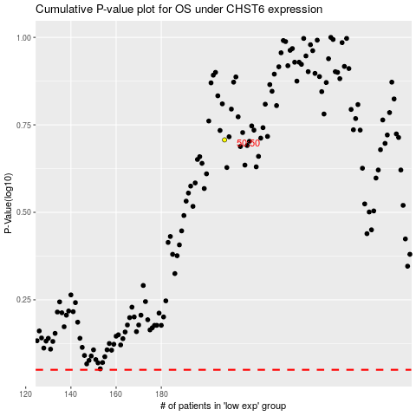

 |  |  |  |  |  | cases_OS | p_OS | rank | exp
 |  |  |  |  |  |  | cases_RFS | p_RFS | rank | exp

