CHST9 _multivariate
Reported by Tex Li-Hsing Chi. tex@gate.sinica.edu.tw 2019-08-21

Table 2. The clinicopathological features of HNSCC cohort and CHST9 expression. (Chi square test)
Cutoff at -0.279 (49.8%)
 |  | CHST9 expression |  | CHST9 expression |  | (Optimised)
 | Features | Low | (%) | High | (%) | Case no | P-value | Remark | Matthews
Gender | Female | 148 | 35.7 | 158 | 38.1 | 415 | 0.3567 | 0 | 0
2 | Male | 59 | 14.2 | 50 | 12
Age at diagnosis | <=65y | 129 | 31.1 | 145 | 34.9 | 415 | 0.1372 | 0 | 0
4 | >65y | 78 | 18.8 | 63 | 15.2
Clinical T Status | T1+T2 | 66 | 15.9 | 83 | 20 | 415 | 0.1095 | 0 | 0
6 | T3+T4 | 141 | 34 | 125 | 30.1
Clinical N Status | N0 | 107 | 25.8 | 109 | 26.3 | 415 | 0.9624 | 0 | 0
8 | N1-3 | 100 | 24.1 | 99 | 23.9
Clinical M Status | M0 | 205 | 49.4 | 207 | 49.9 | 415 | 0.6232 | 0 | 0
10 | M1 | 2 | 0.5 | 1 | 0.2
Clinical Stage | Stage I+II | 48 | 11.6 | 54 | 13 | 415 | 0.5878 | 0 | 0
12 | Stage III+IV | 159 | 38.3 | 154 | 37.1
Surgical Margin status | Negative | 158 | 38.1 | 160 | 38.6 | 415 | 0.9081 | 0 | 0
14 | Positive | 49 | 11.8 | 48 | 11.6
Tobacco Exposure | Low | 92 | 22.2 | 69 | 16.6 | 415 | 0.0206 | 1 | 0
16 | High | 115 | 27.7 | 139 | 33.5

Table 3. Univariate/Multivariate Cox's proportional hazards regression analyses on OS time of CHST9 gene expression in HNSCC

 |  | Univariate |  |  |  | Multivariate
 | Features | HR | CI95%(L) | CI95%(H) | P-value | HR | CI95%(L) | CI95%(H) | P-value
1 | Female | 1 |  |  |  | 1
Gender | Male | 1.157 | 0.843 | 1.587 | 0.367 | 1.199 | 0.858 | 1.675 | 0.289
11 | <=65y | 1 |  |  |  | 1
Age at diagnosis | >65y | 1.329 | 0.99 | 1.784 | 0.058 | 1.399 | 1.029 | 1.903 | 0.032
12 | T1+T2 | 1 |  |  |  | 1
Clinical T Status | T3+T4 | 1.409 | 1.028 | 1.931 | 0.033 | 2.146 | 1.133 | 4.066 | 0.019
13 | N0 | 1 |  |  |  | 1
Clinical N Status | N1-3 | 1.185 | 0.89 | 1.577 | 0.246 | 1.233 | 0.864 | 1.76 | 0.248
14 | M0 | 1 |  |  |  | 1
Clinical M Status | M1 | 4.097 | 1.009 | 16.644 | 0.049 | 9.073 | 1.976 | 41.666 | 0.005
15 | Stage I+II | 1 |  |  |  | 1
Clinical Stage | Stage III+IV | 1.245 | 0.882 | 1.759 | 0.213 | 0.518 | 0.241 | 1.114 | 0.092
16 | Negative | 1 |  |  |  | 1
Surgical Margin status | Positive | 1.591 | 1.155 | 2.191 | 0.004 | 1.661 | 1.203 | 2.295 | 0.002
17 | Low | 1 |  |  |  | 1
Tobacco Exposure | High | 1.364 | 1.008 | 1.844 | 0.044 | 1.487 | 1.075 | 2.059 | 0.017
18 | Low | 1 |  |  |  | 1
RNAseq(z-score) | High | 0.863 | 0.646 | 1.153 | 0.319 | 0.874 | 0.65 | 1.174 | 0.37

Table 4. Univariate/Multivariate Cox's proportional hazards regression analyses on RFS time of CHST9 gene expression in HNSCC

 |  | Univariate |  |  |  | Multivariate
 | Features | HR | CI95%(L) | CI95%(H) | P-value | HR | CI95%(L) | CI95%(H) | P-value
1 | Female | 1 |  |  |  | 1
Gender | Male | 1.157 | 0.843 | 1.587 | 0.367 | 1.199 | 0.858 | 1.675 | 0.289
11 | <=65y | 1 |  |  |  | 1
Age at diagnosis | >65y | 1.329 | 0.99 | 1.784 | 0.058 | 1.399 | 1.029 | 1.903 | 0.032
12 | T1+T2 | 1 |  |  |  | 1
Clinical T Status | T3+T4 | 1.409 | 1.028 | 1.931 | 0.033 | 2.146 | 1.133 | 4.066 | 0.019
13 | N0 | 1 |  |  |  | 1
Clinical N Status | N1-3 | 1.185 | 0.89 | 1.577 | 0.246 | 1.233 | 0.864 | 1.76 | 0.248
14 | M0 | 1 |  |  |  | 1
Clinical M Status | M1 | 4.097 | 1.009 | 16.644 | 0.049 | 9.073 | 1.976 | 41.666 | 0.005
15 | Stage I+II | 1 |  |  |  | 1
Clinical Stage | Stage III+IV | 1.245 | 0.882 | 1.759 | 0.213 | 0.518 | 0.241 | 1.114 | 0.092
16 | Negative | 1 |  |  |  | 1
Surgical Margin status | Positive | 1.591 | 1.155 | 2.191 | 0.004 | 1.661 | 1.203 | 2.295 | 0.002
17 | Low | 1 |  |  |  | 1
Tobacco Exposure | High | 1.364 | 1.008 | 1.844 | 0.044 | 1.487 | 1.075 | 2.059 | 0.017
18 | Low | 1 |  |  |  | 1
RNAseq(z-score) | High | 0.863 | 0.646 | 1.153 | 0.319 | 0.874 | 0.65 | 1.174 | 0.37

Kaplan-Meier survival estimate: Cutoff at -0.279 (49.8%)



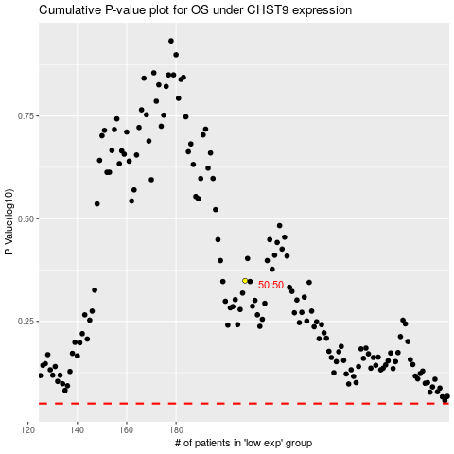

 |  |  |  |  |  | cases_OS | p_OS | rank | exp
 |  |  |  |  |  |  | cases_RFS | p_RFS | rank | exp

