CIC _multivariate
Reported by Tex Li-Hsing Chi. tex@gate.sinica.edu.tw 2019-08-21

Table 2. The clinicopathological features of HNSCC cohort and CIC expression. (Chi square test)
Cutoff at -0.072 (51.0%)
 |  | CIC expression |  | CIC expression |  | (Optimised)
 | Features | Low | (%) | High | (%) | Case no | P-value | Remark | Matthews
Gender | Female | 151 | 36.4 | 155 | 37.3 | 415 | 0.2823 | 0 | 0
2 | Male | 61 | 14.7 | 48 | 11.6
Age at diagnosis | <=65y | 139 | 33.5 | 135 | 32.5 | 415 | 0.9222 | 0 | 0
4 | >65y | 73 | 17.6 | 68 | 16.4
Clinical T Status | T1+T2 | 69 | 16.6 | 80 | 19.3 | 415 | 0.1757 | 0 | 0
6 | T3+T4 | 143 | 34.5 | 123 | 29.6
Clinical N Status | N0 | 112 | 27 | 104 | 25.1 | 415 | 0.82 | 0 | 0
8 | N1-3 | 100 | 24.1 | 99 | 23.9
Clinical M Status | M0 | 209 | 50.4 | 203 | 48.9 | 415 | 0.2485 | 0 | 0
10 | M1 | 3 | 0.7 | 0 | 0
Clinical Stage | Stage I+II | 48 | 11.6 | 54 | 13 | 415 | 0.4108 | 0 | 0
12 | Stage III+IV | 164 | 39.5 | 149 | 35.9
Surgical Margin status | Negative | 158 | 38.1 | 160 | 38.6 | 415 | 0.3534 | 0 | 0
14 | Positive | 54 | 13 | 43 | 10.4
Tobacco Exposure | Low | 86 | 20.7 | 75 | 18.1 | 415 | 0.4812 | 0 | 0
16 | High | 126 | 30.4 | 128 | 30.8

Table 3. Univariate/Multivariate Cox's proportional hazards regression analyses on OS time of CIC gene expression in HNSCC

 |  | Univariate |  |  |  | Multivariate
 | Features | HR | CI95%(L) | CI95%(H) | P-value | HR | CI95%(L) | CI95%(H) | P-value
1 | Female | 1 |  |  |  | 1
Gender | Male | 1.157 | 0.843 | 1.587 | 0.367 | 1.171 | 0.836 | 1.64 | 0.358
11 | <=65y | 1 |  |  |  | 1
Age at diagnosis | >65y | 1.329 | 0.99 | 1.784 | 0.058 | 1.375 | 1.012 | 1.868 | 0.042
12 | T1+T2 | 1 |  |  |  | 1
Clinical T Status | T3+T4 | 1.409 | 1.028 | 1.931 | 0.033 | 2.083 | 1.099 | 3.95 | 0.025
13 | N0 | 1 |  |  |  | 1
Clinical N Status | N1-3 | 1.185 | 0.89 | 1.577 | 0.246 | 1.253 | 0.878 | 1.788 | 0.214
14 | M0 | 1 |  |  |  | 1
Clinical M Status | M1 | 4.097 | 1.009 | 16.644 | 0.049 | 7.802 | 1.681 | 36.208 | 0.009
15 | Stage I+II | 1 |  |  |  | 1
Clinical Stage | Stage III+IV | 1.245 | 0.882 | 1.759 | 0.213 | 0.531 | 0.247 | 1.143 | 0.105
16 | Negative | 1 |  |  |  | 1
Surgical Margin status | Positive | 1.591 | 1.155 | 2.191 | 0.004 | 1.62 | 1.17 | 2.241 | 0.004
17 | Low | 1 |  |  |  | 1
Tobacco Exposure | High | 1.364 | 1.008 | 1.844 | 0.044 | 1.471 | 1.066 | 2.028 | 0.019
18 | Low | 1 |  |  |  | 1
RNAseq(z-score) | High | 0.713 | 0.534 | 0.953 | 0.022 | 0.768 | 0.57 | 1.034 | 0.082

Table 4. Univariate/Multivariate Cox's proportional hazards regression analyses on RFS time of CIC gene expression in HNSCC

 |  | Univariate |  |  |  | Multivariate
 | Features | HR | CI95%(L) | CI95%(H) | P-value | HR | CI95%(L) | CI95%(H) | P-value
1 | Female | 1 |  |  |  | 1
Gender | Male | 1.157 | 0.843 | 1.587 | 0.367 | 1.171 | 0.836 | 1.64 | 0.358
11 | <=65y | 1 |  |  |  | 1
Age at diagnosis | >65y | 1.329 | 0.99 | 1.784 | 0.058 | 1.375 | 1.012 | 1.868 | 0.042
12 | T1+T2 | 1 |  |  |  | 1
Clinical T Status | T3+T4 | 1.409 | 1.028 | 1.931 | 0.033 | 2.083 | 1.099 | 3.95 | 0.025
13 | N0 | 1 |  |  |  | 1
Clinical N Status | N1-3 | 1.185 | 0.89 | 1.577 | 0.246 | 1.253 | 0.878 | 1.788 | 0.214
14 | M0 | 1 |  |  |  | 1
Clinical M Status | M1 | 4.097 | 1.009 | 16.644 | 0.049 | 7.802 | 1.681 | 36.208 | 0.009
15 | Stage I+II | 1 |  |  |  | 1
Clinical Stage | Stage III+IV | 1.245 | 0.882 | 1.759 | 0.213 | 0.531 | 0.247 | 1.143 | 0.105
16 | Negative | 1 |  |  |  | 1
Surgical Margin status | Positive | 1.591 | 1.155 | 2.191 | 0.004 | 1.62 | 1.17 | 2.241 | 0.004
17 | Low | 1 |  |  |  | 1
Tobacco Exposure | High | 1.364 | 1.008 | 1.844 | 0.044 | 1.471 | 1.066 | 2.028 | 0.019
18 | Low | 1 |  |  |  | 1
RNAseq(z-score) | High | 0.713 | 0.534 | 0.953 | 0.022 | 0.768 | 0.57 | 1.034 | 0.082

Kaplan-Meier survival estimate: Cutoff at -0.072 (51.0%)

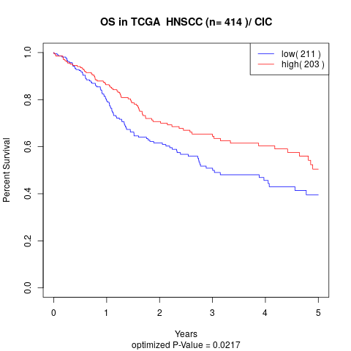

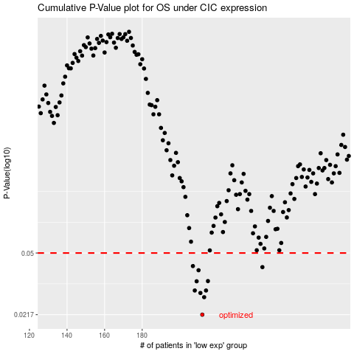

 |  |  |  |  |  | cases_OS | p_OS | rank | exp
 |  |  |  |  |  | 212 | 0.0217 | 121 | -0.072181414719
 |  |  |  |  |  | 213 | 0.0275 | 395 | -0.062331509497
 |  |  |  |  |  | 211 | 0.0291 | 52 | -0.078521644854
 |  |  |  |  |  | 214 | 0.0301 | 299 | -0.059198195102
 |  |  |  |  |  | 208 | 0.0301 | 408 | -0.11717992304
 |  |  |  |  |  | 209 | 0.0341 | 320 | -0.096114958882
 |  |  |  |  |  | 215 | 0.0342 | 183 | -0.05800141707
 |  |  |  |  |  | 210 | 0.0396 | 296 | -0.08307931091
 |  |  |  |  |  | 244 | 0.0413 | 282 | 0.079367643232
 |  |  |  |  |  | 207 | 0.0419 | 289 | -0.11763881518
 |  |  |  |  |  |  | cases_RFS | p_RFS | rank | exp
 |  |  |  |  |  |  | 211 | 0.0217 | 52 | -0.078521644854
 |  |  |  |  |  |  | 212 | 0.0275 | 121 | -0.072181414719
 |  |  |  |  |  |  | 210 | 0.0291 | 296 | -0.08307931091
 |  |  |  |  |  |  | 207 | 0.0301 | 289 | -0.11763881518
 |  |  |  |  |  |  | 213 | 0.0301 | 395 | -0.062331509497
 |  |  |  |  |  |  | 208 | 0.0341 | 408 | -0.11717992304
 |  |  |  |  |  |  | 214 | 0.0342 | 299 | -0.059198195102
 |  |  |  |  |  |  | 209 | 0.0396 | 320 | -0.096114958882
 |  |  |  |  |  |  | 243 | 0.0413 | 389 | 0.073682911572
 |  |  |  |  |  |  | 206 | 0.0419 | 413 | -0.11973465308

