CIDEB _multivariate
Reported by Tex Li-Hsing Chi. tex@gate.sinica.edu.tw 2019-08-21

Table 2. The clinicopathological features of HNSCC cohort and CIDEB expression. (Chi square test)
Cutoff at -0.483 (38.2%)
 |  | CIDEB expression |  | CIDEB expression |  | (Optimised)
 | Features | Low | (%) | High | (%) | Case no | P-value | Remark | Matthews
Gender | Female | 121 | 29.2 | 185 | 44.6 | 415 | 0.4543 | 0 | 0
2 | Male | 38 | 9.2 | 71 | 17.1
Age at diagnosis | <=65y | 106 | 25.5 | 168 | 40.5 | 415 | 0.9114 | 0 | 0
4 | >65y | 53 | 12.8 | 88 | 21.2
Clinical T Status | T1+T2 | 53 | 12.8 | 96 | 23.1 | 415 | 0.4503 | 0 | 0
6 | T3+T4 | 106 | 25.5 | 160 | 38.6
Clinical N Status | N0 | 69 | 16.6 | 147 | 35.4 | 415 | 0.0074 | 1 | 0
8 | N1-3 | 90 | 21.7 | 109 | 26.3
Clinical M Status | M0 | 157 | 37.8 | 255 | 61.4 | 415 | 0.5612 | 0 | 0
10 | M1 | 2 | 0.5 | 1 | 0.2
Clinical Stage | Stage I+II | 33 | 8 | 69 | 16.6 | 415 | 0.1907 | 0 | 0
12 | Stage III+IV | 126 | 30.4 | 187 | 45.1
Surgical Margin status | Negative | 126 | 30.4 | 192 | 46.3 | 415 | 0.3419 | 0 | 0
14 | Positive | 33 | 8 | 64 | 15.4
Tobacco Exposure | Low | 58 | 14 | 103 | 24.8 | 415 | 0.4694 | 0 | 0
16 | High | 101 | 24.3 | 153 | 36.9

Table 3. Univariate/Multivariate Cox's proportional hazards regression analyses on OS time of CIDEB gene expression in HNSCC

 |  | Univariate |  |  |  | Multivariate
 | Features | HR | CI95%(L) | CI95%(H) | P-value | HR | CI95%(L) | CI95%(H) | P-value
1 | Female | 1 |  |  |  | 1
Gender | Male | 1.157 | 0.843 | 1.587 | 0.367 | 1.242 | 0.888 | 1.738 | 0.206
11 | <=65y | 1 |  |  |  | 1
Age at diagnosis | >65y | 1.329 | 0.99 | 1.784 | 0.058 | 1.365 | 1.004 | 1.857 | 0.047
12 | T1+T2 | 1 |  |  |  | 1
Clinical T Status | T3+T4 | 1.409 | 1.028 | 1.931 | 0.033 | 2.152 | 1.139 | 4.067 | 0.018
13 | N0 | 1 |  |  |  | 1
Clinical N Status | N1-3 | 1.185 | 0.89 | 1.577 | 0.246 | 1.155 | 0.805 | 1.659 | 0.433
14 | M0 | 1 |  |  |  | 1
Clinical M Status | M1 | 4.097 | 1.009 | 16.644 | 0.049 | 8.823 | 1.924 | 40.474 | 0.005
15 | Stage I+II | 1 |  |  |  | 1
Clinical Stage | Stage III+IV | 1.245 | 0.882 | 1.759 | 0.213 | 0.544 | 0.253 | 1.171 | 0.12
16 | Negative | 1 |  |  |  | 1
Surgical Margin status | Positive | 1.591 | 1.155 | 2.191 | 0.004 | 1.76 | 1.269 | 2.439 | 0.001
17 | Low | 1 |  |  |  | 1
Tobacco Exposure | High | 1.364 | 1.008 | 1.844 | 0.044 | 1.439 | 1.044 | 1.983 | 0.026
18 | Low | 1 |  |  |  | 1
RNAseq(z-score) | High | 0.734 | 0.55 | 0.98 | 0.036 | 0.702 | 0.521 | 0.946 | 0.02

Table 4. Univariate/Multivariate Cox's proportional hazards regression analyses on RFS time of CIDEB gene expression in HNSCC

 |  | Univariate |  |  |  | Multivariate
 | Features | HR | CI95%(L) | CI95%(H) | P-value | HR | CI95%(L) | CI95%(H) | P-value
1 | Female | 1 |  |  |  | 1
Gender | Male | 1.157 | 0.843 | 1.587 | 0.367 | 1.242 | 0.888 | 1.738 | 0.206
11 | <=65y | 1 |  |  |  | 1
Age at diagnosis | >65y | 1.329 | 0.99 | 1.784 | 0.058 | 1.365 | 1.004 | 1.857 | 0.047
12 | T1+T2 | 1 |  |  |  | 1
Clinical T Status | T3+T4 | 1.409 | 1.028 | 1.931 | 0.033 | 2.152 | 1.139 | 4.067 | 0.018
13 | N0 | 1 |  |  |  | 1
Clinical N Status | N1-3 | 1.185 | 0.89 | 1.577 | 0.246 | 1.155 | 0.805 | 1.659 | 0.433
14 | M0 | 1 |  |  |  | 1
Clinical M Status | M1 | 4.097 | 1.009 | 16.644 | 0.049 | 8.823 | 1.924 | 40.474 | 0.005
15 | Stage I+II | 1 |  |  |  | 1
Clinical Stage | Stage III+IV | 1.245 | 0.882 | 1.759 | 0.213 | 0.544 | 0.253 | 1.171 | 0.12
16 | Negative | 1 |  |  |  | 1
Surgical Margin status | Positive | 1.591 | 1.155 | 2.191 | 0.004 | 1.76 | 1.269 | 2.439 | 0.001
17 | Low | 1 |  |  |  | 1
Tobacco Exposure | High | 1.364 | 1.008 | 1.844 | 0.044 | 1.439 | 1.044 | 1.983 | 0.026
18 | Low | 1 |  |  |  | 1
RNAseq(z-score) | High | 0.734 | 0.55 | 0.98 | 0.036 | 0.702 | 0.521 | 0.946 | 0.02

Kaplan-Meier survival estimate: Cutoff at -0.483 (38.2%)



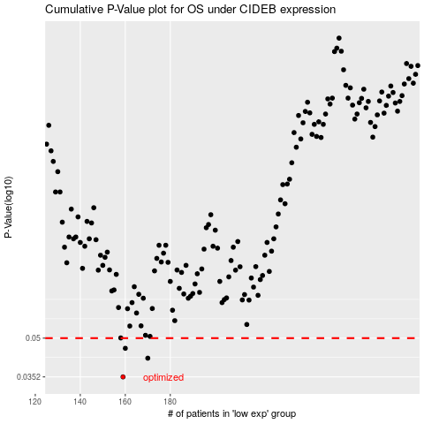

 |  |  |  |  |  | cases_OS | p_OS | rank | exp
 |  |  |  |  |  | 159 | 0.0352 | 166 | -0.48291269755
 |  |  |  |  |  | 170 | 0.0417 | 160 | -0.44661632172
 |  |  |  |  |  | 160 | 0.0456 | 131 | -0.48214669739
 |  |  |  |  |  |  | cases_RFS | p_RFS | rank | exp
 |  |  |  |  |  |  | 158 | 0.0352 | 108 | -0.48777298857
 |  |  |  |  |  |  | 169 | 0.0417 | 202 | -0.44730532082
 |  |  |  |  |  |  | 159 | 0.0456 | 166 | -0.48291269755

