CIDECP _multivariate
Reported by Tex Li-Hsing Chi. tex@gate.sinica.edu.tw 2019-08-21

Table 2. The clinicopathological features of HNSCC cohort and CIDECP expression. (Chi square test)
Cutoff at -0.246 (49.8%)
 |  | CIDECP expression |  | CIDECP expression |  | (Optimised)
 | Features | Low | (%) | High | (%) | Case no | P-value | Remark | Matthews
Gender | Female | 145 | 34.9 | 161 | 38.8 | 415 | 0.1116 | 0 | 0
2 | Male | 62 | 14.9 | 47 | 11.3
Age at diagnosis | <=65y | 136 | 32.8 | 138 | 33.3 | 415 | 0.9719 | 0 | 0
4 | >65y | 71 | 17.1 | 70 | 16.9
Clinical T Status | T1+T2 | 73 | 17.6 | 76 | 18.3 | 415 | 0.8666 | 0 | 0
6 | T3+T4 | 134 | 32.3 | 132 | 31.8
Clinical N Status | N0 | 111 | 26.7 | 105 | 25.3 | 415 | 0.5875 | 0 | 0
8 | N1-3 | 96 | 23.1 | 103 | 24.8
Clinical M Status | M0 | 207 | 49.9 | 205 | 49.4 | 415 | 0.2482 | 0 | 0
10 | M1 | 0 | 0 | 3 | 0.7
Clinical Stage | Stage I+II | 56 | 13.5 | 46 | 11.1 | 415 | 0.2918 | 0 | 0
12 | Stage III+IV | 151 | 36.4 | 162 | 39
Surgical Margin status | Negative | 168 | 40.5 | 150 | 36.1 | 415 | 0.0366 | 1 | 0
14 | Positive | 39 | 9.4 | 58 | 14
Tobacco Exposure | Low | 80 | 19.3 | 81 | 19.5 | 415 | 1 | 0 | 0
16 | High | 127 | 30.6 | 127 | 30.6

Table 3. Univariate/Multivariate Cox's proportional hazards regression analyses on OS time of CIDECP gene expression in HNSCC

 |  | Univariate |  |  |  | Multivariate
 | Features | HR | CI95%(L) | CI95%(H) | P-value | HR | CI95%(L) | CI95%(H) | P-value
1 | Female | 1 |  |  |  | 1
Gender | Male | 1.157 | 0.843 | 1.587 | 0.367 | 1.19 | 0.85 | 1.665 | 0.311
11 | <=65y | 1 |  |  |  | 1
Age at diagnosis | >65y | 1.329 | 0.99 | 1.784 | 0.058 | 1.394 | 1.025 | 1.896 | 0.034
12 | T1+T2 | 1 |  |  |  | 1
Clinical T Status | T3+T4 | 1.409 | 1.028 | 1.931 | 0.033 | 2.184 | 1.154 | 4.131 | 0.016
13 | N0 | 1 |  |  |  | 1
Clinical N Status | N1-3 | 1.185 | 0.89 | 1.577 | 0.246 | 1.237 | 0.867 | 1.766 | 0.241
14 | M0 | 1 |  |  |  | 1
Clinical M Status | M1 | 4.097 | 1.009 | 16.644 | 0.049 | 9.74 | 2.114 | 44.874 | 0.003
15 | Stage I+II | 1 |  |  |  | 1
Clinical Stage | Stage III+IV | 1.245 | 0.882 | 1.759 | 0.213 | 0.509 | 0.237 | 1.094 | 0.084
16 | Negative | 1 |  |  |  | 1
Surgical Margin status | Positive | 1.591 | 1.155 | 2.191 | 0.004 | 1.688 | 1.219 | 2.337 | 0.002
17 | Low | 1 |  |  |  | 1
Tobacco Exposure | High | 1.364 | 1.008 | 1.844 | 0.044 | 1.457 | 1.057 | 2.008 | 0.021
18 | Low | 1 |  |  |  | 1
RNAseq(z-score) | High | 0.962 | 0.722 | 1.283 | 0.793 | 0.92 | 0.686 | 1.233 | 0.576

Table 4. Univariate/Multivariate Cox's proportional hazards regression analyses on RFS time of CIDECP gene expression in HNSCC

 |  | Univariate |  |  |  | Multivariate
 | Features | HR | CI95%(L) | CI95%(H) | P-value | HR | CI95%(L) | CI95%(H) | P-value
1 | Female | 1 |  |  |  | 1
Gender | Male | 1.157 | 0.843 | 1.587 | 0.367 | 1.19 | 0.85 | 1.665 | 0.311
11 | <=65y | 1 |  |  |  | 1
Age at diagnosis | >65y | 1.329 | 0.99 | 1.784 | 0.058 | 1.394 | 1.025 | 1.896 | 0.034
12 | T1+T2 | 1 |  |  |  | 1
Clinical T Status | T3+T4 | 1.409 | 1.028 | 1.931 | 0.033 | 2.184 | 1.154 | 4.131 | 0.016
13 | N0 | 1 |  |  |  | 1
Clinical N Status | N1-3 | 1.185 | 0.89 | 1.577 | 0.246 | 1.237 | 0.867 | 1.766 | 0.241
14 | M0 | 1 |  |  |  | 1
Clinical M Status | M1 | 4.097 | 1.009 | 16.644 | 0.049 | 9.74 | 2.114 | 44.874 | 0.003
15 | Stage I+II | 1 |  |  |  | 1
Clinical Stage | Stage III+IV | 1.245 | 0.882 | 1.759 | 0.213 | 0.509 | 0.237 | 1.094 | 0.084
16 | Negative | 1 |  |  |  | 1
Surgical Margin status | Positive | 1.591 | 1.155 | 2.191 | 0.004 | 1.688 | 1.219 | 2.337 | 0.002
17 | Low | 1 |  |  |  | 1
Tobacco Exposure | High | 1.364 | 1.008 | 1.844 | 0.044 | 1.457 | 1.057 | 2.008 | 0.021
18 | Low | 1 |  |  |  | 1
RNAseq(z-score) | High | 0.962 | 0.722 | 1.283 | 0.793 | 0.92 | 0.686 | 1.233 | 0.576

Kaplan-Meier survival estimate: Cutoff at -0.246 (49.8%)



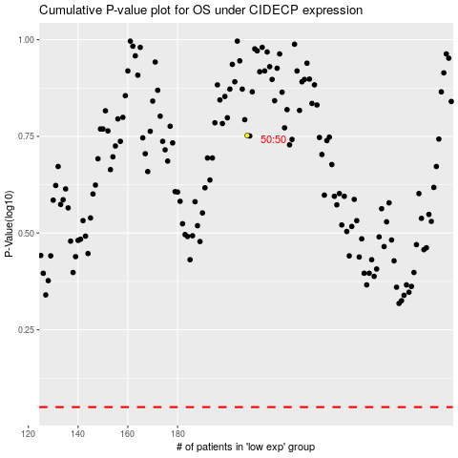

 |  |  |  |  |  | cases_OS | p_OS | rank | exp
 |  |  |  |  |  |  | cases_RFS | p_RFS | rank | exp

