CIITA _multivariate
Reported by Tex Li-Hsing Chi. tex@gate.sinica.edu.tw 2019-08-21

Table 2. The clinicopathological features of HNSCC cohort and CIITA expression. (Chi square test)
Cutoff at -0.394 (49.8%)
 |  | CIITA expression |  | CIITA expression |  | (Optimised)
 | Features | Low | (%) | High | (%) | Case no | P-value | Remark | Matthews
Gender | Female | 156 | 37.6 | 150 | 36.1 | 415 | 0.5222 | 0 | 0
2 | Male | 51 | 12.3 | 58 | 14
Age at diagnosis | <=65y | 145 | 34.9 | 129 | 31.1 | 415 | 0.1046 | 0 | 0
4 | >65y | 62 | 14.9 | 79 | 19
Clinical T Status | T1+T2 | 60 | 14.5 | 89 | 21.4 | 415 | 0.0047 | 1 | 0
6 | T3+T4 | 147 | 35.4 | 119 | 28.7
Clinical N Status | N0 | 119 | 28.7 | 97 | 23.4 | 415 | 0.0345 | 1 | 0
8 | N1-3 | 88 | 21.2 | 111 | 26.7
Clinical M Status | M0 | 207 | 49.9 | 205 | 49.4 | 415 | 0.2482 | 0 | 0
10 | M1 | 0 | 0 | 3 | 0.7
Clinical Stage | Stage I+II | 48 | 11.6 | 54 | 13 | 415 | 0.5878 | 0 | 0
12 | Stage III+IV | 159 | 38.3 | 154 | 37.1
Surgical Margin status | Negative | 160 | 38.6 | 158 | 38.1 | 415 | 0.8167 | 0 | 0
14 | Positive | 47 | 11.3 | 50 | 12
Tobacco Exposure | Low | 70 | 16.9 | 91 | 21.9 | 415 | 0.0439 | 1 | 0
16 | High | 137 | 33 | 117 | 28.2

Table 3. Univariate/Multivariate Cox's proportional hazards regression analyses on OS time of CIITA gene expression in HNSCC

 |  | Univariate |  |  |  | Multivariate
 | Features | HR | CI95%(L) | CI95%(H) | P-value | HR | CI95%(L) | CI95%(H) | P-value
1 | Female | 1 |  |  |  | 1
Gender | Male | 1.157 | 0.843 | 1.587 | 0.367 | 1.197 | 0.857 | 1.672 | 0.292
11 | <=65y | 1 |  |  |  | 1
Age at diagnosis | >65y | 1.329 | 0.99 | 1.784 | 0.058 | 1.419 | 1.044 | 1.93 | 0.026
12 | T1+T2 | 1 |  |  |  | 1
Clinical T Status | T3+T4 | 1.409 | 1.028 | 1.931 | 0.033 | 2.126 | 1.123 | 4.026 | 0.021
13 | N0 | 1 |  |  |  | 1
Clinical N Status | N1-3 | 1.185 | 0.89 | 1.577 | 0.246 | 1.266 | 0.886 | 1.808 | 0.195
14 | M0 | 1 |  |  |  | 1
Clinical M Status | M1 | 4.097 | 1.009 | 16.644 | 0.049 | 10.14 | 2.203 | 46.682 | 0.003
15 | Stage I+II | 1 |  |  |  | 1
Clinical Stage | Stage III+IV | 1.245 | 0.882 | 1.759 | 0.213 | 0.509 | 0.237 | 1.091 | 0.083
16 | Negative | 1 |  |  |  | 1
Surgical Margin status | Positive | 1.591 | 1.155 | 2.191 | 0.004 | 1.698 | 1.228 | 2.349 | 0.001
17 | Low | 1 |  |  |  | 1
Tobacco Exposure | High | 1.364 | 1.008 | 1.844 | 0.044 | 1.406 | 1.017 | 1.944 | 0.039
18 | Low | 1 |  |  |  | 1
RNAseq(z-score) | High | 0.821 | 0.616 | 1.094 | 0.178 | 0.812 | 0.602 | 1.094 | 0.171

Table 4. Univariate/Multivariate Cox's proportional hazards regression analyses on RFS time of CIITA gene expression in HNSCC

 |  | Univariate |  |  |  | Multivariate
 | Features | HR | CI95%(L) | CI95%(H) | P-value | HR | CI95%(L) | CI95%(H) | P-value
1 | Female | 1 |  |  |  | 1
Gender | Male | 1.157 | 0.843 | 1.587 | 0.367 | 1.197 | 0.857 | 1.672 | 0.292
11 | <=65y | 1 |  |  |  | 1
Age at diagnosis | >65y | 1.329 | 0.99 | 1.784 | 0.058 | 1.419 | 1.044 | 1.93 | 0.026
12 | T1+T2 | 1 |  |  |  | 1
Clinical T Status | T3+T4 | 1.409 | 1.028 | 1.931 | 0.033 | 2.126 | 1.123 | 4.026 | 0.021
13 | N0 | 1 |  |  |  | 1
Clinical N Status | N1-3 | 1.185 | 0.89 | 1.577 | 0.246 | 1.266 | 0.886 | 1.808 | 0.195
14 | M0 | 1 |  |  |  | 1
Clinical M Status | M1 | 4.097 | 1.009 | 16.644 | 0.049 | 10.14 | 2.203 | 46.682 | 0.003
15 | Stage I+II | 1 |  |  |  | 1
Clinical Stage | Stage III+IV | 1.245 | 0.882 | 1.759 | 0.213 | 0.509 | 0.237 | 1.091 | 0.083
16 | Negative | 1 |  |  |  | 1
Surgical Margin status | Positive | 1.591 | 1.155 | 2.191 | 0.004 | 1.698 | 1.228 | 2.349 | 0.001
17 | Low | 1 |  |  |  | 1
Tobacco Exposure | High | 1.364 | 1.008 | 1.844 | 0.044 | 1.406 | 1.017 | 1.944 | 0.039
18 | Low | 1 |  |  |  | 1
RNAseq(z-score) | High | 0.821 | 0.616 | 1.094 | 0.178 | 0.812 | 0.602 | 1.094 | 0.171

Kaplan-Meier survival estimate: Cutoff at -0.394 (49.8%)



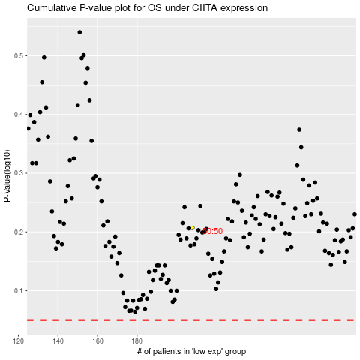

 |  |  |  |  |  | cases_OS | p_OS | rank | exp
 |  |  |  |  |  |  | cases_RFS | p_RFS | rank | exp

