CISD3 _multivariate
Reported by Tex Li-Hsing Chi. tex@gate.sinica.edu.tw 2019-08-21

Table 2. The clinicopathological features of HNSCC cohort and CISD3 expression. (Chi square test)
Cutoff at -0.158 (59.4%)
 |  | CISD3 expression |  | CISD3 expression |  | (Optimised)
 | Features | Low | (%) | High | (%) | Case no | P-value | Remark | Matthews
Gender | Female | 182 | 43.9 | 124 | 29.9 | 415 | 1 | 0 | 0
2 | Male | 65 | 15.7 | 44 | 10.6
Age at diagnosis | <=65y | 169 | 40.7 | 105 | 25.3 | 415 | 0.2524 | 0 | 0
4 | >65y | 78 | 18.8 | 63 | 15.2
Clinical T Status | T1+T2 | 94 | 22.7 | 55 | 13.3 | 415 | 0.3152 | 0 | 0
6 | T3+T4 | 153 | 36.9 | 113 | 27.2
Clinical N Status | N0 | 126 | 30.4 | 90 | 21.7 | 415 | 0.6802 | 0 | 0
8 | N1-3 | 121 | 29.2 | 78 | 18.8
Clinical M Status | M0 | 247 | 59.5 | 165 | 39.8 | 415 | 0.0656 | 0 | 0
10 | M1 | 0 | 0 | 3 | 0.7
Clinical Stage | Stage I+II | 62 | 14.9 | 40 | 9.6 | 415 | 0.8541 | 0 | 0
12 | Stage III+IV | 185 | 44.6 | 128 | 30.8
Surgical Margin status | Negative | 190 | 45.8 | 128 | 30.8 | 415 | 0.9061 | 0 | 0
14 | Positive | 57 | 13.7 | 40 | 9.6
Tobacco Exposure | Low | 102 | 24.6 | 59 | 14.2 | 415 | 0.2192 | 0 | 0
16 | High | 145 | 34.9 | 109 | 26.3

Table 3. Univariate/Multivariate Cox's proportional hazards regression analyses on OS time of CISD3 gene expression in HNSCC

 |  | Univariate |  |  |  | Multivariate
 | Features | HR | CI95%(L) | CI95%(H) | P-value | HR | CI95%(L) | CI95%(H) | P-value
1 | Female | 1 |  |  |  | 1
Gender | Male | 1.157 | 0.843 | 1.587 | 0.367 | 1.191 | 0.852 | 1.667 | 0.306
11 | <=65y | 1 |  |  |  | 1
Age at diagnosis | >65y | 1.329 | 0.99 | 1.784 | 0.058 | 1.371 | 1.008 | 1.865 | 0.044
12 | T1+T2 | 1 |  |  |  | 1
Clinical T Status | T3+T4 | 1.409 | 1.028 | 1.931 | 0.033 | 2.171 | 1.149 | 4.102 | 0.017
13 | N0 | 1 |  |  |  | 1
Clinical N Status | N1-3 | 1.185 | 0.89 | 1.577 | 0.246 | 1.251 | 0.876 | 1.785 | 0.218
14 | M0 | 1 |  |  |  | 1
Clinical M Status | M1 | 4.097 | 1.009 | 16.644 | 0.049 | 8.108 | 1.746 | 37.645 | 0.008
15 | Stage I+II | 1 |  |  |  | 1
Clinical Stage | Stage III+IV | 1.245 | 0.882 | 1.759 | 0.213 | 0.513 | 0.239 | 1.1 | 0.086
16 | Negative | 1 |  |  |  | 1
Surgical Margin status | Positive | 1.591 | 1.155 | 2.191 | 0.004 | 1.648 | 1.193 | 2.278 | 0.002
17 | Low | 1 |  |  |  | 1
Tobacco Exposure | High | 1.364 | 1.008 | 1.844 | 0.044 | 1.422 | 1.03 | 1.963 | 0.032
18 | Low | 1 |  |  |  | 1
RNAseq(z-score) | High | 1.364 | 1.022 | 1.822 | 0.035 | 1.238 | 0.922 | 1.663 | 0.156

Table 4. Univariate/Multivariate Cox's proportional hazards regression analyses on RFS time of CISD3 gene expression in HNSCC

 |  | Univariate |  |  |  | Multivariate
 | Features | HR | CI95%(L) | CI95%(H) | P-value | HR | CI95%(L) | CI95%(H) | P-value
1 | Female | 1 |  |  |  | 1
Gender | Male | 1.157 | 0.843 | 1.587 | 0.367 | 1.191 | 0.852 | 1.667 | 0.306
11 | <=65y | 1 |  |  |  | 1
Age at diagnosis | >65y | 1.329 | 0.99 | 1.784 | 0.058 | 1.371 | 1.008 | 1.865 | 0.044
12 | T1+T2 | 1 |  |  |  | 1
Clinical T Status | T3+T4 | 1.409 | 1.028 | 1.931 | 0.033 | 2.171 | 1.149 | 4.102 | 0.017
13 | N0 | 1 |  |  |  | 1
Clinical N Status | N1-3 | 1.185 | 0.89 | 1.577 | 0.246 | 1.251 | 0.876 | 1.785 | 0.218
14 | M0 | 1 |  |  |  | 1
Clinical M Status | M1 | 4.097 | 1.009 | 16.644 | 0.049 | 8.108 | 1.746 | 37.645 | 0.008
15 | Stage I+II | 1 |  |  |  | 1
Clinical Stage | Stage III+IV | 1.245 | 0.882 | 1.759 | 0.213 | 0.513 | 0.239 | 1.1 | 0.086
16 | Negative | 1 |  |  |  | 1
Surgical Margin status | Positive | 1.591 | 1.155 | 2.191 | 0.004 | 1.648 | 1.193 | 2.278 | 0.002
17 | Low | 1 |  |  |  | 1
Tobacco Exposure | High | 1.364 | 1.008 | 1.844 | 0.044 | 1.422 | 1.03 | 1.963 | 0.032
18 | Low | 1 |  |  |  | 1
RNAseq(z-score) | High | 1.364 | 1.022 | 1.822 | 0.035 | 1.238 | 0.922 | 1.663 | 0.156

Kaplan-Meier survival estimate: Cutoff at -0.158 (59.4%)



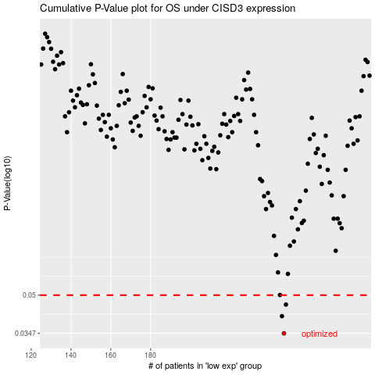

 |  |  |  |  |  | cases_OS | p_OS | rank | exp
 |  |  |  |  |  | 247 | 0.0347 | 409 | -0.15812980835
 |  |  |  |  |  | 246 | 0.0409 | 178 | -0.15822673665
 |  |  |  |  |  | 248 | 0.0457 | 364 | -0.15184461348
 |  |  |  |  |  |  | cases_RFS | p_RFS | rank | exp
 |  |  |  |  |  |  | 246 | 0.0347 | 178 | -0.15822673665
 |  |  |  |  |  |  | 245 | 0.0409 | 89 | -0.16010245083
 |  |  |  |  |  |  | 247 | 0.0457 | 409 | -0.15812980835

