CIT _multivariate
Reported by Tex Li-Hsing Chi. tex@gate.sinica.edu.tw 2019-08-21

Table 2. The clinicopathological features of HNSCC cohort and CIT expression. (Chi square test)
Cutoff at -0.226 (49.8%)
 |  | CIT expression |  | CIT expression |  | (Optimised)
 | Features | Low | (%) | High | (%) | Case no | P-value | Remark | Matthews
Gender | Female | 141 | 34 | 165 | 39.8 | 415 | 0.013 | 1 | 0
2 | Male | 66 | 15.9 | 43 | 10.4
Age at diagnosis | <=65y | 134 | 32.3 | 140 | 33.7 | 415 | 0.6529 | 0 | 0
4 | >65y | 73 | 17.6 | 68 | 16.4
Clinical T Status | T1+T2 | 71 | 17.1 | 78 | 18.8 | 415 | 0.5638 | 0 | 0
6 | T3+T4 | 136 | 32.8 | 130 | 31.3
Clinical N Status | N0 | 115 | 27.7 | 101 | 24.3 | 415 | 0.184 | 1 | 0
8 | N1-3 | 92 | 22.2 | 107 | 25.8
Clinical M Status | M0 | 206 | 49.6 | 206 | 49.6 | 415 | 1 | 0 | 0
10 | M1 | 1 | 0.2 | 2 | 0.5
Clinical Stage | Stage I+II | 55 | 13.3 | 47 | 11.3 | 415 | 0.4087 | 0 | 0
12 | Stage III+IV | 152 | 36.6 | 161 | 38.8
Surgical Margin status | Negative | 159 | 38.3 | 159 | 38.3 | 415 | 1 | 0 | 0
14 | Positive | 48 | 11.6 | 49 | 11.8
Tobacco Exposure | Low | 95 | 22.9 | 66 | 15.9 | 415 | 0.0035 | 1 | 0
16 | High | 112 | 27 | 142 | 34.2

Table 3. Univariate/Multivariate Cox's proportional hazards regression analyses on OS time of CIT gene expression in HNSCC

 |  | Univariate |  |  |  | Multivariate
 | Features | HR | CI95%(L) | CI95%(H) | P-value | HR | CI95%(L) | CI95%(H) | P-value
1 | Female | 1 |  |  |  | 1
Gender | Male | 1.157 | 0.843 | 1.587 | 0.367 | 1.227 | 0.874 | 1.724 | 0.237
11 | <=65y | 1 |  |  |  | 1
Age at diagnosis | >65y | 1.329 | 0.99 | 1.784 | 0.058 | 1.389 | 1.022 | 1.888 | 0.036
12 | T1+T2 | 1 |  |  |  | 1
Clinical T Status | T3+T4 | 1.409 | 1.028 | 1.931 | 0.033 | 2.257 | 1.19 | 4.283 | 0.013
13 | N0 | 1 |  |  |  | 1
Clinical N Status | N1-3 | 1.185 | 0.89 | 1.577 | 0.246 | 1.238 | 0.867 | 1.766 | 0.24
14 | M0 | 1 |  |  |  | 1
Clinical M Status | M1 | 4.097 | 1.009 | 16.644 | 0.049 | 9.609 | 2.093 | 44.11 | 0.004
15 | Stage I+II | 1 |  |  |  | 1
Clinical Stage | Stage III+IV | 1.245 | 0.882 | 1.759 | 0.213 | 0.492 | 0.228 | 1.059 | 0.07
16 | Negative | 1 |  |  |  | 1
Surgical Margin status | Positive | 1.591 | 1.155 | 2.191 | 0.004 | 1.677 | 1.213 | 2.318 | 0.002
17 | Low | 1 |  |  |  | 1
Tobacco Exposure | High | 1.364 | 1.008 | 1.844 | 0.044 | 1.441 | 1.045 | 1.989 | 0.026
18 | Low | 1 |  |  |  | 1
RNAseq(z-score) | High | 1.079 | 0.81 | 1.438 | 0.602 | 1.111 | 0.825 | 1.496 | 0.488

Table 4. Univariate/Multivariate Cox's proportional hazards regression analyses on RFS time of CIT gene expression in HNSCC

 |  | Univariate |  |  |  | Multivariate
 | Features | HR | CI95%(L) | CI95%(H) | P-value | HR | CI95%(L) | CI95%(H) | P-value
1 | Female | 1 |  |  |  | 1
Gender | Male | 1.157 | 0.843 | 1.587 | 0.367 | 1.227 | 0.874 | 1.724 | 0.237
11 | <=65y | 1 |  |  |  | 1
Age at diagnosis | >65y | 1.329 | 0.99 | 1.784 | 0.058 | 1.389 | 1.022 | 1.888 | 0.036
12 | T1+T2 | 1 |  |  |  | 1
Clinical T Status | T3+T4 | 1.409 | 1.028 | 1.931 | 0.033 | 2.257 | 1.19 | 4.283 | 0.013
13 | N0 | 1 |  |  |  | 1
Clinical N Status | N1-3 | 1.185 | 0.89 | 1.577 | 0.246 | 1.238 | 0.867 | 1.766 | 0.24
14 | M0 | 1 |  |  |  | 1
Clinical M Status | M1 | 4.097 | 1.009 | 16.644 | 0.049 | 9.609 | 2.093 | 44.11 | 0.004
15 | Stage I+II | 1 |  |  |  | 1
Clinical Stage | Stage III+IV | 1.245 | 0.882 | 1.759 | 0.213 | 0.492 | 0.228 | 1.059 | 0.07
16 | Negative | 1 |  |  |  | 1
Surgical Margin status | Positive | 1.591 | 1.155 | 2.191 | 0.004 | 1.677 | 1.213 | 2.318 | 0.002
17 | Low | 1 |  |  |  | 1
Tobacco Exposure | High | 1.364 | 1.008 | 1.844 | 0.044 | 1.441 | 1.045 | 1.989 | 0.026
18 | Low | 1 |  |  |  | 1
RNAseq(z-score) | High | 1.079 | 0.81 | 1.438 | 0.602 | 1.111 | 0.825 | 1.496 | 0.488

Kaplan-Meier survival estimate: Cutoff at -0.226 (49.8%)

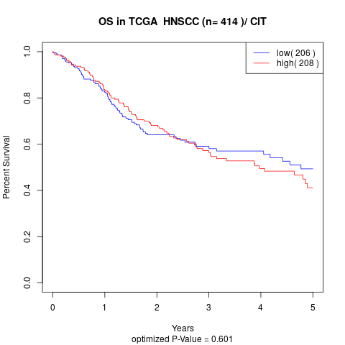

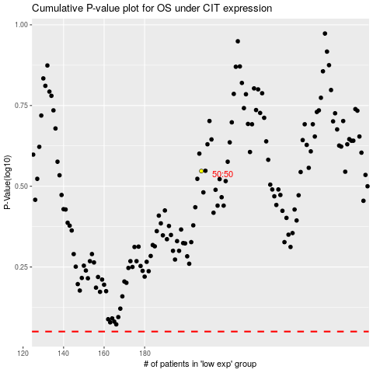

 |  |  |  |  |  | cases_OS | p_OS | rank | exp
 |  |  |  |  |  |  | cases_RFS | p_RFS | rank | exp

