CKAP2L _multivariate
Reported by Tex Li-Hsing Chi. tex@gate.sinica.edu.tw 2019-08-21

Table 2. The clinicopathological features of HNSCC cohort and CKAP2L expression. (Chi square test)
Cutoff at -0.484 (32.9%)
 |  | CKAP2L expression |  | CKAP2L expression |  | (Optimised)
 | Features | Low | (%) | High | (%) | Case no | P-value | Remark | Matthews
Gender | Female | 101 | 24.3 | 205 | 49.4 | 415 | 1 | 0 | 0
2 | Male | 36 | 8.7 | 73 | 17.6
Age at diagnosis | <=65y | 91 | 21.9 | 183 | 44.1 | 415 | 0.9917 | 0 | 0
4 | >65y | 46 | 11.1 | 95 | 22.9
Clinical T Status | T1+T2 | 52 | 12.5 | 97 | 23.4 | 415 | 0.6149 | 0 | 0
6 | T3+T4 | 85 | 20.5 | 181 | 43.6
Clinical N Status | N0 | 76 | 18.3 | 140 | 33.7 | 415 | 0.3809 | 0 | 0
8 | N1-3 | 61 | 14.7 | 138 | 33.3
Clinical M Status | M0 | 136 | 32.8 | 276 | 66.5 | 415 | 1 | 0 | 0
10 | M1 | 1 | 0.2 | 2 | 0.5
Clinical Stage | Stage I+II | 35 | 8.4 | 67 | 16.1 | 415 | 0.841 | 0 | 0
12 | Stage III+IV | 102 | 24.6 | 211 | 50.8
Surgical Margin status | Negative | 106 | 25.5 | 212 | 51.1 | 415 | 0.9019 | 0 | 0
14 | Positive | 31 | 7.5 | 66 | 15.9
Tobacco Exposure | Low | 60 | 14.5 | 101 | 24.3 | 415 | 0.1638 | 0 | 0
16 | High | 77 | 18.6 | 177 | 42.7

Table 3. Univariate/Multivariate Cox's proportional hazards regression analyses on OS time of CKAP2L gene expression in HNSCC

 |  | Univariate |  |  |  | Multivariate
 | Features | HR | CI95%(L) | CI95%(H) | P-value | HR | CI95%(L) | CI95%(H) | P-value
1 | Female | 1 |  |  |  | 1
Gender | Male | 1.157 | 0.843 | 1.587 | 0.367 | 1.207 | 0.864 | 1.685 | 0.27
11 | <=65y | 1 |  |  |  | 1
Age at diagnosis | >65y | 1.329 | 0.99 | 1.784 | 0.058 | 1.371 | 1.009 | 1.864 | 0.044
12 | T1+T2 | 1 |  |  |  | 1
Clinical T Status | T3+T4 | 1.409 | 1.028 | 1.931 | 0.033 | 2.215 | 1.171 | 4.19 | 0.014
13 | N0 | 1 |  |  |  | 1
Clinical N Status | N1-3 | 1.185 | 0.89 | 1.577 | 0.246 | 1.226 | 0.858 | 1.75 | 0.263
14 | M0 | 1 |  |  |  | 1
Clinical M Status | M1 | 4.097 | 1.009 | 16.644 | 0.049 | 9.875 | 2.152 | 45.318 | 0.003
15 | Stage I+II | 1 |  |  |  | 1
Clinical Stage | Stage III+IV | 1.245 | 0.882 | 1.759 | 0.213 | 0.506 | 0.235 | 1.087 | 0.081
16 | Negative | 1 |  |  |  | 1
Surgical Margin status | Positive | 1.591 | 1.155 | 2.191 | 0.004 | 1.714 | 1.239 | 2.372 | 0.001
17 | Low | 1 |  |  |  | 1
Tobacco Exposure | High | 1.364 | 1.008 | 1.844 | 0.044 | 1.438 | 1.043 | 1.982 | 0.027
18 | Low | 1 |  |  |  | 1
RNAseq(z-score) | High | 1.535 | 1.109 | 2.125 | 0.01 | 1.548 | 1.116 | 2.149 | 0.009

Table 4. Univariate/Multivariate Cox's proportional hazards regression analyses on RFS time of CKAP2L gene expression in HNSCC

 |  | Univariate |  |  |  | Multivariate
 | Features | HR | CI95%(L) | CI95%(H) | P-value | HR | CI95%(L) | CI95%(H) | P-value
1 | Female | 1 |  |  |  | 1
Gender | Male | 1.157 | 0.843 | 1.587 | 0.367 | 1.207 | 0.864 | 1.685 | 0.27
11 | <=65y | 1 |  |  |  | 1
Age at diagnosis | >65y | 1.329 | 0.99 | 1.784 | 0.058 | 1.371 | 1.009 | 1.864 | 0.044
12 | T1+T2 | 1 |  |  |  | 1
Clinical T Status | T3+T4 | 1.409 | 1.028 | 1.931 | 0.033 | 2.215 | 1.171 | 4.19 | 0.014
13 | N0 | 1 |  |  |  | 1
Clinical N Status | N1-3 | 1.185 | 0.89 | 1.577 | 0.246 | 1.226 | 0.858 | 1.75 | 0.263
14 | M0 | 1 |  |  |  | 1
Clinical M Status | M1 | 4.097 | 1.009 | 16.644 | 0.049 | 9.875 | 2.152 | 45.318 | 0.003
15 | Stage I+II | 1 |  |  |  | 1
Clinical Stage | Stage III+IV | 1.245 | 0.882 | 1.759 | 0.213 | 0.506 | 0.235 | 1.087 | 0.081
16 | Negative | 1 |  |  |  | 1
Surgical Margin status | Positive | 1.591 | 1.155 | 2.191 | 0.004 | 1.714 | 1.239 | 2.372 | 0.001
17 | Low | 1 |  |  |  | 1
Tobacco Exposure | High | 1.364 | 1.008 | 1.844 | 0.044 | 1.438 | 1.043 | 1.982 | 0.027
18 | Low | 1 |  |  |  | 1
RNAseq(z-score) | High | 1.535 | 1.109 | 2.125 | 0.01 | 1.548 | 1.116 | 2.149 | 0.009

Kaplan-Meier survival estimate: Cutoff at -0.484 (32.9%)

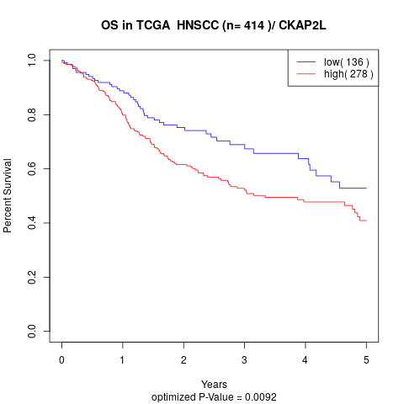

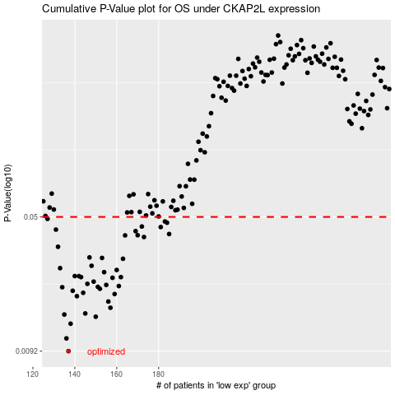

 |  |  |  |  |  | cases_OS | p_OS | rank | exp
 |  |  |  |  |  | 137 | 0.0092 | 372 | -0.48396786137
 |  |  |  |  |  | 136 | 0.0108 | 103 | -0.48432671777
 |  |  |  |  |  | 138 | 0.013 | 250 | -0.48264543205
 |  |  |  |  |  | 150 | 0.0142 | 276 | -0.38832083326
 |  |  |  |  |  | 135 | 0.0146 | 122 | -0.48660030281
 |  |  |  |  |  | 145 | 0.0148 | 289 | -0.43879293109
 |  |  |  |  |  | 157 | 0.0159 | 21 | -0.34847038832
 |  |  |  |  |  | 156 | 0.0172 | 98 | -0.36096413754
 |  |  |  |  |  | 141 | 0.0184 | 375 | -0.46739134448
 |  |  |  |  |  | 159 | 0.0189 | 302 | -0.32155491627
 |  |  |  |  |  | 144 | 0.0192 | 71 | -0.45544312322
 |  |  |  |  |  | 139 | 0.0197 | 266 | -0.47960198206
 |  |  |  |  |  | 152 | 0.0202 | 349 | -0.3811383244
 |  |  |  |  |  | 134 | 0.0206 | 32 | -0.48983539123
 |  |  |  |  |  | 151 | 0.0207 | 172 | -0.3839156329
 |  |  |  |  |  | 161 | 0.0209 | 254 | -0.30472012211
 |  |  |  |  |  | 155 | 0.0212 | 83 | -0.36492231954
 |  |  |  |  |  | 146 | 0.0215 | 80 | -0.42756697561
 |  |  |  |  |  | 149 | 0.0221 | 232 | -0.39200956253
 |  |  |  |  |  | 158 | 0.0232 | 31 | -0.344742338
 |  |  |  |  |  | 162 | 0.0234 | 107 | -0.29492338366
 |  |  |  |  |  | 143 | 0.0234 | 392 | -0.46069227769
 |  |  |  |  |  | 140 | 0.0237 | 40 | -0.47493064022
 |  |  |  |  |  | 142 | 0.0237 | 306 | -0.46154161257
 |  |  |  |  |  | 154 | 0.0249 | 335 | -0.36611850755
 |  |  |  |  |  | 160 | 0.0256 | 89 | -0.30706324334
 |  |  |  |  |  | 133 | 0.0262 | 151 | -0.49586227485
 |  |  |  |  |  | 148 | 0.027 | 324 | -0.42465225035
 |  |  |  |  |  | 163 | 0.0295 | 387 | -0.28250993219
 |  |  |  |  |  | 153 | 0.0298 | 93 | -0.370571721
 |  |  |  |  |  | 147 | 0.03 | 147 | -0.4250914045
 |  |  |  |  |  | 132 | 0.0343 | 282 | -0.49752865996
 |  |  |  |  |  | 173 | 0.0388 | 123 | -0.2500518464
 |  |  |  |  |  | 164 | 0.0396 | 88 | -0.28204180463
 |  |  |  |  |  | 170 | 0.0397 | 364 | -0.26212548114
 |  |  |  |  |  | 185 | 0.0403 | 281 | -0.18925072715
 |  |  |  |  |  | 169 | 0.0418 | 81 | -0.26269501564
 |  |  |  |  |  | 131 | 0.0426 | 169 | -0.50215447215
 |  |  |  |  |  | 181 | 0.044 | 217 | -0.21168566797
 |  |  |  |  |  | 172 | 0.0443 | 36 | -0.25359860595
 |  |  |  |  |  | 184 | 0.0465 | 293 | -0.19343241833
 |  |  |  |  |  | 183 | 0.0472 | 345 | -0.19385998312
 |  |  |  |  |  | 127 | 0.0488 | 240 | -0.52190233595
 |  |  |  |  |  |  | cases_RFS | p_RFS | rank | exp
 |  |  |  |  |  |  | 136 | 0.0092 | 103 | -0.48432671777
 |  |  |  |  |  |  | 135 | 0.0108 | 122 | -0.48660030281
 |  |  |  |  |  |  | 137 | 0.013 | 372 | -0.48396786137
 |  |  |  |  |  |  | 149 | 0.0142 | 232 | -0.39200956253
 |  |  |  |  |  |  | 134 | 0.0146 | 32 | -0.48983539123
 |  |  |  |  |  |  | 144 | 0.0148 | 71 | -0.45544312322
 |  |  |  |  |  |  | 156 | 0.0159 | 98 | -0.36096413754
 |  |  |  |  |  |  | 155 | 0.0172 | 83 | -0.36492231954
 |  |  |  |  |  |  | 140 | 0.0184 | 40 | -0.47493064022
 |  |  |  |  |  |  | 158 | 0.0189 | 31 | -0.344742338
 |  |  |  |  |  |  | 143 | 0.0192 | 392 | -0.46069227769
 |  |  |  |  |  |  | 138 | 0.0197 | 250 | -0.48264543205
 |  |  |  |  |  |  | 151 | 0.0202 | 172 | -0.3839156329
 |  |  |  |  |  |  | 133 | 0.0206 | 151 | -0.49586227485
 |  |  |  |  |  |  | 150 | 0.0207 | 276 | -0.38832083326
 |  |  |  |  |  |  | 160 | 0.0209 | 89 | -0.30706324334
 |  |  |  |  |  |  | 154 | 0.0212 | 335 | -0.36611850755
 |  |  |  |  |  |  | 145 | 0.0215 | 289 | -0.43879293109
 |  |  |  |  |  |  | 148 | 0.0221 | 324 | -0.42465225035
 |  |  |  |  |  |  | 157 | 0.0232 | 21 | -0.34847038832
 |  |  |  |  |  |  | 161 | 0.0234 | 254 | -0.30472012211
 |  |  |  |  |  |  | 142 | 0.0234 | 306 | -0.46154161257
 |  |  |  |  |  |  | 139 | 0.0237 | 266 | -0.47960198206
 |  |  |  |  |  |  | 141 | 0.0237 | 375 | -0.46739134448
 |  |  |  |  |  |  | 153 | 0.0249 | 93 | -0.370571721
 |  |  |  |  |  |  | 159 | 0.0256 | 302 | -0.32155491627
 |  |  |  |  |  |  | 132 | 0.0262 | 282 | -0.49752865996
 |  |  |  |  |  |  | 147 | 0.027 | 147 | -0.4250914045
 |  |  |  |  |  |  | 162 | 0.0295 | 107 | -0.29492338366
 |  |  |  |  |  |  | 152 | 0.0298 | 349 | -0.3811383244
 |  |  |  |  |  |  | 146 | 0.03 | 80 | -0.42756697561
 |  |  |  |  |  |  | 131 | 0.0343 | 169 | -0.50215447215
 |  |  |  |  |  |  | 172 | 0.0388 | 36 | -0.25359860595
 |  |  |  |  |  |  | 163 | 0.0396 | 387 | -0.28250993219
 |  |  |  |  |  |  | 169 | 0.0397 | 81 | -0.26269501564
 |  |  |  |  |  |  | 184 | 0.0403 | 293 | -0.19343241833
 |  |  |  |  |  |  | 168 | 0.0418 | 219 | -0.26578937605
 |  |  |  |  |  |  | 130 | 0.0426 | 45 | -0.50289536369
 |  |  |  |  |  |  | 180 | 0.044 | 382 | -0.22053373413
 |  |  |  |  |  |  | 171 | 0.0443 | 262 | -0.25834362304
 |  |  |  |  |  |  | 183 | 0.0465 | 345 | -0.19385998312
 |  |  |  |  |  |  | 182 | 0.0472 | 51 | -0.21023451393
 |  |  |  |  |  |  | 126 | 0.0488 | 94 | -0.52306044463

