CKAP4 _multivariate
Reported by Tex Li-Hsing Chi. tex@gate.sinica.edu.tw 2019-08-21

Table 2. The clinicopathological features of HNSCC cohort and CKAP4 expression. (Chi square test)
Cutoff at 0.053 (50.0%)
 |  | CKAP4 expression |  | CKAP4 expression |  | (Optimised)
 | Features | Low | (%) | High | (%) | Case no | P-value | Remark | Matthews
Gender | Female | 158 | 38.1 | 148 | 35.7 | 415 | 0.2774 | 0 | 0
2 | Male | 49 | 11.8 | 60 | 14.5
Age at diagnosis | <=65y | 138 | 33.3 | 136 | 32.8 | 415 | 0.8634 | 0 | 0
4 | >65y | 69 | 16.6 | 72 | 17.3
Clinical T Status | T1+T2 | 69 | 16.6 | 80 | 19.3 | 415 | 0.3239 | 0 | 0
6 | T3+T4 | 138 | 33.3 | 128 | 30.8
Clinical N Status | N0 | 100 | 24.1 | 116 | 28 | 415 | 0.1548 | 0 | 0
8 | N1-3 | 107 | 25.8 | 92 | 22.2
Clinical M Status | M0 | 206 | 49.6 | 206 | 49.6 | 415 | 1 | 0 | 0
10 | M1 | 1 | 0.2 | 2 | 0.5
Clinical Stage | Stage I+II | 44 | 10.6 | 58 | 14 | 415 | 0.1459 | 0 | 0
12 | Stage III+IV | 163 | 39.3 | 150 | 36.1
Surgical Margin status | Negative | 155 | 37.3 | 163 | 39.3 | 415 | 0.4187 | 0 | 0
14 | Positive | 52 | 12.5 | 45 | 10.8
Tobacco Exposure | Low | 70 | 16.9 | 91 | 21.9 | 415 | 0.0439 | 1 | 0
16 | High | 137 | 33 | 117 | 28.2

Table 3. Univariate/Multivariate Cox's proportional hazards regression analyses on OS time of CKAP4 gene expression in HNSCC

 |  | Univariate |  |  |  | Multivariate
 | Features | HR | CI95%(L) | CI95%(H) | P-value | HR | CI95%(L) | CI95%(H) | P-value
1 | Female | 1 |  |  |  | 1
Gender | Male | 1.157 | 0.843 | 1.587 | 0.367 | 1.191 | 0.851 | 1.665 | 0.309
11 | <=65y | 1 |  |  |  | 1
Age at diagnosis | >65y | 1.329 | 0.99 | 1.784 | 0.058 | 1.39 | 1.022 | 1.89 | 0.036
12 | T1+T2 | 1 |  |  |  | 1
Clinical T Status | T3+T4 | 1.409 | 1.028 | 1.931 | 0.033 | 2.206 | 1.166 | 4.172 | 0.015
13 | N0 | 1 |  |  |  | 1
Clinical N Status | N1-3 | 1.185 | 0.89 | 1.577 | 0.246 | 1.249 | 0.876 | 1.782 | 0.219
14 | M0 | 1 |  |  |  | 1
Clinical M Status | M1 | 4.097 | 1.009 | 16.644 | 0.049 | 8.999 | 1.957 | 41.388 | 0.005
15 | Stage I+II | 1 |  |  |  | 1
Clinical Stage | Stage III+IV | 1.245 | 0.882 | 1.759 | 0.213 | 0.509 | 0.237 | 1.094 | 0.084
16 | Negative | 1 |  |  |  | 1
Surgical Margin status | Positive | 1.591 | 1.155 | 2.191 | 0.004 | 1.699 | 1.227 | 2.353 | 0.001
17 | Low | 1 |  |  |  | 1
Tobacco Exposure | High | 1.364 | 1.008 | 1.844 | 0.044 | 1.488 | 1.074 | 2.062 | 0.017
18 | Low | 1 |  |  |  | 1
RNAseq(z-score) | High | 1.05 | 0.788 | 1.398 | 0.739 | 1.142 | 0.849 | 1.538 | 0.38

Table 4. Univariate/Multivariate Cox's proportional hazards regression analyses on RFS time of CKAP4 gene expression in HNSCC

 |  | Univariate |  |  |  | Multivariate
 | Features | HR | CI95%(L) | CI95%(H) | P-value | HR | CI95%(L) | CI95%(H) | P-value
1 | Female | 1 |  |  |  | 1
Gender | Male | 1.157 | 0.843 | 1.587 | 0.367 | 1.191 | 0.851 | 1.665 | 0.309
11 | <=65y | 1 |  |  |  | 1
Age at diagnosis | >65y | 1.329 | 0.99 | 1.784 | 0.058 | 1.39 | 1.022 | 1.89 | 0.036
12 | T1+T2 | 1 |  |  |  | 1
Clinical T Status | T3+T4 | 1.409 | 1.028 | 1.931 | 0.033 | 2.206 | 1.166 | 4.172 | 0.015
13 | N0 | 1 |  |  |  | 1
Clinical N Status | N1-3 | 1.185 | 0.89 | 1.577 | 0.246 | 1.249 | 0.876 | 1.782 | 0.219
14 | M0 | 1 |  |  |  | 1
Clinical M Status | M1 | 4.097 | 1.009 | 16.644 | 0.049 | 8.999 | 1.957 | 41.388 | 0.005
15 | Stage I+II | 1 |  |  |  | 1
Clinical Stage | Stage III+IV | 1.245 | 0.882 | 1.759 | 0.213 | 0.509 | 0.237 | 1.094 | 0.084
16 | Negative | 1 |  |  |  | 1
Surgical Margin status | Positive | 1.591 | 1.155 | 2.191 | 0.004 | 1.699 | 1.227 | 2.353 | 0.001
17 | Low | 1 |  |  |  | 1
Tobacco Exposure | High | 1.364 | 1.008 | 1.844 | 0.044 | 1.488 | 1.074 | 2.062 | 0.017
18 | Low | 1 |  |  |  | 1
RNAseq(z-score) | High | 1.05 | 0.788 | 1.398 | 0.739 | 1.142 | 0.849 | 1.538 | 0.38

Kaplan-Meier survival estimate: Cutoff at 0.053 (50.0%)



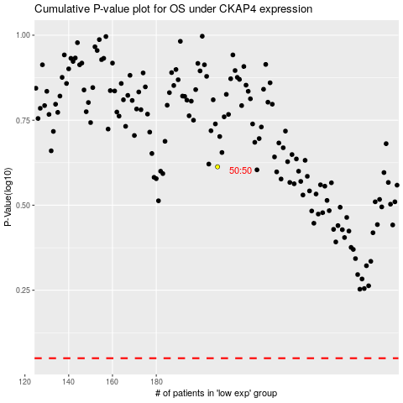

 |  |  |  |  |  | cases_OS | p_OS | rank | exp
 |  |  |  |  |  |  | cases_RFS | p_RFS | rank | exp

