CKLF _multivariate
Reported by Tex Li-Hsing Chi. tex@gate.sinica.edu.tw 2019-08-21

Table 2. The clinicopathological features of HNSCC cohort and CKLF expression. (Chi square test)
Cutoff at -0.192 (49.8%)
 |  | CKLF expression |  | CKLF expression |  | (Optimised)
 | Features | Low | (%) | High | (%) | Case no | P-value | Remark | Matthews
Gender | Female | 151 | 36.4 | 155 | 37.3 | 415 | 0.8007 | 0 | 0
2 | Male | 56 | 13.5 | 53 | 12.8
Age at diagnosis | <=65y | 128 | 30.8 | 146 | 35.2 | 415 | 0.0904 | 0 | 0
4 | >65y | 79 | 19 | 62 | 14.9
Clinical T Status | T1+T2 | 71 | 17.1 | 78 | 18.8 | 415 | 0.5638 | 0 | 0
6 | T3+T4 | 136 | 32.8 | 130 | 31.3
Clinical N Status | N0 | 116 | 28 | 100 | 24.1 | 415 | 0.1273 | 1 | 0
8 | N1-3 | 91 | 21.9 | 108 | 26
Clinical M Status | M0 | 206 | 49.6 | 206 | 49.6 | 415 | 1 | 0 | 0
10 | M1 | 1 | 0.2 | 2 | 0.5
Clinical Stage | Stage I+II | 51 | 12.3 | 51 | 12.3 | 415 | 1 | 0 | 0
12 | Stage III+IV | 156 | 37.6 | 157 | 37.8
Surgical Margin status | Negative | 161 | 38.8 | 157 | 37.8 | 415 | 0.6429 | 0 | 0
14 | Positive | 46 | 11.1 | 51 | 12.3
Tobacco Exposure | Low | 83 | 20 | 78 | 18.8 | 415 | 0.6152 | 0 | 0
16 | High | 124 | 29.9 | 130 | 31.3

Table 3. Univariate/Multivariate Cox's proportional hazards regression analyses on OS time of CKLF gene expression in HNSCC

 |  | Univariate |  |  |  | Multivariate
 | Features | HR | CI95%(L) | CI95%(H) | P-value | HR | CI95%(L) | CI95%(H) | P-value
1 | Female | 1 |  |  |  | 1
Gender | Male | 1.157 | 0.843 | 1.587 | 0.367 | 1.198 | 0.856 | 1.675 | 0.292
11 | <=65y | 1 |  |  |  | 1
Age at diagnosis | >65y | 1.329 | 0.99 | 1.784 | 0.058 | 1.396 | 1.026 | 1.901 | 0.034
12 | T1+T2 | 1 |  |  |  | 1
Clinical T Status | T3+T4 | 1.409 | 1.028 | 1.931 | 0.033 | 2.204 | 1.166 | 4.168 | 0.015
13 | N0 | 1 |  |  |  | 1
Clinical N Status | N1-3 | 1.185 | 0.89 | 1.577 | 0.246 | 1.238 | 0.867 | 1.768 | 0.239
14 | M0 | 1 |  |  |  | 1
Clinical M Status | M1 | 4.097 | 1.009 | 16.644 | 0.049 | 9.312 | 2.027 | 42.788 | 0.004
15 | Stage I+II | 1 |  |  |  | 1
Clinical Stage | Stage III+IV | 1.245 | 0.882 | 1.759 | 0.213 | 0.505 | 0.235 | 1.085 | 0.08
16 | Negative | 1 |  |  |  | 1
Surgical Margin status | Positive | 1.591 | 1.155 | 2.191 | 0.004 | 1.664 | 1.202 | 2.304 | 0.002
17 | Low | 1 |  |  |  | 1
Tobacco Exposure | High | 1.364 | 1.008 | 1.844 | 0.044 | 1.447 | 1.048 | 1.997 | 0.025
18 | Low | 1 |  |  |  | 1
RNAseq(z-score) | High | 1.1 | 0.825 | 1.467 | 0.515 | 1.035 | 0.771 | 1.39 | 0.818

Table 4. Univariate/Multivariate Cox's proportional hazards regression analyses on RFS time of CKLF gene expression in HNSCC

 |  | Univariate |  |  |  | Multivariate
 | Features | HR | CI95%(L) | CI95%(H) | P-value | HR | CI95%(L) | CI95%(H) | P-value
1 | Female | 1 |  |  |  | 1
Gender | Male | 1.157 | 0.843 | 1.587 | 0.367 | 1.198 | 0.856 | 1.675 | 0.292
11 | <=65y | 1 |  |  |  | 1
Age at diagnosis | >65y | 1.329 | 0.99 | 1.784 | 0.058 | 1.396 | 1.026 | 1.901 | 0.034
12 | T1+T2 | 1 |  |  |  | 1
Clinical T Status | T3+T4 | 1.409 | 1.028 | 1.931 | 0.033 | 2.204 | 1.166 | 4.168 | 0.015
13 | N0 | 1 |  |  |  | 1
Clinical N Status | N1-3 | 1.185 | 0.89 | 1.577 | 0.246 | 1.238 | 0.867 | 1.768 | 0.239
14 | M0 | 1 |  |  |  | 1
Clinical M Status | M1 | 4.097 | 1.009 | 16.644 | 0.049 | 9.312 | 2.027 | 42.788 | 0.004
15 | Stage I+II | 1 |  |  |  | 1
Clinical Stage | Stage III+IV | 1.245 | 0.882 | 1.759 | 0.213 | 0.505 | 0.235 | 1.085 | 0.08
16 | Negative | 1 |  |  |  | 1
Surgical Margin status | Positive | 1.591 | 1.155 | 2.191 | 0.004 | 1.664 | 1.202 | 2.304 | 0.002
17 | Low | 1 |  |  |  | 1
Tobacco Exposure | High | 1.364 | 1.008 | 1.844 | 0.044 | 1.447 | 1.048 | 1.997 | 0.025
18 | Low | 1 |  |  |  | 1
RNAseq(z-score) | High | 1.1 | 0.825 | 1.467 | 0.515 | 1.035 | 0.771 | 1.39 | 0.818

Kaplan-Meier survival estimate: Cutoff at -0.192 (49.8%)



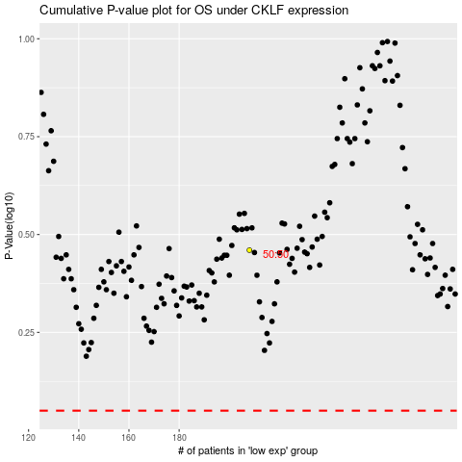

 |  |  |  |  |  | cases_OS | p_OS | rank | exp
 |  |  |  |  |  |  | cases_RFS | p_RFS | rank | exp

