CKMT1A _multivariate
Reported by Tex Li-Hsing Chi. tex@gate.sinica.edu.tw 2019-08-21

Table 2. The clinicopathological features of HNSCC cohort and CKMT1A expression. (Chi square test)
Cutoff at -0.333 (49.8%)
 |  | CKMT1A expression |  | CKMT1A expression |  | (Optimised)
 | Features | Low | (%) | High | (%) | Case no | P-value | Remark | Matthews
Gender | Female | 157 | 37.8 | 149 | 35.9 | 415 | 0.3881 | 0 | 0
2 | Male | 50 | 12 | 59 | 14.2
Age at diagnosis | <=65y | 139 | 33.5 | 135 | 32.5 | 415 | 0.7044 | 0 | 0
4 | >65y | 68 | 16.4 | 73 | 17.6
Clinical T Status | T1+T2 | 72 | 17.3 | 77 | 18.6 | 415 | 0.7095 | 0 | 0
6 | T3+T4 | 135 | 32.5 | 131 | 31.6
Clinical N Status | N0 | 95 | 22.9 | 121 | 29.2 | 415 | 0.0162 | 1 | 0
8 | N1-3 | 112 | 27 | 87 | 21
Clinical M Status | M0 | 205 | 49.4 | 207 | 49.9 | 415 | 0.6232 | 0 | 0
10 | M1 | 2 | 0.5 | 1 | 0.2
Clinical Stage | Stage I+II | 45 | 10.8 | 57 | 13.7 | 415 | 0.2202 | 0 | 0
12 | Stage III+IV | 162 | 39 | 151 | 36.4
Surgical Margin status | Negative | 163 | 39.3 | 155 | 37.3 | 415 | 0.3537 | 0 | 0
14 | Positive | 44 | 10.6 | 53 | 12.8
Tobacco Exposure | Low | 76 | 18.3 | 85 | 20.5 | 415 | 0.4207 | 0 | 0
16 | High | 131 | 31.6 | 123 | 29.6

Table 3. Univariate/Multivariate Cox's proportional hazards regression analyses on OS time of CKMT1A gene expression in HNSCC

 |  | Univariate |  |  |  | Multivariate
 | Features | HR | CI95%(L) | CI95%(H) | P-value | HR | CI95%(L) | CI95%(H) | P-value
1 | Female | 1 |  |  |  | 1
Gender | Male | 1.157 | 0.843 | 1.587 | 0.367 | 1.187 | 0.848 | 1.661 | 0.318
11 | <=65y | 1 |  |  |  | 1
Age at diagnosis | >65y | 1.329 | 0.99 | 1.784 | 0.058 | 1.402 | 1.031 | 1.906 | 0.031
12 | T1+T2 | 1 |  |  |  | 1
Clinical T Status | T3+T4 | 1.409 | 1.028 | 1.931 | 0.033 | 2.217 | 1.172 | 4.191 | 0.014
13 | N0 | 1 |  |  |  | 1
Clinical N Status | N1-3 | 1.185 | 0.89 | 1.577 | 0.246 | 1.27 | 0.886 | 1.821 | 0.193
14 | M0 | 1 |  |  |  | 1
Clinical M Status | M1 | 4.097 | 1.009 | 16.644 | 0.049 | 9.463 | 2.064 | 43.384 | 0.004
15 | Stage I+II | 1 |  |  |  | 1
Clinical Stage | Stage III+IV | 1.245 | 0.882 | 1.759 | 0.213 | 0.497 | 0.231 | 1.067 | 0.073
16 | Negative | 1 |  |  |  | 1
Surgical Margin status | Positive | 1.591 | 1.155 | 2.191 | 0.004 | 1.646 | 1.189 | 2.279 | 0.003
17 | Low | 1 |  |  |  | 1
Tobacco Exposure | High | 1.364 | 1.008 | 1.844 | 0.044 | 1.451 | 1.052 | 2 | 0.023
18 | Low | 1 |  |  |  | 1
RNAseq(z-score) | High | 1.155 | 0.867 | 1.54 | 0.324 | 1.126 | 0.838 | 1.511 | 0.431

Table 4. Univariate/Multivariate Cox's proportional hazards regression analyses on RFS time of CKMT1A gene expression in HNSCC

 |  | Univariate |  |  |  | Multivariate
 | Features | HR | CI95%(L) | CI95%(H) | P-value | HR | CI95%(L) | CI95%(H) | P-value
1 | Female | 1 |  |  |  | 1
Gender | Male | 1.157 | 0.843 | 1.587 | 0.367 | 1.187 | 0.848 | 1.661 | 0.318
11 | <=65y | 1 |  |  |  | 1
Age at diagnosis | >65y | 1.329 | 0.99 | 1.784 | 0.058 | 1.402 | 1.031 | 1.906 | 0.031
12 | T1+T2 | 1 |  |  |  | 1
Clinical T Status | T3+T4 | 1.409 | 1.028 | 1.931 | 0.033 | 2.217 | 1.172 | 4.191 | 0.014
13 | N0 | 1 |  |  |  | 1
Clinical N Status | N1-3 | 1.185 | 0.89 | 1.577 | 0.246 | 1.27 | 0.886 | 1.821 | 0.193
14 | M0 | 1 |  |  |  | 1
Clinical M Status | M1 | 4.097 | 1.009 | 16.644 | 0.049 | 9.463 | 2.064 | 43.384 | 0.004
15 | Stage I+II | 1 |  |  |  | 1
Clinical Stage | Stage III+IV | 1.245 | 0.882 | 1.759 | 0.213 | 0.497 | 0.231 | 1.067 | 0.073
16 | Negative | 1 |  |  |  | 1
Surgical Margin status | Positive | 1.591 | 1.155 | 2.191 | 0.004 | 1.646 | 1.189 | 2.279 | 0.003
17 | Low | 1 |  |  |  | 1
Tobacco Exposure | High | 1.364 | 1.008 | 1.844 | 0.044 | 1.451 | 1.052 | 2 | 0.023
18 | Low | 1 |  |  |  | 1
RNAseq(z-score) | High | 1.155 | 0.867 | 1.54 | 0.324 | 1.126 | 0.838 | 1.511 | 0.431

Kaplan-Meier survival estimate: Cutoff at -0.333 (49.8%)



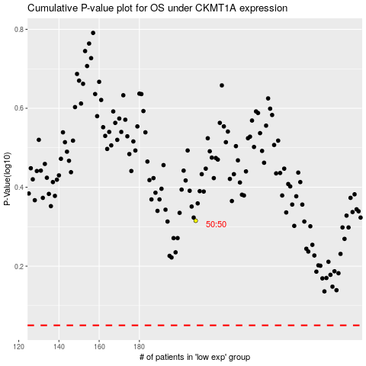

 |  |  |  |  |  | cases_OS | p_OS | rank | exp
 |  |  |  |  |  |  | cases_RFS | p_RFS | rank | exp

