CKMT2 _multivariate
Reported by Tex Li-Hsing Chi. tex@gate.sinica.edu.tw 2019-08-21

Table 2. The clinicopathological features of HNSCC cohort and CKMT2 expression. (Chi square test)
Cutoff at -0.199 (50.0%)
 |  | CKMT2 expression |  | CKMT2 expression |  | (Optimised)
 | Features | Low | (%) | High | (%) | Case no | P-value | Remark | Matthews
Gender | Female | 153 | 36.9 | 153 | 36.9 | 415 | 1 | 0 | 0
2 | Male | 54 | 13 | 55 | 13.3
Age at diagnosis | <=65y | 120 | 28.9 | 154 | 37.1 | 415 | 8e-04 | 1 | 0
4 | >65y | 87 | 21 | 54 | 13
Clinical T Status | T1+T2 | 65 | 15.7 | 84 | 20.2 | 415 | 0.0711 | 0 | 0
6 | T3+T4 | 142 | 34.2 | 124 | 29.9
Clinical N Status | N0 | 112 | 27 | 104 | 25.1 | 415 | 0.4599 | 0 | 0
8 | N1-3 | 95 | 22.9 | 104 | 25.1
Clinical M Status | M0 | 204 | 49.2 | 208 | 50.1 | 415 | 0.1232 | 0 | 0
10 | M1 | 3 | 0.7 | 0 | 0
Clinical Stage | Stage I+II | 44 | 10.6 | 58 | 14 | 415 | 0.1459 | 0 | 0
12 | Stage III+IV | 163 | 39.3 | 150 | 36.1
Surgical Margin status | Negative | 148 | 35.7 | 170 | 41 | 415 | 0.015 | 1 | 0
14 | Positive | 59 | 14.2 | 38 | 9.2
Tobacco Exposure | Low | 86 | 20.7 | 75 | 18.1 | 415 | 0.2687 | 0 | 0
16 | High | 121 | 29.2 | 133 | 32

Table 3. Univariate/Multivariate Cox's proportional hazards regression analyses on OS time of CKMT2 gene expression in HNSCC

 |  | Univariate |  |  |  | Multivariate
 | Features | HR | CI95%(L) | CI95%(H) | P-value | HR | CI95%(L) | CI95%(H) | P-value
1 | Female | 1 |  |  |  | 1
Gender | Male | 1.157 | 0.843 | 1.587 | 0.367 | 1.193 | 0.854 | 1.668 | 0.301
11 | <=65y | 1 |  |  |  | 1
Age at diagnosis | >65y | 1.329 | 0.99 | 1.784 | 0.058 | 1.413 | 1.036 | 1.928 | 0.029
12 | T1+T2 | 1 |  |  |  | 1
Clinical T Status | T3+T4 | 1.409 | 1.028 | 1.931 | 0.033 | 2.193 | 1.16 | 4.148 | 0.016
13 | N0 | 1 |  |  |  | 1
Clinical N Status | N1-3 | 1.185 | 0.89 | 1.577 | 0.246 | 1.23 | 0.861 | 1.757 | 0.255
14 | M0 | 1 |  |  |  | 1
Clinical M Status | M1 | 4.097 | 1.009 | 16.644 | 0.049 | 9.895 | 2.144 | 45.669 | 0.003
15 | Stage I+II | 1 |  |  |  | 1
Clinical Stage | Stage III+IV | 1.245 | 0.882 | 1.759 | 0.213 | 0.51 | 0.237 | 1.094 | 0.084
16 | Negative | 1 |  |  |  | 1
Surgical Margin status | Positive | 1.591 | 1.155 | 2.191 | 0.004 | 1.684 | 1.218 | 2.328 | 0.002
17 | Low | 1 |  |  |  | 1
Tobacco Exposure | High | 1.364 | 1.008 | 1.844 | 0.044 | 1.443 | 1.047 | 1.989 | 0.025
18 | Low | 1 |  |  |  | 1
RNAseq(z-score) | High | 1.043 | 0.783 | 1.389 | 0.773 | 1.109 | 0.825 | 1.491 | 0.493

Table 4. Univariate/Multivariate Cox's proportional hazards regression analyses on RFS time of CKMT2 gene expression in HNSCC

 |  | Univariate |  |  |  | Multivariate
 | Features | HR | CI95%(L) | CI95%(H) | P-value | HR | CI95%(L) | CI95%(H) | P-value
1 | Female | 1 |  |  |  | 1
Gender | Male | 1.157 | 0.843 | 1.587 | 0.367 | 1.193 | 0.854 | 1.668 | 0.301
11 | <=65y | 1 |  |  |  | 1
Age at diagnosis | >65y | 1.329 | 0.99 | 1.784 | 0.058 | 1.413 | 1.036 | 1.928 | 0.029
12 | T1+T2 | 1 |  |  |  | 1
Clinical T Status | T3+T4 | 1.409 | 1.028 | 1.931 | 0.033 | 2.193 | 1.16 | 4.148 | 0.016
13 | N0 | 1 |  |  |  | 1
Clinical N Status | N1-3 | 1.185 | 0.89 | 1.577 | 0.246 | 1.23 | 0.861 | 1.757 | 0.255
14 | M0 | 1 |  |  |  | 1
Clinical M Status | M1 | 4.097 | 1.009 | 16.644 | 0.049 | 9.895 | 2.144 | 45.669 | 0.003
15 | Stage I+II | 1 |  |  |  | 1
Clinical Stage | Stage III+IV | 1.245 | 0.882 | 1.759 | 0.213 | 0.51 | 0.237 | 1.094 | 0.084
16 | Negative | 1 |  |  |  | 1
Surgical Margin status | Positive | 1.591 | 1.155 | 2.191 | 0.004 | 1.684 | 1.218 | 2.328 | 0.002
17 | Low | 1 |  |  |  | 1
Tobacco Exposure | High | 1.364 | 1.008 | 1.844 | 0.044 | 1.443 | 1.047 | 1.989 | 0.025
18 | Low | 1 |  |  |  | 1
RNAseq(z-score) | High | 1.043 | 0.783 | 1.389 | 0.773 | 1.109 | 0.825 | 1.491 | 0.493

Kaplan-Meier survival estimate: Cutoff at -0.199 (50.0%)



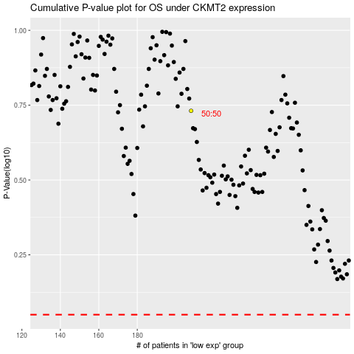

 |  |  |  |  |  | cases_OS | p_OS | rank | exp
 |  |  |  |  |  |  | cases_RFS | p_RFS | rank | exp

