CKS2 _multivariate
Reported by Tex Li-Hsing Chi. tex@gate.sinica.edu.tw 2019-08-21

Table 2. The clinicopathological features of HNSCC cohort and CKS2 expression. (Chi square test)
Cutoff at -0.357 (39.6%)
 |  | CKS2 expression |  | CKS2 expression |  | (Optimised)
 | Features | Low | (%) | High | (%) | Case no | P-value | Remark | Matthews
Gender | Female | 119 | 28.7 | 187 | 45.1 | 415 | 0.6221 | 0 | 0
2 | Male | 46 | 11.1 | 63 | 15.2
Age at diagnosis | <=65y | 112 | 27 | 162 | 39 | 415 | 0.5877 | 0 | 0
4 | >65y | 53 | 12.8 | 88 | 21.2
Clinical T Status | T1+T2 | 61 | 14.7 | 88 | 21.2 | 415 | 0.7924 | 0 | 0
6 | T3+T4 | 104 | 25.1 | 162 | 39
Clinical N Status | N0 | 93 | 22.4 | 123 | 29.6 | 415 | 0.1838 | 0 | 0
8 | N1-3 | 72 | 17.3 | 127 | 30.6
Clinical M Status | M0 | 165 | 39.8 | 247 | 59.5 | 415 | 0.2797 | 0 | 0
10 | M1 | 0 | 0 | 3 | 0.7
Clinical Stage | Stage I+II | 42 | 10.1 | 60 | 14.5 | 415 | 0.8256 | 0 | 0
12 | Stage III+IV | 123 | 29.6 | 190 | 45.8
Surgical Margin status | Negative | 137 | 33 | 181 | 43.6 | 415 | 0.0129 | 1 | 0
14 | Positive | 28 | 6.7 | 69 | 16.6
Tobacco Exposure | Low | 76 | 18.3 | 85 | 20.5 | 415 | 0.0178 | 1 | 0
16 | High | 89 | 21.4 | 165 | 39.8

Table 3. Univariate/Multivariate Cox's proportional hazards regression analyses on OS time of CKS2 gene expression in HNSCC

 |  | Univariate |  |  |  | Multivariate
 | Features | HR | CI95%(L) | CI95%(H) | P-value | HR | CI95%(L) | CI95%(H) | P-value
1 | Female | 1 |  |  |  | 1
Gender | Male | 1.157 | 0.843 | 1.587 | 0.367 | 1.185 | 0.846 | 1.658 | 0.323
11 | <=65y | 1 |  |  |  | 1
Age at diagnosis | >65y | 1.329 | 0.99 | 1.784 | 0.058 | 1.355 | 0.995 | 1.845 | 0.054
12 | T1+T2 | 1 |  |  |  | 1
Clinical T Status | T3+T4 | 1.409 | 1.028 | 1.931 | 0.033 | 2.166 | 1.146 | 4.095 | 0.017
13 | N0 | 1 |  |  |  | 1
Clinical N Status | N1-3 | 1.185 | 0.89 | 1.577 | 0.246 | 1.197 | 0.837 | 1.711 | 0.325
14 | M0 | 1 |  |  |  | 1
Clinical M Status | M1 | 4.097 | 1.009 | 16.644 | 0.049 | 8.447 | 1.834 | 38.909 | 0.006
15 | Stage I+II | 1 |  |  |  | 1
Clinical Stage | Stage III+IV | 1.245 | 0.882 | 1.759 | 0.213 | 0.524 | 0.244 | 1.126 | 0.098
16 | Negative | 1 |  |  |  | 1
Surgical Margin status | Positive | 1.591 | 1.155 | 2.191 | 0.004 | 1.618 | 1.168 | 2.24 | 0.004
17 | Low | 1 |  |  |  | 1
Tobacco Exposure | High | 1.364 | 1.008 | 1.844 | 0.044 | 1.402 | 1.014 | 1.94 | 0.041
18 | Low | 1 |  |  |  | 1
RNAseq(z-score) | High | 1.487 | 1.1 | 2.009 | 0.01 | 1.294 | 0.949 | 1.764 | 0.103

Table 4. Univariate/Multivariate Cox's proportional hazards regression analyses on RFS time of CKS2 gene expression in HNSCC

 |  | Univariate |  |  |  | Multivariate
 | Features | HR | CI95%(L) | CI95%(H) | P-value | HR | CI95%(L) | CI95%(H) | P-value
1 | Female | 1 |  |  |  | 1
Gender | Male | 1.157 | 0.843 | 1.587 | 0.367 | 1.185 | 0.846 | 1.658 | 0.323
11 | <=65y | 1 |  |  |  | 1
Age at diagnosis | >65y | 1.329 | 0.99 | 1.784 | 0.058 | 1.355 | 0.995 | 1.845 | 0.054
12 | T1+T2 | 1 |  |  |  | 1
Clinical T Status | T3+T4 | 1.409 | 1.028 | 1.931 | 0.033 | 2.166 | 1.146 | 4.095 | 0.017
13 | N0 | 1 |  |  |  | 1
Clinical N Status | N1-3 | 1.185 | 0.89 | 1.577 | 0.246 | 1.197 | 0.837 | 1.711 | 0.325
14 | M0 | 1 |  |  |  | 1
Clinical M Status | M1 | 4.097 | 1.009 | 16.644 | 0.049 | 8.447 | 1.834 | 38.909 | 0.006
15 | Stage I+II | 1 |  |  |  | 1
Clinical Stage | Stage III+IV | 1.245 | 0.882 | 1.759 | 0.213 | 0.524 | 0.244 | 1.126 | 0.098
16 | Negative | 1 |  |  |  | 1
Surgical Margin status | Positive | 1.591 | 1.155 | 2.191 | 0.004 | 1.618 | 1.168 | 2.24 | 0.004
17 | Low | 1 |  |  |  | 1
Tobacco Exposure | High | 1.364 | 1.008 | 1.844 | 0.044 | 1.402 | 1.014 | 1.94 | 0.041
18 | Low | 1 |  |  |  | 1
RNAseq(z-score) | High | 1.487 | 1.1 | 2.009 | 0.01 | 1.294 | 0.949 | 1.764 | 0.103

Kaplan-Meier survival estimate: Cutoff at -0.357 (39.6%)

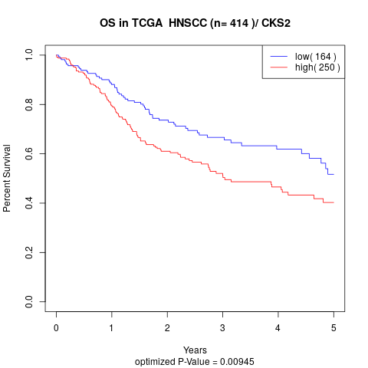

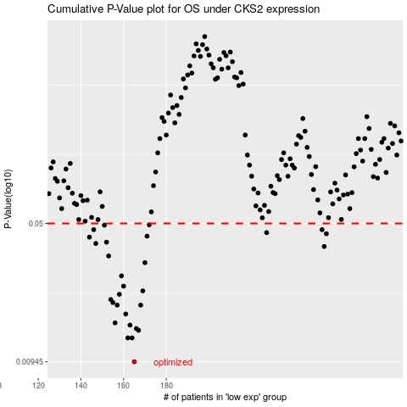

 |  |  |  |  |  | cases_OS | p_OS | rank | exp
 |  |  |  |  |  | 165 | 0.00945 | 115 | -0.35738313204
 |  |  |  |  |  | 164 | 0.0126 | 106 | -0.35929643192
 |  |  |  |  |  | 162 | 0.0126 | 366 | -0.36730039056
 |  |  |  |  |  | 167 | 0.0138 | 385 | -0.3340393687
 |  |  |  |  |  | 166 | 0.0141 | 291 | -0.34432077868
 |  |  |  |  |  | 163 | 0.0147 | 178 | -0.36381627373
 |  |  |  |  |  | 156 | 0.0151 | 267 | -0.39078725639
 |  |  |  |  |  | 161 | 0.0168 | 41 | -0.38069108214
 |  |  |  |  |  | 157 | 0.0187 | 226 | -0.38863123903
 |  |  |  |  |  | 168 | 0.0187 | 266 | -0.33347538538
 |  |  |  |  |  | 155 | 0.0193 | 60 | -0.39588071198
 |  |  |  |  |  | 154 | 0.02 | 20 | -0.39777520239
 |  |  |  |  |  | 158 | 0.0213 | 90 | -0.38693492526
 |  |  |  |  |  | 169 | 0.0222 | 191 | -0.32561558256
 |  |  |  |  |  | 160 | 0.0235 | 120 | -0.38205198533
 |  |  |  |  |  | 159 | 0.0266 | 353 | -0.38519542494
 |  |  |  |  |  | 170 | 0.0312 | 79 | -0.31723784202
 |  |  |  |  |  | 153 | 0.0338 | 219 | -0.4002866436
 |  |  |  |  |  | 254 | 0.0379 | 244 | -0.0039007152167
 |  |  |  |  |  | 147 | 0.0393 | 138 | -0.41784792263
 |  |  |  |  |  | 152 | 0.0399 | 314 | -0.40034728535
 |  |  |  |  |  | 144 | 0.0424 | 220 | -0.42106479443
 |  |  |  |  |  | 171 | 0.0429 | 55 | -0.30891382134
 |  |  |  |  |  | 255 | 0.0442 | 203 | -0.0031203476826
 |  |  |  |  |  | 227 | 0.0448 | 253 | -0.090558979979
 |  |  |  |  |  | 146 | 0.0464 | 136 | -0.41875544223
 |  |  |  |  |  | 253 | 0.0464 | 164 | -0.0040528462574
 |  |  |  |  |  | 151 | 0.049 | 126 | -0.40082835651
 |  |  |  |  |  | 172 | 0.0492 | 273 | -0.30213714338
 |  |  |  |  |  |  | cases_RFS | p_RFS | rank | exp
 |  |  |  |  |  |  | 164 | 0.00945 | 106 | -0.35929643192
 |  |  |  |  |  |  | 161 | 0.0126 | 41 | -0.38069108214
 |  |  |  |  |  |  | 163 | 0.0126 | 178 | -0.36381627373
 |  |  |  |  |  |  | 166 | 0.0138 | 291 | -0.34432077868
 |  |  |  |  |  |  | 165 | 0.0141 | 115 | -0.35738313204
 |  |  |  |  |  |  | 162 | 0.0147 | 366 | -0.36730039056
 |  |  |  |  |  |  | 155 | 0.0151 | 60 | -0.39588071198
 |  |  |  |  |  |  | 160 | 0.0168 | 120 | -0.38205198533
 |  |  |  |  |  |  | 156 | 0.0187 | 267 | -0.39078725639
 |  |  |  |  |  |  | 167 | 0.0187 | 385 | -0.3340393687
 |  |  |  |  |  |  | 154 | 0.0193 | 20 | -0.39777520239
 |  |  |  |  |  |  | 153 | 0.02 | 219 | -0.4002866436
 |  |  |  |  |  |  | 157 | 0.0213 | 226 | -0.38863123903
 |  |  |  |  |  |  | 168 | 0.0222 | 266 | -0.33347538538
 |  |  |  |  |  |  | 159 | 0.0235 | 353 | -0.38519542494
 |  |  |  |  |  |  | 158 | 0.0266 | 90 | -0.38693492526
 |  |  |  |  |  |  | 169 | 0.0312 | 191 | -0.32561558256
 |  |  |  |  |  |  | 152 | 0.0338 | 314 | -0.40034728535
 |  |  |  |  |  |  | 253 | 0.0379 | 164 | -0.0040528462574
 |  |  |  |  |  |  | 146 | 0.0393 | 136 | -0.41875544223
 |  |  |  |  |  |  | 151 | 0.0399 | 126 | -0.40082835651
 |  |  |  |  |  |  | 143 | 0.0424 | 26 | -0.42865975983
 |  |  |  |  |  |  | 170 | 0.0429 | 79 | -0.31723784202
 |  |  |  |  |  |  | 254 | 0.0442 | 244 | -0.0039007152167
 |  |  |  |  |  |  | 226 | 0.0448 | 110 | -0.092208044346
 |  |  |  |  |  |  | 252 | 0.0464 | 83 | -0.01212918376
 |  |  |  |  |  |  | 145 | 0.0464 | 303 | -0.41931611508
 |  |  |  |  |  |  | 150 | 0.049 | 49 | -0.4064087518
 |  |  |  |  |  |  | 171 | 0.0492 | 55 | -0.30891382134

