CLASP1 _multivariate
Reported by Tex Li-Hsing Chi. tex@gate.sinica.edu.tw 2019-08-21

Table 2. The clinicopathological features of HNSCC cohort and CLASP1 expression. (Chi square test)
Cutoff at -0.084 (49.8%)
 |  | CLASP1 expression |  | CLASP1 expression |  | (Optimised)
 | Features | Low | (%) | High | (%) | Case no | P-value | Remark | Matthews
Gender | Female | 149 | 35.9 | 157 | 37.8 | 415 | 0.4848 | 0 | 0
2 | Male | 58 | 14 | 51 | 12.3
Age at diagnosis | <=65y | 137 | 33 | 137 | 33 | 415 | 1 | 0 | 0
4 | >65y | 70 | 16.9 | 71 | 17.1
Clinical T Status | T1+T2 | 77 | 18.6 | 72 | 17.3 | 415 | 0.6556 | 0 | 0
6 | T3+T4 | 130 | 31.3 | 136 | 32.8
Clinical N Status | N0 | 103 | 24.8 | 113 | 27.2 | 415 | 0.4047 | 0 | 0
8 | N1-3 | 104 | 25.1 | 95 | 22.9
Clinical M Status | M0 | 206 | 49.6 | 206 | 49.6 | 415 | 1 | 0 | 0
10 | M1 | 1 | 0.2 | 2 | 0.5
Clinical Stage | Stage I+II | 53 | 12.8 | 49 | 11.8 | 415 | 0.7113 | 0 | 0
12 | Stage III+IV | 154 | 37.1 | 159 | 38.3
Surgical Margin status | Negative | 149 | 35.9 | 169 | 40.7 | 415 | 0.0278 | 1 | 0
14 | Positive | 58 | 14 | 39 | 9.4
Tobacco Exposure | Low | 79 | 19 | 82 | 19.8 | 415 | 0.8405 | 0 | 0
16 | High | 128 | 30.8 | 126 | 30.4

Table 3. Univariate/Multivariate Cox's proportional hazards regression analyses on OS time of CLASP1 gene expression in HNSCC

 |  | Univariate |  |  |  | Multivariate
 | Features | HR | CI95%(L) | CI95%(H) | P-value | HR | CI95%(L) | CI95%(H) | P-value
1 | Female | 1 |  |  |  | 1
Gender | Male | 1.157 | 0.843 | 1.587 | 0.367 | 1.206 | 0.863 | 1.686 | 0.273
11 | <=65y | 1 |  |  |  | 1
Age at diagnosis | >65y | 1.329 | 0.99 | 1.784 | 0.058 | 1.395 | 1.026 | 1.897 | 0.034
12 | T1+T2 | 1 |  |  |  | 1
Clinical T Status | T3+T4 | 1.409 | 1.028 | 1.931 | 0.033 | 2.201 | 1.164 | 4.161 | 0.015
13 | N0 | 1 |  |  |  | 1
Clinical N Status | N1-3 | 1.185 | 0.89 | 1.577 | 0.246 | 1.245 | 0.872 | 1.777 | 0.228
14 | M0 | 1 |  |  |  | 1
Clinical M Status | M1 | 4.097 | 1.009 | 16.644 | 0.049 | 9.368 | 2.043 | 42.952 | 0.004
15 | Stage I+II | 1 |  |  |  | 1
Clinical Stage | Stage III+IV | 1.245 | 0.882 | 1.759 | 0.213 | 0.502 | 0.234 | 1.079 | 0.077
16 | Negative | 1 |  |  |  | 1
Surgical Margin status | Positive | 1.591 | 1.155 | 2.191 | 0.004 | 1.683 | 1.214 | 2.334 | 0.002
17 | Low | 1 |  |  |  | 1
Tobacco Exposure | High | 1.364 | 1.008 | 1.844 | 0.044 | 1.458 | 1.057 | 2.01 | 0.021
18 | Low | 1 |  |  |  | 1
RNAseq(z-score) | High | 0.955 | 0.715 | 1.276 | 0.756 | 1.044 | 0.776 | 1.404 | 0.777

Table 4. Univariate/Multivariate Cox's proportional hazards regression analyses on RFS time of CLASP1 gene expression in HNSCC

 |  | Univariate |  |  |  | Multivariate
 | Features | HR | CI95%(L) | CI95%(H) | P-value | HR | CI95%(L) | CI95%(H) | P-value
1 | Female | 1 |  |  |  | 1
Gender | Male | 1.157 | 0.843 | 1.587 | 0.367 | 1.206 | 0.863 | 1.686 | 0.273
11 | <=65y | 1 |  |  |  | 1
Age at diagnosis | >65y | 1.329 | 0.99 | 1.784 | 0.058 | 1.395 | 1.026 | 1.897 | 0.034
12 | T1+T2 | 1 |  |  |  | 1
Clinical T Status | T3+T4 | 1.409 | 1.028 | 1.931 | 0.033 | 2.201 | 1.164 | 4.161 | 0.015
13 | N0 | 1 |  |  |  | 1
Clinical N Status | N1-3 | 1.185 | 0.89 | 1.577 | 0.246 | 1.245 | 0.872 | 1.777 | 0.228
14 | M0 | 1 |  |  |  | 1
Clinical M Status | M1 | 4.097 | 1.009 | 16.644 | 0.049 | 9.368 | 2.043 | 42.952 | 0.004
15 | Stage I+II | 1 |  |  |  | 1
Clinical Stage | Stage III+IV | 1.245 | 0.882 | 1.759 | 0.213 | 0.502 | 0.234 | 1.079 | 0.077
16 | Negative | 1 |  |  |  | 1
Surgical Margin status | Positive | 1.591 | 1.155 | 2.191 | 0.004 | 1.683 | 1.214 | 2.334 | 0.002
17 | Low | 1 |  |  |  | 1
Tobacco Exposure | High | 1.364 | 1.008 | 1.844 | 0.044 | 1.458 | 1.057 | 2.01 | 0.021
18 | Low | 1 |  |  |  | 1
RNAseq(z-score) | High | 0.955 | 0.715 | 1.276 | 0.756 | 1.044 | 0.776 | 1.404 | 0.777

Kaplan-Meier survival estimate: Cutoff at -0.084 (49.8%)



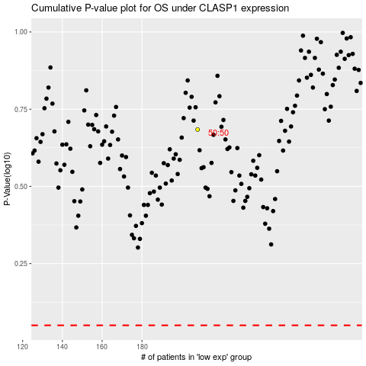

 |  |  |  |  |  | cases_OS | p_OS | rank | exp
 |  |  |  |  |  |  | cases_RFS | p_RFS | rank | exp

