CLASP2 _multivariate
Reported by Tex Li-Hsing Chi. tex@gate.sinica.edu.tw 2019-08-21

Table 2. The clinicopathological features of HNSCC cohort and CLASP2 expression. (Chi square test)
Cutoff at 0.087 (60.6%)
 |  | CLASP2 expression |  | CLASP2 expression |  | (Optimised)
 | Features | Low | (%) | High | (%) | Case no | P-value | Remark | Matthews
Gender | Female | 188 | 45.3 | 118 | 28.4 | 415 | 0.6998 | 0 | 0
2 | Male | 64 | 15.4 | 45 | 10.8
Age at diagnosis | <=65y | 168 | 40.5 | 106 | 25.5 | 415 | 0.8122 | 0 | 0
4 | >65y | 84 | 20.2 | 57 | 13.7
Clinical T Status | T1+T2 | 83 | 20 | 66 | 15.9 | 415 | 0.1438 | 0 | 0
6 | T3+T4 | 169 | 40.7 | 97 | 23.4
Clinical N Status | N0 | 131 | 31.6 | 85 | 20.5 | 415 | 1 | 0 | 0
8 | N1-3 | 121 | 29.2 | 78 | 18.8
Clinical M Status | M0 | 249 | 60 | 163 | 39.3 | 415 | 0.2828 | 0 | 0
10 | M1 | 3 | 0.7 | 0 | 0
Clinical Stage | Stage I+II | 60 | 14.5 | 42 | 10.1 | 415 | 0.7372 | 0 | 0
12 | Stage III+IV | 192 | 46.3 | 121 | 29.2
Surgical Margin status | Negative | 196 | 47.2 | 122 | 29.4 | 415 | 0.5528 | 0 | 0
14 | Positive | 56 | 13.5 | 41 | 9.9
Tobacco Exposure | Low | 85 | 20.5 | 76 | 18.3 | 415 | 0.0099 | 1 | 0
16 | High | 167 | 40.2 | 87 | 21

Table 3. Univariate/Multivariate Cox's proportional hazards regression analyses on OS time of CLASP2 gene expression in HNSCC

 |  | Univariate |  |  |  | Multivariate
 | Features | HR | CI95%(L) | CI95%(H) | P-value | HR | CI95%(L) | CI95%(H) | P-value
1 | Female | 1 |  |  |  | 1
Gender | Male | 1.157 | 0.843 | 1.587 | 0.367 | 1.193 | 0.854 | 1.667 | 0.301
11 | <=65y | 1 |  |  |  | 1
Age at diagnosis | >65y | 1.329 | 0.99 | 1.784 | 0.058 | 1.413 | 1.039 | 1.922 | 0.028
12 | T1+T2 | 1 |  |  |  | 1
Clinical T Status | T3+T4 | 1.409 | 1.028 | 1.931 | 0.033 | 2.118 | 1.117 | 4.015 | 0.022
13 | N0 | 1 |  |  |  | 1
Clinical N Status | N1-3 | 1.185 | 0.89 | 1.577 | 0.246 | 1.231 | 0.863 | 1.756 | 0.252
14 | M0 | 1 |  |  |  | 1
Clinical M Status | M1 | 4.097 | 1.009 | 16.644 | 0.049 | 8.451 | 1.83 | 39.031 | 0.006
15 | Stage I+II | 1 |  |  |  | 1
Clinical Stage | Stage III+IV | 1.245 | 0.882 | 1.759 | 0.213 | 0.518 | 0.241 | 1.114 | 0.092
16 | Negative | 1 |  |  |  | 1
Surgical Margin status | Positive | 1.591 | 1.155 | 2.191 | 0.004 | 1.658 | 1.2 | 2.291 | 0.002
17 | Low | 1 |  |  |  | 1
Tobacco Exposure | High | 1.364 | 1.008 | 1.844 | 0.044 | 1.415 | 1.024 | 1.954 | 0.035
18 | Low | 1 |  |  |  | 1
RNAseq(z-score) | High | 0.736 | 0.544 | 0.996 | 0.047 | 0.814 | 0.597 | 1.109 | 0.193

Table 4. Univariate/Multivariate Cox's proportional hazards regression analyses on RFS time of CLASP2 gene expression in HNSCC

 |  | Univariate |  |  |  | Multivariate
 | Features | HR | CI95%(L) | CI95%(H) | P-value | HR | CI95%(L) | CI95%(H) | P-value
1 | Female | 1 |  |  |  | 1
Gender | Male | 1.157 | 0.843 | 1.587 | 0.367 | 1.193 | 0.854 | 1.667 | 0.301
11 | <=65y | 1 |  |  |  | 1
Age at diagnosis | >65y | 1.329 | 0.99 | 1.784 | 0.058 | 1.413 | 1.039 | 1.922 | 0.028
12 | T1+T2 | 1 |  |  |  | 1
Clinical T Status | T3+T4 | 1.409 | 1.028 | 1.931 | 0.033 | 2.118 | 1.117 | 4.015 | 0.022
13 | N0 | 1 |  |  |  | 1
Clinical N Status | N1-3 | 1.185 | 0.89 | 1.577 | 0.246 | 1.231 | 0.863 | 1.756 | 0.252
14 | M0 | 1 |  |  |  | 1
Clinical M Status | M1 | 4.097 | 1.009 | 16.644 | 0.049 | 8.451 | 1.83 | 39.031 | 0.006
15 | Stage I+II | 1 |  |  |  | 1
Clinical Stage | Stage III+IV | 1.245 | 0.882 | 1.759 | 0.213 | 0.518 | 0.241 | 1.114 | 0.092
16 | Negative | 1 |  |  |  | 1
Surgical Margin status | Positive | 1.591 | 1.155 | 2.191 | 0.004 | 1.658 | 1.2 | 2.291 | 0.002
17 | Low | 1 |  |  |  | 1
Tobacco Exposure | High | 1.364 | 1.008 | 1.844 | 0.044 | 1.415 | 1.024 | 1.954 | 0.035
18 | Low | 1 |  |  |  | 1
RNAseq(z-score) | High | 0.736 | 0.544 | 0.996 | 0.047 | 0.814 | 0.597 | 1.109 | 0.193

Kaplan-Meier survival estimate: Cutoff at 0.087 (60.6%)



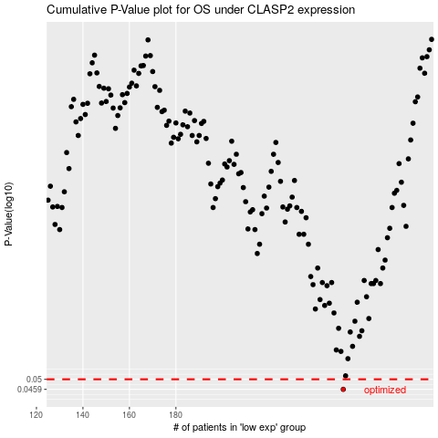

 |  |  |  |  |  | cases_OS | p_OS | rank | exp
 |  |  |  |  |  | 252 | 0.0459 | 29 | 0.086582180717
 |  |  |  |  |  |  | cases_RFS | p_RFS | rank | exp
 |  |  |  |  |  |  | 251 | 0.0459 | 201 | 0.082383933593

