CLCA2 _multivariate
Reported by Tex Li-Hsing Chi. tex@gate.sinica.edu.tw 2019-08-21

Table 2. The clinicopathological features of HNSCC cohort and CLCA2 expression. (Chi square test)
Cutoff at -0.131 (50.0%)
 |  | CLCA2 expression |  | CLCA2 expression |  | (Optimised)
 | Features | Low | (%) | High | (%) | Case no | P-value | Remark | Matthews
Gender | Female | 163 | 39.3 | 143 | 34.5 | 415 | 0.0277 | 1 | 0
2 | Male | 44 | 10.6 | 65 | 15.7
Age at diagnosis | <=65y | 139 | 33.5 | 135 | 32.5 | 415 | 0.7044 | 0 | 0
4 | >65y | 68 | 16.4 | 73 | 17.6
Clinical T Status | T1+T2 | 66 | 15.9 | 83 | 20 | 415 | 0.1095 | 0 | 0
6 | T3+T4 | 141 | 34 | 125 | 30.1
Clinical N Status | N0 | 99 | 23.9 | 117 | 28.2 | 415 | 0.1054 | 0 | 0
8 | N1-3 | 108 | 26 | 91 | 21.9
Clinical M Status | M0 | 206 | 49.6 | 206 | 49.6 | 415 | 1 | 0 | 0
10 | M1 | 1 | 0.2 | 2 | 0.5
Clinical Stage | Stage I+II | 39 | 9.4 | 63 | 15.2 | 415 | 0.0095 | 1 | 0
12 | Stage III+IV | 168 | 40.5 | 145 | 34.9
Surgical Margin status | Negative | 157 | 37.8 | 161 | 38.8 | 415 | 0.729 | 0 | 0
14 | Positive | 50 | 12 | 47 | 11.3
Tobacco Exposure | Low | 71 | 17.1 | 90 | 21.7 | 415 | 0.0698 | 0 | 0
16 | High | 136 | 32.8 | 118 | 28.4

Table 3. Univariate/Multivariate Cox's proportional hazards regression analyses on OS time of CLCA2 gene expression in HNSCC

 |  | Univariate |  |  |  | Multivariate
 | Features | HR | CI95%(L) | CI95%(H) | P-value | HR | CI95%(L) | CI95%(H) | P-value
1 | Female | 1 |  |  |  | 1
Gender | Male | 1.157 | 0.843 | 1.587 | 0.367 | 1.186 | 0.848 | 1.659 | 0.32
11 | <=65y | 1 |  |  |  | 1
Age at diagnosis | >65y | 1.329 | 0.99 | 1.784 | 0.058 | 1.395 | 1.026 | 1.897 | 0.033
12 | T1+T2 | 1 |  |  |  | 1
Clinical T Status | T3+T4 | 1.409 | 1.028 | 1.931 | 0.033 | 2.178 | 1.152 | 4.12 | 0.017
13 | N0 | 1 |  |  |  | 1
Clinical N Status | N1-3 | 1.185 | 0.89 | 1.577 | 0.246 | 1.246 | 0.874 | 1.778 | 0.225
14 | M0 | 1 |  |  |  | 1
Clinical M Status | M1 | 4.097 | 1.009 | 16.644 | 0.049 | 8.915 | 1.934 | 41.089 | 0.005
15 | Stage I+II | 1 |  |  |  | 1
Clinical Stage | Stage III+IV | 1.245 | 0.882 | 1.759 | 0.213 | 0.519 | 0.241 | 1.118 | 0.094
16 | Negative | 1 |  |  |  | 1
Surgical Margin status | Positive | 1.591 | 1.155 | 2.191 | 0.004 | 1.678 | 1.214 | 2.319 | 0.002
17 | Low | 1 |  |  |  | 1
Tobacco Exposure | High | 1.364 | 1.008 | 1.844 | 0.044 | 1.468 | 1.064 | 2.024 | 0.019
18 | Low | 1 |  |  |  | 1
RNAseq(z-score) | High | 1.096 | 0.823 | 1.459 | 0.533 | 1.129 | 0.841 | 1.516 | 0.42

Table 4. Univariate/Multivariate Cox's proportional hazards regression analyses on RFS time of CLCA2 gene expression in HNSCC

 |  | Univariate |  |  |  | Multivariate
 | Features | HR | CI95%(L) | CI95%(H) | P-value | HR | CI95%(L) | CI95%(H) | P-value
1 | Female | 1 |  |  |  | 1
Gender | Male | 1.157 | 0.843 | 1.587 | 0.367 | 1.186 | 0.848 | 1.659 | 0.32
11 | <=65y | 1 |  |  |  | 1
Age at diagnosis | >65y | 1.329 | 0.99 | 1.784 | 0.058 | 1.395 | 1.026 | 1.897 | 0.033
12 | T1+T2 | 1 |  |  |  | 1
Clinical T Status | T3+T4 | 1.409 | 1.028 | 1.931 | 0.033 | 2.178 | 1.152 | 4.12 | 0.017
13 | N0 | 1 |  |  |  | 1
Clinical N Status | N1-3 | 1.185 | 0.89 | 1.577 | 0.246 | 1.246 | 0.874 | 1.778 | 0.225
14 | M0 | 1 |  |  |  | 1
Clinical M Status | M1 | 4.097 | 1.009 | 16.644 | 0.049 | 8.915 | 1.934 | 41.089 | 0.005
15 | Stage I+II | 1 |  |  |  | 1
Clinical Stage | Stage III+IV | 1.245 | 0.882 | 1.759 | 0.213 | 0.519 | 0.241 | 1.118 | 0.094
16 | Negative | 1 |  |  |  | 1
Surgical Margin status | Positive | 1.591 | 1.155 | 2.191 | 0.004 | 1.678 | 1.214 | 2.319 | 0.002
17 | Low | 1 |  |  |  | 1
Tobacco Exposure | High | 1.364 | 1.008 | 1.844 | 0.044 | 1.468 | 1.064 | 2.024 | 0.019
18 | Low | 1 |  |  |  | 1
RNAseq(z-score) | High | 1.096 | 0.823 | 1.459 | 0.533 | 1.129 | 0.841 | 1.516 | 0.42

Kaplan-Meier survival estimate: Cutoff at -0.131 (50.0%)



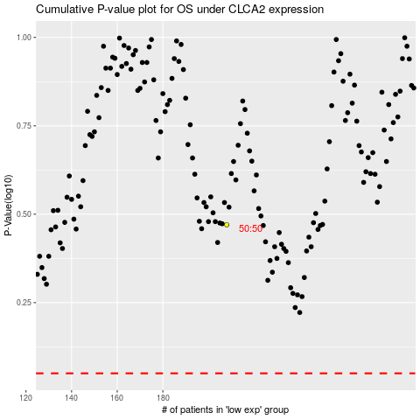

 |  |  |  |  |  | cases_OS | p_OS | rank | exp
 |  |  |  |  |  |  | cases_RFS | p_RFS | rank | exp

