CLCA3P _multivariate
Reported by Tex Li-Hsing Chi. tex@gate.sinica.edu.tw 2019-08-21

Table 2. The clinicopathological features of HNSCC cohort and CLCA3P expression. (Chi square test)
Cutoff at -0.187 (61.6%)
 |  | CLCA3P expression |  | CLCA3P expression |  | (Optimised)
 | Features | Low | (%) | High | (%) | Case no | P-value | Remark | Matthews
Gender | Female | 190 | 45.8 | 116 | 28 | 415 | 0.7352 | 0 | 0
2 | Male | 65 | 15.7 | 44 | 10.6
Age at diagnosis | <=65y | 167 | 40.2 | 107 | 25.8 | 415 | 0.8545 | 0 | 0
4 | >65y | 88 | 21.2 | 53 | 12.8
Clinical T Status | T1+T2 | 82 | 19.8 | 67 | 16.1 | 415 | 0.057 | 0 | 0
6 | T3+T4 | 173 | 41.7 | 93 | 22.4
Clinical N Status | N0 | 125 | 30.1 | 91 | 21.9 | 415 | 0.1448 | 0 | 0
8 | N1-3 | 130 | 31.3 | 69 | 16.6
Clinical M Status | M0 | 254 | 61.2 | 158 | 38.1 | 415 | 0.5619 | 0 | 0
10 | M1 | 1 | 0.2 | 2 | 0.5
Clinical Stage | Stage I+II | 56 | 13.5 | 46 | 11.1 | 415 | 0.1481 | 0 | 0
12 | Stage III+IV | 199 | 48 | 114 | 27.5
Surgical Margin status | Negative | 197 | 47.5 | 121 | 29.2 | 415 | 0.7217 | 0 | 0
14 | Positive | 58 | 14 | 39 | 9.4
Tobacco Exposure | Low | 91 | 21.9 | 70 | 16.9 | 415 | 0.1205 | 0 | 0
16 | High | 164 | 39.5 | 90 | 21.7

Table 3. Univariate/Multivariate Cox's proportional hazards regression analyses on OS time of CLCA3P gene expression in HNSCC

 |  | Univariate |  |  |  | Multivariate
 | Features | HR | CI95%(L) | CI95%(H) | P-value | HR | CI95%(L) | CI95%(H) | P-value
1 | Female | 1 |  |  |  | 1
Gender | Male | 1.157 | 0.843 | 1.587 | 0.367 | 1.172 | 0.838 | 1.639 | 0.355
11 | <=65y | 1 |  |  |  | 1
Age at diagnosis | >65y | 1.329 | 0.99 | 1.784 | 0.058 | 1.392 | 1.024 | 1.894 | 0.035
12 | T1+T2 | 1 |  |  |  | 1
Clinical T Status | T3+T4 | 1.409 | 1.028 | 1.931 | 0.033 | 2.088 | 1.101 | 3.957 | 0.024
13 | N0 | 1 |  |  |  | 1
Clinical N Status | N1-3 | 1.185 | 0.89 | 1.577 | 0.246 | 1.218 | 0.853 | 1.74 | 0.278
14 | M0 | 1 |  |  |  | 1
Clinical M Status | M1 | 4.097 | 1.009 | 16.644 | 0.049 | 10.309 | 2.242 | 47.407 | 0.003
15 | Stage I+II | 1 |  |  |  | 1
Clinical Stage | Stage III+IV | 1.245 | 0.882 | 1.759 | 0.213 | 0.516 | 0.24 | 1.108 | 0.09
16 | Negative | 1 |  |  |  | 1
Surgical Margin status | Positive | 1.591 | 1.155 | 2.191 | 0.004 | 1.679 | 1.216 | 2.319 | 0.002
17 | Low | 1 |  |  |  | 1
Tobacco Exposure | High | 1.364 | 1.008 | 1.844 | 0.044 | 1.418 | 1.029 | 1.955 | 0.033
18 | Low | 1 |  |  |  | 1
RNAseq(z-score) | High | 0.694 | 0.509 | 0.947 | 0.021 | 0.732 | 0.533 | 1.005 | 0.053

Table 4. Univariate/Multivariate Cox's proportional hazards regression analyses on RFS time of CLCA3P gene expression in HNSCC

 |  | Univariate |  |  |  | Multivariate
 | Features | HR | CI95%(L) | CI95%(H) | P-value | HR | CI95%(L) | CI95%(H) | P-value
1 | Female | 1 |  |  |  | 1
Gender | Male | 1.157 | 0.843 | 1.587 | 0.367 | 1.172 | 0.838 | 1.639 | 0.355
11 | <=65y | 1 |  |  |  | 1
Age at diagnosis | >65y | 1.329 | 0.99 | 1.784 | 0.058 | 1.392 | 1.024 | 1.894 | 0.035
12 | T1+T2 | 1 |  |  |  | 1
Clinical T Status | T3+T4 | 1.409 | 1.028 | 1.931 | 0.033 | 2.088 | 1.101 | 3.957 | 0.024
13 | N0 | 1 |  |  |  | 1
Clinical N Status | N1-3 | 1.185 | 0.89 | 1.577 | 0.246 | 1.218 | 0.853 | 1.74 | 0.278
14 | M0 | 1 |  |  |  | 1
Clinical M Status | M1 | 4.097 | 1.009 | 16.644 | 0.049 | 10.309 | 2.242 | 47.407 | 0.003
15 | Stage I+II | 1 |  |  |  | 1
Clinical Stage | Stage III+IV | 1.245 | 0.882 | 1.759 | 0.213 | 0.516 | 0.24 | 1.108 | 0.09
16 | Negative | 1 |  |  |  | 1
Surgical Margin status | Positive | 1.591 | 1.155 | 2.191 | 0.004 | 1.679 | 1.216 | 2.319 | 0.002
17 | Low | 1 |  |  |  | 1
Tobacco Exposure | High | 1.364 | 1.008 | 1.844 | 0.044 | 1.418 | 1.029 | 1.955 | 0.033
18 | Low | 1 |  |  |  | 1
RNAseq(z-score) | High | 0.694 | 0.509 | 0.947 | 0.021 | 0.732 | 0.533 | 1.005 | 0.053

Kaplan-Meier survival estimate: Cutoff at -0.187 (61.6%)

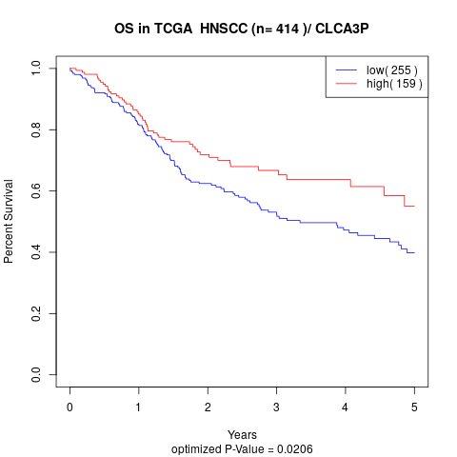

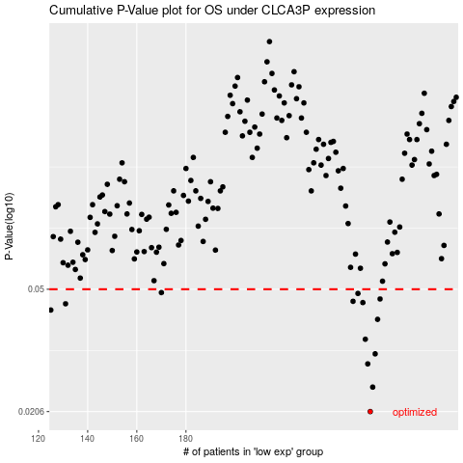

 |  |  |  |  |  | cases_OS | p_OS | rank | exp
 |  |  |  |  |  | 255 | 0.0206 | 290 | -0.18713672367
 |  |  |  |  |  | 256 | 0.0246 | 189 | -0.18538798397
 |  |  |  |  |  | 254 | 0.0291 | 61 | -0.19151945718
 |  |  |  |  |  | 257 | 0.0313 | 109 | -0.18044289641
 |  |  |  |  |  | 253 | 0.0348 | 48 | -0.19371445202
 |  |  |  |  |  | 258 | 0.0402 | 317 | -0.17909324669
 |  |  |  |  |  | 125 | 0.043 | 230 | -0.4614421457
 |  |  |  |  |  | 131 | 0.045 | 50 | -0.44586312443
 |  |  |  |  |  | 252 | 0.0454 | 1 | -0.19705955161
 |  |  |  |  |  | 248 | 0.0458 | 188 | -0.20978326553
 |  |  |  |  |  | 259 | 0.0466 | 36 | -0.17218899017
 |  |  |  |  |  | 250 | 0.0485 | 174 | -0.2082449551
 |  |  |  |  |  | 170 | 0.0488 | 42 | -0.37054396244
 |  |  |  |  |  |  | cases_RFS | p_RFS | rank | exp
 |  |  |  |  |  |  | 254 | 0.0206 | 61 | -0.19151945718
 |  |  |  |  |  |  | 255 | 0.0246 | 290 | -0.18713672367
 |  |  |  |  |  |  | 253 | 0.0291 | 48 | -0.19371445202
 |  |  |  |  |  |  | 256 | 0.0313 | 189 | -0.18538798397
 |  |  |  |  |  |  | 252 | 0.0348 | 1 | -0.19705955161
 |  |  |  |  |  |  | 257 | 0.0402 | 109 | -0.18044289641
 |  |  |  |  |  |  |  | 0.043 | 261 | -0.46275914261
 |  |  |  |  |  |  | 130 | 0.045 | 68 | -0.44856242388
 |  |  |  |  |  |  | 251 | 0.0454 | 65 | -0.20645267831
 |  |  |  |  |  |  | 247 | 0.0458 | 373 | -0.21046897467
 |  |  |  |  |  |  | 258 | 0.0466 | 317 | -0.17909324669
 |  |  |  |  |  |  | 249 | 0.0485 | 308 | -0.20869121025
 |  |  |  |  |  |  | 169 | 0.0488 | 108 | -0.3723072145

