CLCC1 _multivariate
Reported by Tex Li-Hsing Chi. tex@gate.sinica.edu.tw 2019-08-21

Table 2. The clinicopathological features of HNSCC cohort and CLCC1 expression. (Chi square test)
Cutoff at -0.277 (49.8%)
 |  | CLCC1 expression |  | CLCC1 expression |  | (Optimised)
 | Features | Low | (%) | High | (%) | Case no | P-value | Remark | Matthews
Gender | Female | 144 | 34.7 | 162 | 39 | 415 | 0.0697 | 0 | 0
2 | Male | 63 | 15.2 | 46 | 11.1
Age at diagnosis | <=65y | 121 | 29.2 | 153 | 36.9 | 415 | 0.0017 | 1 | 0
4 | >65y | 86 | 20.7 | 55 | 13.3
Clinical T Status | T1+T2 | 67 | 16.1 | 82 | 19.8 | 415 | 0.1628 | 0 | 0
6 | T3+T4 | 140 | 33.7 | 126 | 30.4
Clinical N Status | N0 | 115 | 27.7 | 101 | 24.3 | 415 | 0.184 | 1 | 0
8 | N1-3 | 92 | 22.2 | 107 | 25.8
Clinical M Status | M0 | 205 | 49.4 | 207 | 49.9 | 415 | 0.6232 | 0 | 0
10 | M1 | 2 | 0.5 | 1 | 0.2
Clinical Stage | Stage I+II | 51 | 12.3 | 51 | 12.3 | 415 | 1 | 0 | 0
12 | Stage III+IV | 156 | 37.6 | 157 | 37.8
Surgical Margin status | Negative | 170 | 41 | 148 | 35.7 | 415 | 0.0105 | 1 | 0
14 | Positive | 37 | 8.9 | 60 | 14.5
Tobacco Exposure | Low | 89 | 21.4 | 72 | 17.3 | 415 | 0.0872 | 0 | 0
16 | High | 118 | 28.4 | 136 | 32.8

Table 3. Univariate/Multivariate Cox's proportional hazards regression analyses on OS time of CLCC1 gene expression in HNSCC

 |  | Univariate |  |  |  | Multivariate
 | Features | HR | CI95%(L) | CI95%(H) | P-value | HR | CI95%(L) | CI95%(H) | P-value
1 | Female | 1 |  |  |  | 1
Gender | Male | 1.157 | 0.843 | 1.587 | 0.367 | 1.216 | 0.869 | 1.701 | 0.254
11 | <=65y | 1 |  |  |  | 1
Age at diagnosis | >65y | 1.329 | 0.99 | 1.784 | 0.058 | 1.407 | 1.033 | 1.916 | 0.03
12 | T1+T2 | 1 |  |  |  | 1
Clinical T Status | T3+T4 | 1.409 | 1.028 | 1.931 | 0.033 | 2.227 | 1.177 | 4.214 | 0.014
13 | N0 | 1 |  |  |  | 1
Clinical N Status | N1-3 | 1.185 | 0.89 | 1.577 | 0.246 | 1.234 | 0.865 | 1.762 | 0.246
14 | M0 | 1 |  |  |  | 1
Clinical M Status | M1 | 4.097 | 1.009 | 16.644 | 0.049 | 9.666 | 2.103 | 44.423 | 0.004
15 | Stage I+II | 1 |  |  |  | 1
Clinical Stage | Stage III+IV | 1.245 | 0.882 | 1.759 | 0.213 | 0.502 | 0.234 | 1.077 | 0.077
16 | Negative | 1 |  |  |  | 1
Surgical Margin status | Positive | 1.591 | 1.155 | 2.191 | 0.004 | 1.647 | 1.188 | 2.284 | 0.003
17 | Low | 1 |  |  |  | 1
Tobacco Exposure | High | 1.364 | 1.008 | 1.844 | 0.044 | 1.453 | 1.055 | 2.002 | 0.022
18 | Low | 1 |  |  |  | 1
RNAseq(z-score) | High | 1.056 | 0.792 | 1.407 | 0.712 | 1.098 | 0.815 | 1.48 | 0.539

Table 4. Univariate/Multivariate Cox's proportional hazards regression analyses on RFS time of CLCC1 gene expression in HNSCC

 |  | Univariate |  |  |  | Multivariate
 | Features | HR | CI95%(L) | CI95%(H) | P-value | HR | CI95%(L) | CI95%(H) | P-value
1 | Female | 1 |  |  |  | 1
Gender | Male | 1.157 | 0.843 | 1.587 | 0.367 | 1.216 | 0.869 | 1.701 | 0.254
11 | <=65y | 1 |  |  |  | 1
Age at diagnosis | >65y | 1.329 | 0.99 | 1.784 | 0.058 | 1.407 | 1.033 | 1.916 | 0.03
12 | T1+T2 | 1 |  |  |  | 1
Clinical T Status | T3+T4 | 1.409 | 1.028 | 1.931 | 0.033 | 2.227 | 1.177 | 4.214 | 0.014
13 | N0 | 1 |  |  |  | 1
Clinical N Status | N1-3 | 1.185 | 0.89 | 1.577 | 0.246 | 1.234 | 0.865 | 1.762 | 0.246
14 | M0 | 1 |  |  |  | 1
Clinical M Status | M1 | 4.097 | 1.009 | 16.644 | 0.049 | 9.666 | 2.103 | 44.423 | 0.004
15 | Stage I+II | 1 |  |  |  | 1
Clinical Stage | Stage III+IV | 1.245 | 0.882 | 1.759 | 0.213 | 0.502 | 0.234 | 1.077 | 0.077
16 | Negative | 1 |  |  |  | 1
Surgical Margin status | Positive | 1.591 | 1.155 | 2.191 | 0.004 | 1.647 | 1.188 | 2.284 | 0.003
17 | Low | 1 |  |  |  | 1
Tobacco Exposure | High | 1.364 | 1.008 | 1.844 | 0.044 | 1.453 | 1.055 | 2.002 | 0.022
18 | Low | 1 |  |  |  | 1
RNAseq(z-score) | High | 1.056 | 0.792 | 1.407 | 0.712 | 1.098 | 0.815 | 1.48 | 0.539

Kaplan-Meier survival estimate: Cutoff at -0.277 (49.8%)



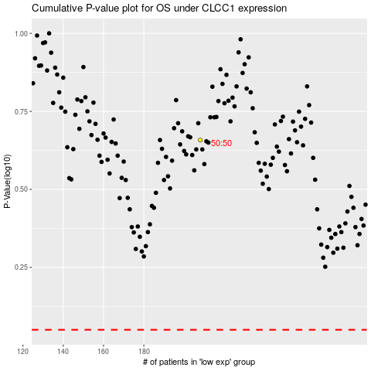

 |  |  |  |  |  | cases_OS | p_OS | rank | exp
 |  |  |  |  |  |  | cases_RFS | p_RFS | rank | exp

