CLCN2 _multivariate
Reported by Tex Li-Hsing Chi. tex@gate.sinica.edu.tw 2019-08-21

Table 2. The clinicopathological features of HNSCC cohort and CLCN2 expression. (Chi square test)
Cutoff at -0.32 (44.7%)
 |  | CLCN2 expression |  | CLCN2 expression |  | (Optimised)
 | Features | Low | (%) | High | (%) | Case no | P-value | Remark | Matthews
Gender | Female | 132 | 31.8 | 174 | 41.9 | 415 | 0.2973 | 0 | 0
2 | Male | 54 | 13 | 55 | 13.3
Age at diagnosis | <=65y | 119 | 28.7 | 155 | 37.3 | 415 | 0.491 | 0 | 0
4 | >65y | 67 | 16.1 | 74 | 17.8
Clinical T Status | T1+T2 | 78 | 18.8 | 71 | 17.1 | 415 | 0.0274 | 1 | 0
6 | T3+T4 | 108 | 26 | 158 | 38.1
Clinical N Status | N0 | 98 | 23.6 | 118 | 28.4 | 415 | 0.8915 | 0 | 0
8 | N1-3 | 88 | 21.2 | 111 | 26.7
Clinical M Status | M0 | 185 | 44.6 | 227 | 54.7 | 415 | 1 | 0 | 0
10 | M1 | 1 | 0.2 | 2 | 0.5
Clinical Stage | Stage I+II | 54 | 13 | 48 | 11.6 | 415 | 0.0743 | 0 | 0
12 | Stage III+IV | 132 | 31.8 | 181 | 43.6
Surgical Margin status | Negative | 144 | 34.7 | 174 | 41.9 | 415 | 0.8157 | 0 | 0
14 | Positive | 42 | 10.1 | 55 | 13.3
Tobacco Exposure | Low | 96 | 23.1 | 65 | 15.7 | 415 | 0 | 1 | 0
16 | High | 90 | 21.7 | 164 | 39.5

Table 3. Univariate/Multivariate Cox's proportional hazards regression analyses on OS time of CLCN2 gene expression in HNSCC

 |  | Univariate |  |  |  | Multivariate
 | Features | HR | CI95%(L) | CI95%(H) | P-value | HR | CI95%(L) | CI95%(H) | P-value
1 | Female | 1 |  |  |  | 1
Gender | Male | 1.157 | 0.843 | 1.587 | 0.367 | 1.207 | 0.863 | 1.688 | 0.271
11 | <=65y | 1 |  |  |  | 1
Age at diagnosis | >65y | 1.329 | 0.99 | 1.784 | 0.058 | 1.398 | 1.028 | 1.9 | 0.033
12 | T1+T2 | 1 |  |  |  | 1
Clinical T Status | T3+T4 | 1.409 | 1.028 | 1.931 | 0.033 | 2.179 | 1.152 | 4.121 | 0.017
13 | N0 | 1 |  |  |  | 1
Clinical N Status | N1-3 | 1.185 | 0.89 | 1.577 | 0.246 | 1.258 | 0.881 | 1.798 | 0.207
14 | M0 | 1 |  |  |  | 1
Clinical M Status | M1 | 4.097 | 1.009 | 16.644 | 0.049 | 9.277 | 2.023 | 42.541 | 0.004
15 | Stage I+II | 1 |  |  |  | 1
Clinical Stage | Stage III+IV | 1.245 | 0.882 | 1.759 | 0.213 | 0.491 | 0.229 | 1.055 | 0.068
16 | Negative | 1 |  |  |  | 1
Surgical Margin status | Positive | 1.591 | 1.155 | 2.191 | 0.004 | 1.677 | 1.213 | 2.318 | 0.002
17 | Low | 1 |  |  |  | 1
Tobacco Exposure | High | 1.364 | 1.008 | 1.844 | 0.044 | 1.367 | 0.984 | 1.898 | 0.062
18 | Low | 1 |  |  |  | 1
RNAseq(z-score) | High | 1.363 | 1.013 | 1.835 | 0.041 | 1.29 | 0.947 | 1.757 | 0.107

Table 4. Univariate/Multivariate Cox's proportional hazards regression analyses on RFS time of CLCN2 gene expression in HNSCC

 |  | Univariate |  |  |  | Multivariate
 | Features | HR | CI95%(L) | CI95%(H) | P-value | HR | CI95%(L) | CI95%(H) | P-value
1 | Female | 1 |  |  |  | 1
Gender | Male | 1.157 | 0.843 | 1.587 | 0.367 | 1.207 | 0.863 | 1.688 | 0.271
11 | <=65y | 1 |  |  |  | 1
Age at diagnosis | >65y | 1.329 | 0.99 | 1.784 | 0.058 | 1.398 | 1.028 | 1.9 | 0.033
12 | T1+T2 | 1 |  |  |  | 1
Clinical T Status | T3+T4 | 1.409 | 1.028 | 1.931 | 0.033 | 2.179 | 1.152 | 4.121 | 0.017
13 | N0 | 1 |  |  |  | 1
Clinical N Status | N1-3 | 1.185 | 0.89 | 1.577 | 0.246 | 1.258 | 0.881 | 1.798 | 0.207
14 | M0 | 1 |  |  |  | 1
Clinical M Status | M1 | 4.097 | 1.009 | 16.644 | 0.049 | 9.277 | 2.023 | 42.541 | 0.004
15 | Stage I+II | 1 |  |  |  | 1
Clinical Stage | Stage III+IV | 1.245 | 0.882 | 1.759 | 0.213 | 0.491 | 0.229 | 1.055 | 0.068
16 | Negative | 1 |  |  |  | 1
Surgical Margin status | Positive | 1.591 | 1.155 | 2.191 | 0.004 | 1.677 | 1.213 | 2.318 | 0.002
17 | Low | 1 |  |  |  | 1
Tobacco Exposure | High | 1.364 | 1.008 | 1.844 | 0.044 | 1.367 | 0.984 | 1.898 | 0.062
18 | Low | 1 |  |  |  | 1
RNAseq(z-score) | High | 1.363 | 1.013 | 1.835 | 0.041 | 1.29 | 0.947 | 1.757 | 0.107

Kaplan-Meier survival estimate: Cutoff at -0.32 (44.7%)



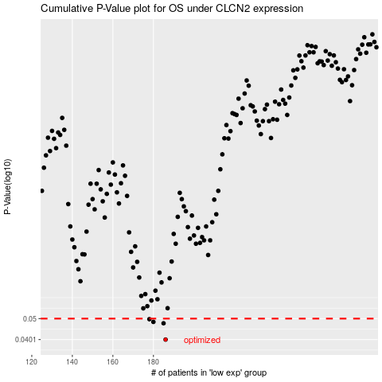

 |  |  |  |  |  | cases_OS | p_OS | rank | exp
 |  |  |  |  |  | 186 | 0.0401 | 124 | -0.31988735142
 |  |  |  |  |  | 185 | 0.0476 | 17 | -0.32387088695
 |  |  |  |  |  | 180 | 0.0483 | 99 | -0.35039544415
 |  |  |  |  |  | 178 | 0.0497 | 248 | -0.35378440987
 |  |  |  |  |  |  | cases_RFS | p_RFS | rank | exp
 |  |  |  |  |  |  | 185 | 0.0401 | 17 | -0.32387088695
 |  |  |  |  |  |  | 184 | 0.0476 | 182 | -0.33355012172
 |  |  |  |  |  |  | 179 | 0.0483 | 141 | -0.35334444465
 |  |  |  |  |  |  | 177 | 0.0497 | 336 | -0.35547436972

