CLCN3 _multivariate
Reported by Tex Li-Hsing Chi. tex@gate.sinica.edu.tw 2019-08-21

Table 2. The clinicopathological features of HNSCC cohort and CLCN3 expression. (Chi square test)
Cutoff at -0.104 (58.0%)
 |  | CLCN3 expression |  | CLCN3 expression |  | (Optimised)
 | Features | Low | (%) | High | (%) | Case no | P-value | Remark | Matthews
Gender | Female | 179 | 43.1 | 127 | 30.6 | 415 | 0.8567 | 0 | 0
2 | Male | 62 | 14.9 | 47 | 11.3
Age at diagnosis | <=65y | 158 | 38.1 | 116 | 28 | 415 | 0.8967 | 0 | 0
4 | >65y | 83 | 20 | 58 | 14
Clinical T Status | T1+T2 | 90 | 21.7 | 59 | 14.2 | 415 | 0.5376 | 0 | 0
6 | T3+T4 | 151 | 36.4 | 115 | 27.7
Clinical N Status | N0 | 121 | 29.2 | 95 | 22.9 | 415 | 0.4332 | 0 | 0
8 | N1-3 | 120 | 28.9 | 79 | 19
Clinical M Status | M0 | 238 | 57.3 | 174 | 41.9 | 415 | 0.2678 | 0 | 0
10 | M1 | 3 | 0.7 | 0 | 0
Clinical Stage | Stage I+II | 63 | 15.2 | 39 | 9.4 | 415 | 0.4504 | 0 | 0
12 | Stage III+IV | 178 | 42.9 | 135 | 32.5
Surgical Margin status | Negative | 182 | 43.9 | 136 | 32.8 | 415 | 0.5584 | 0 | 0
14 | Positive | 59 | 14.2 | 38 | 9.2
Tobacco Exposure | Low | 92 | 22.2 | 69 | 16.6 | 415 | 0.7606 | 0 | 0
16 | High | 149 | 35.9 | 105 | 25.3

Table 3. Univariate/Multivariate Cox's proportional hazards regression analyses on OS time of CLCN3 gene expression in HNSCC

 |  | Univariate |  |  |  | Multivariate
 | Features | HR | CI95%(L) | CI95%(H) | P-value | HR | CI95%(L) | CI95%(H) | P-value
1 | Female | 1 |  |  |  | 1
Gender | Male | 1.157 | 0.843 | 1.587 | 0.367 | 1.193 | 0.853 | 1.669 | 0.302
11 | <=65y | 1 |  |  |  | 1
Age at diagnosis | >65y | 1.329 | 0.99 | 1.784 | 0.058 | 1.387 | 1.021 | 1.885 | 0.037
12 | T1+T2 | 1 |  |  |  | 1
Clinical T Status | T3+T4 | 1.409 | 1.028 | 1.931 | 0.033 | 2.135 | 1.128 | 4.041 | 0.02
13 | N0 | 1 |  |  |  | 1
Clinical N Status | N1-3 | 1.185 | 0.89 | 1.577 | 0.246 | 1.207 | 0.845 | 1.725 | 0.3
14 | M0 | 1 |  |  |  | 1
Clinical M Status | M1 | 4.097 | 1.009 | 16.644 | 0.049 | 8.344 | 1.809 | 38.494 | 0.007
15 | Stage I+II | 1 |  |  |  | 1
Clinical Stage | Stage III+IV | 1.245 | 0.882 | 1.759 | 0.213 | 0.535 | 0.249 | 1.152 | 0.11
16 | Negative | 1 |  |  |  | 1
Surgical Margin status | Positive | 1.591 | 1.155 | 2.191 | 0.004 | 1.636 | 1.183 | 2.261 | 0.003
17 | Low | 1 |  |  |  | 1
Tobacco Exposure | High | 1.364 | 1.008 | 1.844 | 0.044 | 1.435 | 1.041 | 1.979 | 0.028
18 | Low | 1 |  |  |  | 1
RNAseq(z-score) | High | 0.733 | 0.544 | 0.988 | 0.042 | 0.787 | 0.581 | 1.066 | 0.121

Table 4. Univariate/Multivariate Cox's proportional hazards regression analyses on RFS time of CLCN3 gene expression in HNSCC

 |  | Univariate |  |  |  | Multivariate
 | Features | HR | CI95%(L) | CI95%(H) | P-value | HR | CI95%(L) | CI95%(H) | P-value
1 | Female | 1 |  |  |  | 1
Gender | Male | 1.157 | 0.843 | 1.587 | 0.367 | 1.193 | 0.853 | 1.669 | 0.302
11 | <=65y | 1 |  |  |  | 1
Age at diagnosis | >65y | 1.329 | 0.99 | 1.784 | 0.058 | 1.387 | 1.021 | 1.885 | 0.037
12 | T1+T2 | 1 |  |  |  | 1
Clinical T Status | T3+T4 | 1.409 | 1.028 | 1.931 | 0.033 | 2.135 | 1.128 | 4.041 | 0.02
13 | N0 | 1 |  |  |  | 1
Clinical N Status | N1-3 | 1.185 | 0.89 | 1.577 | 0.246 | 1.207 | 0.845 | 1.725 | 0.3
14 | M0 | 1 |  |  |  | 1
Clinical M Status | M1 | 4.097 | 1.009 | 16.644 | 0.049 | 8.344 | 1.809 | 38.494 | 0.007
15 | Stage I+II | 1 |  |  |  | 1
Clinical Stage | Stage III+IV | 1.245 | 0.882 | 1.759 | 0.213 | 0.535 | 0.249 | 1.152 | 0.11
16 | Negative | 1 |  |  |  | 1
Surgical Margin status | Positive | 1.591 | 1.155 | 2.191 | 0.004 | 1.636 | 1.183 | 2.261 | 0.003
17 | Low | 1 |  |  |  | 1
Tobacco Exposure | High | 1.364 | 1.008 | 1.844 | 0.044 | 1.435 | 1.041 | 1.979 | 0.028
18 | Low | 1 |  |  |  | 1
RNAseq(z-score) | High | 0.733 | 0.544 | 0.988 | 0.042 | 0.787 | 0.581 | 1.066 | 0.121

Kaplan-Meier survival estimate: Cutoff at -0.104 (58.0%)



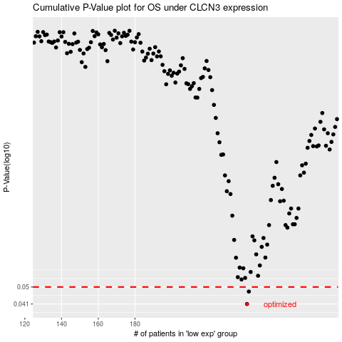

 |  |  |  |  |  | cases_OS | p_OS | rank | exp
 |  |  |  |  |  | 241 | 0.041 | 102 | -0.10441104624
 |  |  |  |  |  | 242 | 0.0474 | 242 | -0.10180944199
 |  |  |  |  |  |  | cases_RFS | p_RFS | rank | exp
 |  |  |  |  |  |  | 240 | 0.041 | 159 | -0.10477414577
 |  |  |  |  |  |  | 241 | 0.0474 | 102 | -0.10441104624

