CLCN4 _multivariate
Reported by Tex Li-Hsing Chi. tex@gate.sinica.edu.tw 2019-08-21

Table 2. The clinicopathological features of HNSCC cohort and CLCN4 expression. (Chi square test)
Cutoff at -0.286 (50.0%)
 |  | CLCN4 expression |  | CLCN4 expression |  | (Optimised)
 | Features | Low | (%) | High | (%) | Case no | P-value | Remark | Matthews
Gender | Female | 152 | 36.6 | 154 | 37.1 | 415 | 0.9766 | 0 | 0
2 | Male | 55 | 13.3 | 54 | 13
Age at diagnosis | <=65y | 137 | 33 | 137 | 33 | 415 | 1 | 0 | 0
4 | >65y | 70 | 16.9 | 71 | 17.1
Clinical T Status | T1+T2 | 64 | 15.4 | 85 | 20.5 | 415 | 0.0445 | 1 | 0
6 | T3+T4 | 143 | 34.5 | 123 | 29.6
Clinical N Status | N0 | 104 | 25.1 | 112 | 27 | 415 | 0.5243 | 0 | 0
8 | N1-3 | 103 | 24.8 | 96 | 23.1
Clinical M Status | M0 | 204 | 49.2 | 208 | 50.1 | 415 | 0.1232 | 0 | 0
10 | M1 | 3 | 0.7 | 0 | 0
Clinical Stage | Stage I+II | 41 | 9.9 | 61 | 14.7 | 415 | 0.0325 | 1 | 0
12 | Stage III+IV | 166 | 40 | 147 | 35.4
Surgical Margin status | Negative | 163 | 39.3 | 155 | 37.3 | 415 | 0.3537 | 0 | 0
14 | Positive | 44 | 10.6 | 53 | 12.8
Tobacco Exposure | Low | 77 | 18.6 | 84 | 20.2 | 415 | 0.5459 | 0 | 0
16 | High | 130 | 31.3 | 124 | 29.9

Table 3. Univariate/Multivariate Cox's proportional hazards regression analyses on OS time of CLCN4 gene expression in HNSCC

 |  | Univariate |  |  |  | Multivariate
 | Features | HR | CI95%(L) | CI95%(H) | P-value | HR | CI95%(L) | CI95%(H) | P-value
1 | Female | 1 |  |  |  | 1
Gender | Male | 1.157 | 0.843 | 1.587 | 0.367 | 1.196 | 0.853 | 1.675 | 0.299
11 | <=65y | 1 |  |  |  | 1
Age at diagnosis | >65y | 1.329 | 0.99 | 1.784 | 0.058 | 1.397 | 1.026 | 1.902 | 0.034
12 | T1+T2 | 1 |  |  |  | 1
Clinical T Status | T3+T4 | 1.409 | 1.028 | 1.931 | 0.033 | 2.204 | 1.166 | 4.167 | 0.015
13 | N0 | 1 |  |  |  | 1
Clinical N Status | N1-3 | 1.185 | 0.89 | 1.577 | 0.246 | 1.245 | 0.872 | 1.778 | 0.228
14 | M0 | 1 |  |  |  | 1
Clinical M Status | M1 | 4.097 | 1.009 | 16.644 | 0.049 | 9.24 | 2.002 | 42.642 | 0.004
15 | Stage I+II | 1 |  |  |  | 1
Clinical Stage | Stage III+IV | 1.245 | 0.882 | 1.759 | 0.213 | 0.501 | 0.233 | 1.077 | 0.077
16 | Negative | 1 |  |  |  | 1
Surgical Margin status | Positive | 1.591 | 1.155 | 2.191 | 0.004 | 1.673 | 1.211 | 2.312 | 0.002
17 | Low | 1 |  |  |  | 1
Tobacco Exposure | High | 1.364 | 1.008 | 1.844 | 0.044 | 1.451 | 1.053 | 2 | 0.023
18 | Low | 1 |  |  |  | 1
RNAseq(z-score) | High | 0.94 | 0.706 | 1.252 | 0.672 | 0.964 | 0.719 | 1.294 | 0.809

Table 4. Univariate/Multivariate Cox's proportional hazards regression analyses on RFS time of CLCN4 gene expression in HNSCC

 |  | Univariate |  |  |  | Multivariate
 | Features | HR | CI95%(L) | CI95%(H) | P-value | HR | CI95%(L) | CI95%(H) | P-value
1 | Female | 1 |  |  |  | 1
Gender | Male | 1.157 | 0.843 | 1.587 | 0.367 | 1.196 | 0.853 | 1.675 | 0.299
11 | <=65y | 1 |  |  |  | 1
Age at diagnosis | >65y | 1.329 | 0.99 | 1.784 | 0.058 | 1.397 | 1.026 | 1.902 | 0.034
12 | T1+T2 | 1 |  |  |  | 1
Clinical T Status | T3+T4 | 1.409 | 1.028 | 1.931 | 0.033 | 2.204 | 1.166 | 4.167 | 0.015
13 | N0 | 1 |  |  |  | 1
Clinical N Status | N1-3 | 1.185 | 0.89 | 1.577 | 0.246 | 1.245 | 0.872 | 1.778 | 0.228
14 | M0 | 1 |  |  |  | 1
Clinical M Status | M1 | 4.097 | 1.009 | 16.644 | 0.049 | 9.24 | 2.002 | 42.642 | 0.004
15 | Stage I+II | 1 |  |  |  | 1
Clinical Stage | Stage III+IV | 1.245 | 0.882 | 1.759 | 0.213 | 0.501 | 0.233 | 1.077 | 0.077
16 | Negative | 1 |  |  |  | 1
Surgical Margin status | Positive | 1.591 | 1.155 | 2.191 | 0.004 | 1.673 | 1.211 | 2.312 | 0.002
17 | Low | 1 |  |  |  | 1
Tobacco Exposure | High | 1.364 | 1.008 | 1.844 | 0.044 | 1.451 | 1.053 | 2 | 0.023
18 | Low | 1 |  |  |  | 1
RNAseq(z-score) | High | 0.94 | 0.706 | 1.252 | 0.672 | 0.964 | 0.719 | 1.294 | 0.809

Kaplan-Meier survival estimate: Cutoff at -0.286 (50.0%)



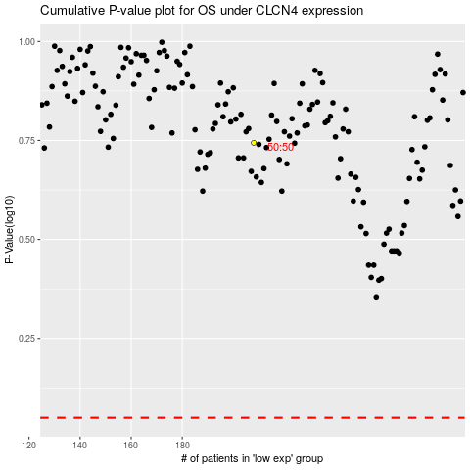

 |  |  |  |  |  | cases_OS | p_OS | rank | exp
 |  |  |  |  |  |  | cases_RFS | p_RFS | rank | exp

