CLCNKB _multivariate
Reported by Tex Li-Hsing Chi. tex@gate.sinica.edu.tw 2019-08-21

Table 2. The clinicopathological features of HNSCC cohort and CLCNKB expression. (Chi square test)
Cutoff at -0.117 (49.8%)
 |  | CLCNKB expression |  | CLCNKB expression |  | (Optimised)
 | Features | Low | (%) | High | (%) | Case no | P-value | Remark | Matthews
Gender | Female | 146 | 35.2 | 160 | 38.6 | 415 | 0.1714 | 0 | 0
2 | Male | 61 | 14.7 | 48 | 11.6
Age at diagnosis | <=65y | 132 | 31.8 | 142 | 34.2 | 415 | 0.3874 | 0 | 0
4 | >65y | 75 | 18.1 | 66 | 15.9
Clinical T Status | T1+T2 | 84 | 20.2 | 65 | 15.7 | 415 | 0.0603 | 0 | 0
6 | T3+T4 | 123 | 29.6 | 143 | 34.5
Clinical N Status | N0 | 114 | 27.5 | 102 | 24.6 | 415 | 0.2576 | 1 | 0
8 | N1-3 | 93 | 22.4 | 106 | 25.5
Clinical M Status | M0 | 205 | 49.4 | 207 | 49.9 | 415 | 0.6232 | 0 | 0
10 | M1 | 2 | 0.5 | 1 | 0.2
Clinical Stage | Stage I+II | 61 | 14.7 | 41 | 9.9 | 415 | 0.0282 | 1 | 0
12 | Stage III+IV | 146 | 35.2 | 167 | 40.2
Surgical Margin status | Negative | 162 | 39 | 156 | 37.6 | 415 | 0.4867 | 0 | 0
14 | Positive | 45 | 10.8 | 52 | 12.5
Tobacco Exposure | Low | 99 | 23.9 | 62 | 14.9 | 415 | 2e-04 | 1 | 0
16 | High | 108 | 26 | 146 | 35.2

Table 3. Univariate/Multivariate Cox's proportional hazards regression analyses on OS time of CLCNKB gene expression in HNSCC

 |  | Univariate |  |  |  | Multivariate
 | Features | HR | CI95%(L) | CI95%(H) | P-value | HR | CI95%(L) | CI95%(H) | P-value
1 | Female | 1 |  |  |  | 1
Gender | Male | 1.157 | 0.843 | 1.587 | 0.367 | 1.199 | 0.858 | 1.675 | 0.288
11 | <=65y | 1 |  |  |  | 1
Age at diagnosis | >65y | 1.329 | 0.99 | 1.784 | 0.058 | 1.399 | 1.029 | 1.902 | 0.032
12 | T1+T2 | 1 |  |  |  | 1
Clinical T Status | T3+T4 | 1.409 | 1.028 | 1.931 | 0.033 | 2.185 | 1.156 | 4.131 | 0.016
13 | N0 | 1 |  |  |  | 1
Clinical N Status | N1-3 | 1.185 | 0.89 | 1.577 | 0.246 | 1.239 | 0.868 | 1.767 | 0.238
14 | M0 | 1 |  |  |  | 1
Clinical M Status | M1 | 4.097 | 1.009 | 16.644 | 0.049 | 9.143 | 1.993 | 41.945 | 0.004
15 | Stage I+II | 1 |  |  |  | 1
Clinical Stage | Stage III+IV | 1.245 | 0.882 | 1.759 | 0.213 | 0.518 | 0.241 | 1.115 | 0.093
16 | Negative | 1 |  |  |  | 1
Surgical Margin status | Positive | 1.591 | 1.155 | 2.191 | 0.004 | 1.674 | 1.212 | 2.313 | 0.002
17 | Low | 1 |  |  |  | 1
Tobacco Exposure | High | 1.364 | 1.008 | 1.844 | 0.044 | 1.476 | 1.069 | 2.039 | 0.018
18 | Low | 1 |  |  |  | 1
RNAseq(z-score) | High | 0.934 | 0.699 | 1.246 | 0.641 | 0.872 | 0.65 | 1.169 | 0.359

Table 4. Univariate/Multivariate Cox's proportional hazards regression analyses on RFS time of CLCNKB gene expression in HNSCC

 |  | Univariate |  |  |  | Multivariate
 | Features | HR | CI95%(L) | CI95%(H) | P-value | HR | CI95%(L) | CI95%(H) | P-value
1 | Female | 1 |  |  |  | 1
Gender | Male | 1.157 | 0.843 | 1.587 | 0.367 | 1.199 | 0.858 | 1.675 | 0.288
11 | <=65y | 1 |  |  |  | 1
Age at diagnosis | >65y | 1.329 | 0.99 | 1.784 | 0.058 | 1.399 | 1.029 | 1.902 | 0.032
12 | T1+T2 | 1 |  |  |  | 1
Clinical T Status | T3+T4 | 1.409 | 1.028 | 1.931 | 0.033 | 2.185 | 1.156 | 4.131 | 0.016
13 | N0 | 1 |  |  |  | 1
Clinical N Status | N1-3 | 1.185 | 0.89 | 1.577 | 0.246 | 1.239 | 0.868 | 1.767 | 0.238
14 | M0 | 1 |  |  |  | 1
Clinical M Status | M1 | 4.097 | 1.009 | 16.644 | 0.049 | 9.143 | 1.993 | 41.945 | 0.004
15 | Stage I+II | 1 |  |  |  | 1
Clinical Stage | Stage III+IV | 1.245 | 0.882 | 1.759 | 0.213 | 0.518 | 0.241 | 1.115 | 0.093
16 | Negative | 1 |  |  |  | 1
Surgical Margin status | Positive | 1.591 | 1.155 | 2.191 | 0.004 | 1.674 | 1.212 | 2.313 | 0.002
17 | Low | 1 |  |  |  | 1
Tobacco Exposure | High | 1.364 | 1.008 | 1.844 | 0.044 | 1.476 | 1.069 | 2.039 | 0.018
18 | Low | 1 |  |  |  | 1
RNAseq(z-score) | High | 0.934 | 0.699 | 1.246 | 0.641 | 0.872 | 0.65 | 1.169 | 0.359

Kaplan-Meier survival estimate: Cutoff at -0.117 (49.8%)



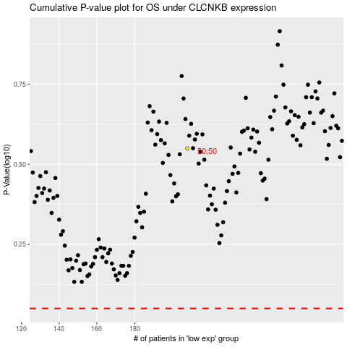

 |  |  |  |  |  | cases_OS | p_OS | rank | exp
 |  |  |  |  |  |  | cases_RFS | p_RFS | rank | exp

