CLDN1 _multivariate
Reported by Tex Li-Hsing Chi. tex@gate.sinica.edu.tw 2019-08-21

Table 2. The clinicopathological features of HNSCC cohort and CLDN1 expression. (Chi square test)
Cutoff at -0.276 (50.0%)
 |  | CLDN1 expression |  | CLDN1 expression |  | (Optimised)
 | Features | Low | (%) | High | (%) | Case no | P-value | Remark | Matthews
Gender | Female | 150 | 36.1 | 156 | 37.6 | 415 | 0.6344 | 0 | 0
2 | Male | 57 | 13.7 | 52 | 12.5
Age at diagnosis | <=65y | 125 | 30.1 | 149 | 35.9 | 415 | 0.0206 | 1 | 0
4 | >65y | 82 | 19.8 | 59 | 14.2
Clinical T Status | T1+T2 | 73 | 17.6 | 76 | 18.3 | 415 | 0.8666 | 0 | 0
6 | T3+T4 | 134 | 32.3 | 132 | 31.8
Clinical N Status | N0 | 107 | 25.8 | 109 | 26.3 | 415 | 0.9624 | 0 | 0
8 | N1-3 | 100 | 24.1 | 99 | 23.9
Clinical M Status | M0 | 207 | 49.9 | 205 | 49.4 | 415 | 0.2482 | 0 | 0
10 | M1 | 0 | 0 | 3 | 0.7
Clinical Stage | Stage I+II | 56 | 13.5 | 46 | 11.1 | 415 | 0.2918 | 0 | 0
12 | Stage III+IV | 151 | 36.4 | 162 | 39
Surgical Margin status | Negative | 161 | 38.8 | 157 | 37.8 | 415 | 0.6429 | 0 | 0
14 | Positive | 46 | 11.1 | 51 | 12.3
Tobacco Exposure | Low | 85 | 20.5 | 76 | 18.3 | 415 | 0.3655 | 0 | 0
16 | High | 122 | 29.4 | 132 | 31.8

Table 3. Univariate/Multivariate Cox's proportional hazards regression analyses on OS time of CLDN1 gene expression in HNSCC

 |  | Univariate |  |  |  | Multivariate
 | Features | HR | CI95%(L) | CI95%(H) | P-value | HR | CI95%(L) | CI95%(H) | P-value
1 | Female | 1 |  |  |  | 1
Gender | Male | 1.157 | 0.843 | 1.587 | 0.367 | 1.195 | 0.854 | 1.673 | 0.299
11 | <=65y | 1 |  |  |  | 1
Age at diagnosis | >65y | 1.329 | 0.99 | 1.784 | 0.058 | 1.387 | 1.02 | 1.887 | 0.037
12 | T1+T2 | 1 |  |  |  | 1
Clinical T Status | T3+T4 | 1.409 | 1.028 | 1.931 | 0.033 | 2.191 | 1.158 | 4.147 | 0.016
13 | N0 | 1 |  |  |  | 1
Clinical N Status | N1-3 | 1.185 | 0.89 | 1.577 | 0.246 | 1.236 | 0.866 | 1.765 | 0.244
14 | M0 | 1 |  |  |  | 1
Clinical M Status | M1 | 4.097 | 1.009 | 16.644 | 0.049 | 9.56 | 2.077 | 43.996 | 0.004
15 | Stage I+II | 1 |  |  |  | 1
Clinical Stage | Stage III+IV | 1.245 | 0.882 | 1.759 | 0.213 | 0.511 | 0.237 | 1.103 | 0.087
16 | Negative | 1 |  |  |  | 1
Surgical Margin status | Positive | 1.591 | 1.155 | 2.191 | 0.004 | 1.677 | 1.213 | 2.32 | 0.002
17 | Low | 1 |  |  |  | 1
Tobacco Exposure | High | 1.364 | 1.008 | 1.844 | 0.044 | 1.455 | 1.056 | 2.005 | 0.022
18 | Low | 1 |  |  |  | 1
RNAseq(z-score) | High | 0.966 | 0.725 | 1.287 | 0.813 | 0.957 | 0.711 | 1.287 | 0.769

Table 4. Univariate/Multivariate Cox's proportional hazards regression analyses on RFS time of CLDN1 gene expression in HNSCC

 |  | Univariate |  |  |  | Multivariate
 | Features | HR | CI95%(L) | CI95%(H) | P-value | HR | CI95%(L) | CI95%(H) | P-value
1 | Female | 1 |  |  |  | 1
Gender | Male | 1.157 | 0.843 | 1.587 | 0.367 | 1.195 | 0.854 | 1.673 | 0.299
11 | <=65y | 1 |  |  |  | 1
Age at diagnosis | >65y | 1.329 | 0.99 | 1.784 | 0.058 | 1.387 | 1.02 | 1.887 | 0.037
12 | T1+T2 | 1 |  |  |  | 1
Clinical T Status | T3+T4 | 1.409 | 1.028 | 1.931 | 0.033 | 2.191 | 1.158 | 4.147 | 0.016
13 | N0 | 1 |  |  |  | 1
Clinical N Status | N1-3 | 1.185 | 0.89 | 1.577 | 0.246 | 1.236 | 0.866 | 1.765 | 0.244
14 | M0 | 1 |  |  |  | 1
Clinical M Status | M1 | 4.097 | 1.009 | 16.644 | 0.049 | 9.56 | 2.077 | 43.996 | 0.004
15 | Stage I+II | 1 |  |  |  | 1
Clinical Stage | Stage III+IV | 1.245 | 0.882 | 1.759 | 0.213 | 0.511 | 0.237 | 1.103 | 0.087
16 | Negative | 1 |  |  |  | 1
Surgical Margin status | Positive | 1.591 | 1.155 | 2.191 | 0.004 | 1.677 | 1.213 | 2.32 | 0.002
17 | Low | 1 |  |  |  | 1
Tobacco Exposure | High | 1.364 | 1.008 | 1.844 | 0.044 | 1.455 | 1.056 | 2.005 | 0.022
18 | Low | 1 |  |  |  | 1
RNAseq(z-score) | High | 0.966 | 0.725 | 1.287 | 0.813 | 0.957 | 0.711 | 1.287 | 0.769

Kaplan-Meier survival estimate: Cutoff at -0.276 (50.0%)



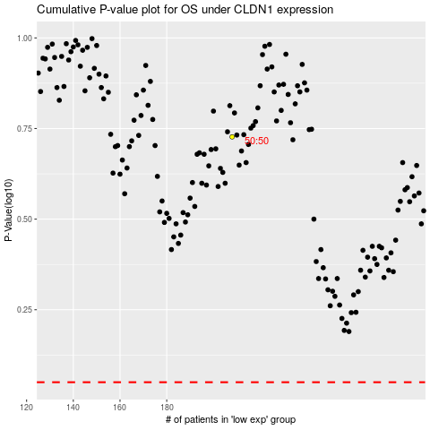

 |  |  |  |  |  | cases_OS | p_OS | rank | exp
 |  |  |  |  |  |  | cases_RFS | p_RFS | rank | exp

