CLDN12 _multivariate
Reported by Tex Li-Hsing Chi. tex@gate.sinica.edu.tw 2019-08-21

Table 2. The clinicopathological features of HNSCC cohort and CLDN12 expression. (Chi square test)
Cutoff at 0.077 (64.0%)
 |  | CLDN12 expression |  | CLDN12 expression |  | (Optimised)
 | Features | Low | (%) | High | (%) | Case no | P-value | Remark | Matthews
Gender | Female | 194 | 46.7 | 112 | 27 | 415 | 0.8349 | 0 | 0
2 | Male | 71 | 17.1 | 38 | 9.2
Age at diagnosis | <=65y | 175 | 42.2 | 99 | 23.9 | 415 | 1 | 0 | 0
4 | >65y | 90 | 21.7 | 51 | 12.3
Clinical T Status | T1+T2 | 104 | 25.1 | 45 | 10.8 | 415 | 0.0751 | 0 | 0
6 | T3+T4 | 161 | 38.8 | 105 | 25.3
Clinical N Status | N0 | 140 | 33.7 | 76 | 18.3 | 415 | 0.7478 | 0 | 0
8 | N1-3 | 125 | 30.1 | 74 | 17.8
Clinical M Status | M0 | 263 | 63.4 | 149 | 35.9 | 415 | 1 | 0 | 0
10 | M1 | 2 | 0.5 | 1 | 0.2
Clinical Stage | Stage I+II | 67 | 16.1 | 35 | 8.4 | 415 | 0.7455 | 0 | 0
12 | Stage III+IV | 198 | 47.7 | 115 | 27.7
Surgical Margin status | Negative | 206 | 49.6 | 112 | 27 | 415 | 0.4722 | 0 | 0
14 | Positive | 59 | 14.2 | 38 | 9.2
Tobacco Exposure | Low | 111 | 26.7 | 50 | 12 | 415 | 0.0939 | 0 | 0
16 | High | 154 | 37.1 | 100 | 24.1

Table 3. Univariate/Multivariate Cox's proportional hazards regression analyses on OS time of CLDN12 gene expression in HNSCC

 |  | Univariate |  |  |  | Multivariate
 | Features | HR | CI95%(L) | CI95%(H) | P-value | HR | CI95%(L) | CI95%(H) | P-value
1 | Female | 1 |  |  |  | 1
Gender | Male | 1.157 | 0.843 | 1.587 | 0.367 | 1.194 | 0.854 | 1.667 | 0.3
11 | <=65y | 1 |  |  |  | 1
Age at diagnosis | >65y | 1.329 | 0.99 | 1.784 | 0.058 | 1.389 | 1.022 | 1.887 | 0.036
12 | T1+T2 | 1 |  |  |  | 1
Clinical T Status | T3+T4 | 1.409 | 1.028 | 1.931 | 0.033 | 2.097 | 1.106 | 3.975 | 0.023
13 | N0 | 1 |  |  |  | 1
Clinical N Status | N1-3 | 1.185 | 0.89 | 1.577 | 0.246 | 1.229 | 0.86 | 1.755 | 0.257
14 | M0 | 1 |  |  |  | 1
Clinical M Status | M1 | 4.097 | 1.009 | 16.644 | 0.049 | 9.424 | 2.056 | 43.191 | 0.004
15 | Stage I+II | 1 |  |  |  | 1
Clinical Stage | Stage III+IV | 1.245 | 0.882 | 1.759 | 0.213 | 0.523 | 0.243 | 1.125 | 0.097
16 | Negative | 1 |  |  |  | 1
Surgical Margin status | Positive | 1.591 | 1.155 | 2.191 | 0.004 | 1.668 | 1.207 | 2.305 | 0.002
17 | Low | 1 |  |  |  | 1
Tobacco Exposure | High | 1.364 | 1.008 | 1.844 | 0.044 | 1.417 | 1.028 | 1.953 | 0.033
18 | Low | 1 |  |  |  | 1
RNAseq(z-score) | High | 1.38 | 1.027 | 1.855 | 0.033 | 1.294 | 0.959 | 1.746 | 0.091

Table 4. Univariate/Multivariate Cox's proportional hazards regression analyses on RFS time of CLDN12 gene expression in HNSCC

 |  | Univariate |  |  |  | Multivariate
 | Features | HR | CI95%(L) | CI95%(H) | P-value | HR | CI95%(L) | CI95%(H) | P-value
1 | Female | 1 |  |  |  | 1
Gender | Male | 1.157 | 0.843 | 1.587 | 0.367 | 1.194 | 0.854 | 1.667 | 0.3
11 | <=65y | 1 |  |  |  | 1
Age at diagnosis | >65y | 1.329 | 0.99 | 1.784 | 0.058 | 1.389 | 1.022 | 1.887 | 0.036
12 | T1+T2 | 1 |  |  |  | 1
Clinical T Status | T3+T4 | 1.409 | 1.028 | 1.931 | 0.033 | 2.097 | 1.106 | 3.975 | 0.023
13 | N0 | 1 |  |  |  | 1
Clinical N Status | N1-3 | 1.185 | 0.89 | 1.577 | 0.246 | 1.229 | 0.86 | 1.755 | 0.257
14 | M0 | 1 |  |  |  | 1
Clinical M Status | M1 | 4.097 | 1.009 | 16.644 | 0.049 | 9.424 | 2.056 | 43.191 | 0.004
15 | Stage I+II | 1 |  |  |  | 1
Clinical Stage | Stage III+IV | 1.245 | 0.882 | 1.759 | 0.213 | 0.523 | 0.243 | 1.125 | 0.097
16 | Negative | 1 |  |  |  | 1
Surgical Margin status | Positive | 1.591 | 1.155 | 2.191 | 0.004 | 1.668 | 1.207 | 2.305 | 0.002
17 | Low | 1 |  |  |  | 1
Tobacco Exposure | High | 1.364 | 1.008 | 1.844 | 0.044 | 1.417 | 1.028 | 1.953 | 0.033
18 | Low | 1 |  |  |  | 1
RNAseq(z-score) | High | 1.38 | 1.027 | 1.855 | 0.033 | 1.294 | 0.959 | 1.746 | 0.091

Kaplan-Meier survival estimate: Cutoff at 0.077 (64.0%)

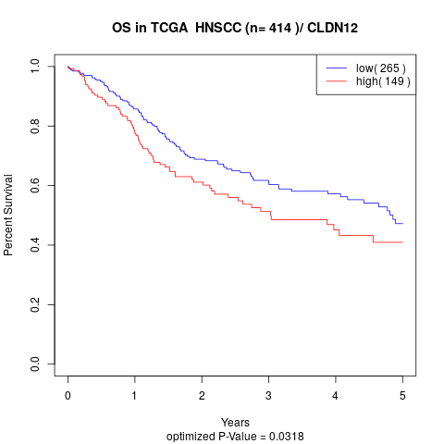

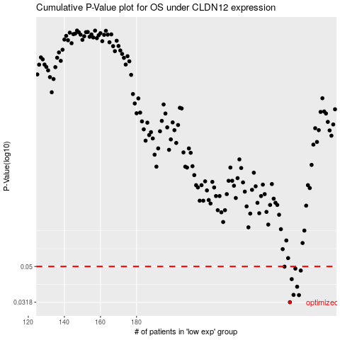

 |  |  |  |  |  | cases_OS | p_OS | rank | exp
 |  |  |  |  |  | 265 | 0.0318 | 123 | 0.076612311589
 |  |  |  |  |  | 270 | 0.0348 | 133 | 0.10043223212
 |  |  |  |  |  | 267 | 0.0349 | 223 | 0.093152163047
 |  |  |  |  |  | 269 | 0.0387 | 415 | 0.096396871267
 |  |  |  |  |  | 266 | 0.0426 | 17 | 0.078961341292
 |  |  |  |  |  | 271 | 0.0475 | 155 | 0.10349524062
 |  |  |  |  |  | 268 | 0.0487 | 233 | 0.095876672624
 |  |  |  |  |  | 262 | 0.0499 | 239 | 0.068946407981
 |  |  |  |  |  |  | cases_RFS | p_RFS | rank | exp
 |  |  |  |  |  |  | 264 | 0.0318 | 177 | 0.076438501142
 |  |  |  |  |  |  | 269 | 0.0348 | 415 | 0.096396871267
 |  |  |  |  |  |  | 266 | 0.0349 | 17 | 0.078961341292
 |  |  |  |  |  |  | 268 | 0.0387 | 233 | 0.095876672624
 |  |  |  |  |  |  | 265 | 0.0426 | 123 | 0.076612311589
 |  |  |  |  |  |  | 270 | 0.0475 | 133 | 0.10043223212
 |  |  |  |  |  |  | 267 | 0.0487 | 223 | 0.093152163047
 |  |  |  |  |  |  | 261 | 0.0499 | 34 | 0.066113667502

