CLDN14 _multivariate
Reported by Tex Li-Hsing Chi. tex@gate.sinica.edu.tw 2019-08-21

Table 2. The clinicopathological features of HNSCC cohort and CLDN14 expression. (Chi square test)
Cutoff at -0.278 (50.0%)
 |  | CLDN14 expression |  | CLDN14 expression |  | (Optimised)
 | Features | Low | (%) | High | (%) | Case no | P-value | Remark | Matthews
Gender | Female | 150 | 36.1 | 156 | 37.6 | 415 | 0.6344 | 0 | 0
2 | Male | 57 | 13.7 | 52 | 12.5
Age at diagnosis | <=65y | 130 | 31.3 | 144 | 34.7 | 415 | 0.2009 | 0 | 0
4 | >65y | 77 | 18.6 | 64 | 15.4
Clinical T Status | T1+T2 | 74 | 17.8 | 75 | 18.1 | 415 | 1 | 0 | 0
6 | T3+T4 | 133 | 32 | 133 | 32
Clinical N Status | N0 | 111 | 26.7 | 105 | 25.3 | 415 | 0.5875 | 0 | 0
8 | N1-3 | 96 | 23.1 | 103 | 24.8
Clinical M Status | M0 | 205 | 49.4 | 207 | 49.9 | 415 | 0.6232 | 0 | 0
10 | M1 | 2 | 0.5 | 1 | 0.2
Clinical Stage | Stage I+II | 48 | 11.6 | 54 | 13 | 415 | 0.5878 | 0 | 0
12 | Stage III+IV | 159 | 38.3 | 154 | 37.1
Surgical Margin status | Negative | 163 | 39.3 | 155 | 37.3 | 415 | 0.3537 | 0 | 0
14 | Positive | 44 | 10.6 | 53 | 12.8
Tobacco Exposure | Low | 85 | 20.5 | 76 | 18.3 | 415 | 0.3655 | 0 | 0
16 | High | 122 | 29.4 | 132 | 31.8

Table 3. Univariate/Multivariate Cox's proportional hazards regression analyses on OS time of CLDN14 gene expression in HNSCC

 |  | Univariate |  |  |  | Multivariate
 | Features | HR | CI95%(L) | CI95%(H) | P-value | HR | CI95%(L) | CI95%(H) | P-value
1 | Female | 1 |  |  |  | 1
Gender | Male | 1.157 | 0.843 | 1.587 | 0.367 | 1.202 | 0.861 | 1.679 | 0.28
11 | <=65y | 1 |  |  |  | 1
Age at diagnosis | >65y | 1.329 | 0.99 | 1.784 | 0.058 | 1.395 | 1.025 | 1.899 | 0.034
12 | T1+T2 | 1 |  |  |  | 1
Clinical T Status | T3+T4 | 1.409 | 1.028 | 1.931 | 0.033 | 2.195 | 1.159 | 4.155 | 0.016
13 | N0 | 1 |  |  |  | 1
Clinical N Status | N1-3 | 1.185 | 0.89 | 1.577 | 0.246 | 1.237 | 0.865 | 1.768 | 0.244
14 | M0 | 1 |  |  |  | 1
Clinical M Status | M1 | 4.097 | 1.009 | 16.644 | 0.049 | 9.459 | 2.061 | 43.414 | 0.004
15 | Stage I+II | 1 |  |  |  | 1
Clinical Stage | Stage III+IV | 1.245 | 0.882 | 1.759 | 0.213 | 0.508 | 0.236 | 1.095 | 0.084
16 | Negative | 1 |  |  |  | 1
Surgical Margin status | Positive | 1.591 | 1.155 | 2.191 | 0.004 | 1.666 | 1.202 | 2.307 | 0.002
17 | Low | 1 |  |  |  | 1
Tobacco Exposure | High | 1.364 | 1.008 | 1.844 | 0.044 | 1.449 | 1.05 | 1.999 | 0.024
18 | Low | 1 |  |  |  | 1
RNAseq(z-score) | High | 1.066 | 0.801 | 1.42 | 0.66 | 1.026 | 0.764 | 1.379 | 0.864

Table 4. Univariate/Multivariate Cox's proportional hazards regression analyses on RFS time of CLDN14 gene expression in HNSCC

 |  | Univariate |  |  |  | Multivariate
 | Features | HR | CI95%(L) | CI95%(H) | P-value | HR | CI95%(L) | CI95%(H) | P-value
1 | Female | 1 |  |  |  | 1
Gender | Male | 1.157 | 0.843 | 1.587 | 0.367 | 1.202 | 0.861 | 1.679 | 0.28
11 | <=65y | 1 |  |  |  | 1
Age at diagnosis | >65y | 1.329 | 0.99 | 1.784 | 0.058 | 1.395 | 1.025 | 1.899 | 0.034
12 | T1+T2 | 1 |  |  |  | 1
Clinical T Status | T3+T4 | 1.409 | 1.028 | 1.931 | 0.033 | 2.195 | 1.159 | 4.155 | 0.016
13 | N0 | 1 |  |  |  | 1
Clinical N Status | N1-3 | 1.185 | 0.89 | 1.577 | 0.246 | 1.237 | 0.865 | 1.768 | 0.244
14 | M0 | 1 |  |  |  | 1
Clinical M Status | M1 | 4.097 | 1.009 | 16.644 | 0.049 | 9.459 | 2.061 | 43.414 | 0.004
15 | Stage I+II | 1 |  |  |  | 1
Clinical Stage | Stage III+IV | 1.245 | 0.882 | 1.759 | 0.213 | 0.508 | 0.236 | 1.095 | 0.084
16 | Negative | 1 |  |  |  | 1
Surgical Margin status | Positive | 1.591 | 1.155 | 2.191 | 0.004 | 1.666 | 1.202 | 2.307 | 0.002
17 | Low | 1 |  |  |  | 1
Tobacco Exposure | High | 1.364 | 1.008 | 1.844 | 0.044 | 1.449 | 1.05 | 1.999 | 0.024
18 | Low | 1 |  |  |  | 1
RNAseq(z-score) | High | 1.066 | 0.801 | 1.42 | 0.66 | 1.026 | 0.764 | 1.379 | 0.864

Kaplan-Meier survival estimate: Cutoff at -0.278 (50.0%)



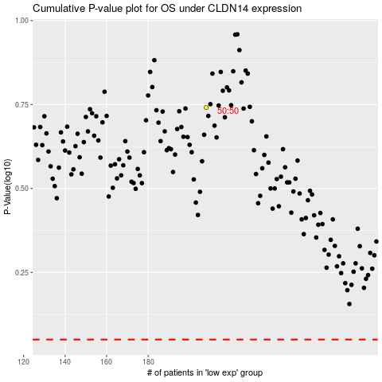

 |  |  |  |  |  | cases_OS | p_OS | rank | exp
 |  |  |  |  |  |  | cases_RFS | p_RFS | rank | exp

